WINTER
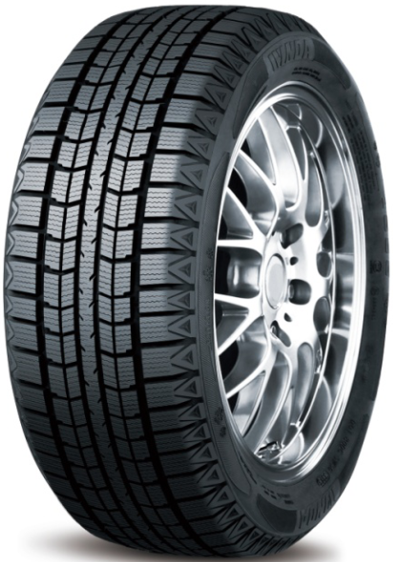
BOTO WINTER TIRES 2026 ORDER FORM
SIZE | LOAD SPEED | TYPE | PATTERN | BOTO | QTY/40'HQ | ORDER | 40"HC
185R15C | 8PR 103/102Q | Winter tyres | BS66 | 911PABDRD565W | 1120 | 20 | 0.018
155/65R13 | 73Q | Winter tyres | BS66 | 911PABDRB098W | 2120 |  | 0.000
165/70R13 | 79Q | Winter tyres | BS66 | 911PABDRB005W | 1850 |  | 0.000
175/70R13 | 82Q | Winter tyres | BS66 | 911PABDRB101W | 1800 |  | 0.000
165/60R14 | 75S | Winter tyres | BS66 | 911PABDRC004W | 1920 |  | 0.000
175/65R14 | 82Q | Winter tyres | BS66 | 911PABDRC007W | 1780 |  | 0.000
175/70R14 | 84Q | Winter tyres | BS66 | 911PABDRC003W | 1588 |  | 0.000
185/60R14 | 82Q | Winter tyres | BS66 | 911PABDRC001W | 1560 |  | 0.000
185/65R14 | 86S | Winter tyres | BS66 | 911PABDRC005W | 1456 |  | 0.000
185/70R14 | 88S | Winter tyres | BS66 | 911PABDRC006W | 1486 |  | 0.000
195/60R14 | 86Q | Winter tyres | BS66 | 911PABDRC002W | 1360 |  | 0.000
175/65R15 | 84Q | Winter tyres | BS66 | 911PABDRD002W | 1580 |  | 0.000
185/60R15 | 84S | Winter tyres | BS66 | 911PABDRD004W | 1366 |  | 0.000
185/65R15 | 88Q | Winter tyres | BS66 | 911PABDRD007W | 1320 |  | 0.000
195/55R15 | 85Q | Winter tyres | BS66 | 911PABDRD001W | 1360 |  | 0.000
195/60R15 | 88Q | Winter tyres | BS66 | 911PABDRD003W | 1250 |  | 0.000 | BS66
195/65R15 | 91Q | Winter tyres | BS66 | 911PABDRD252W | 1210 |  | 0.000
195/70R15C | 8PR 104/102Q | Winter tyres | BS66 | 911PABDRD047W | 1116 |  | 0.000
205/65R15 | 94S | Winter tyres | BS66 | 911PABDRD005W | 1170 |  | 0.000
215/75R15 | 100Q | Winter tyres | BS66 | 911PABDRD006W | 1030 |  | 0.000
195/60R16 | 89S | Winter tyres | BS66 | 911PABDRE005W | 1150 |  | 0.000
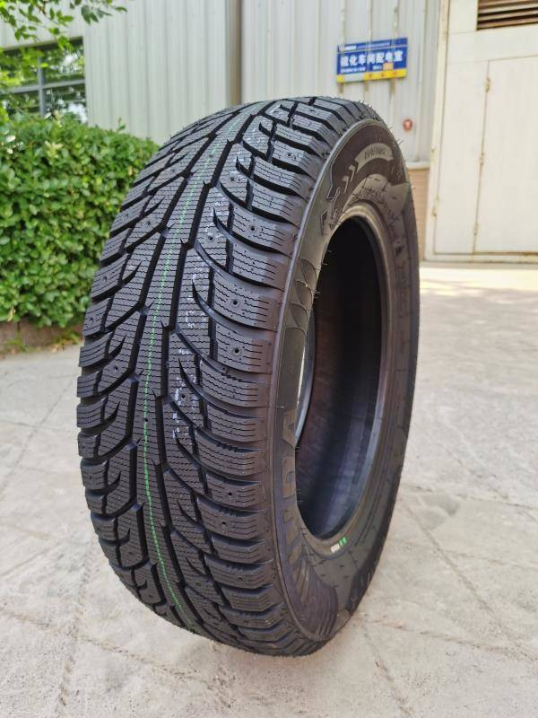
205/55R16 | 91Q | Winter tyres | BS66 | 911PABDRE325W | 1180 |  | 0.000
205/60R16 | 92S | Winter tyres | BS66 | 911PABDRE002W | 1096 |  | 0.000
215/55R16 | 93S | Winter tyres | BS66 | 911PABDRE001W | 1040 |  | 0.000
215/60R16 | 95Q | Winter tyres | BS66 | 911PABDRE006W | 1026 |  | 0.000
215/70R16 | 100S | Winter tyres | BS66 | 911PABDRE004W | 870 |  | 0.000
225/70R16 | 103S | Winter tyres | BS66 | 911PABDRE003W | 800 |  | 0.000
215/60R17 | 96S | Winter tyres | BS66 | 911PABDRF142W | 950 |  | 0.000
225/65R17 | 102Q | Winter tyres | BS66 | 911PABDRF106W | 796 |  | 0.000
265/65R17 | 112S | Winter tyres | BS66 | 911PABDRF001W | 610 |  | 0.000
235/60R18 | 103Q | Winter tyres | BS66 | 911PABDRH001W | 780 |  | 0.000
175/65R14 | 86T | Studded winter tyre | BS67 | 911PABHZC370W | 1780 |  | 0.000
195/65R15 | 95T | Studded winter tyre | BS67 | 911PABHZD547W | 1210 |  | 0.000
205/55R16 | 94T | Studded winter tyre | BS67 | 911PABHZE729W | 1180 |  | 0.000
215/60R16 | 99T | Studded winter tyre | BS67 | 911PABHZE735W | 1020 |  | 0.000
215/65R16 | 102T | Studded winter tyre | BS67 | 911PABHZE764W | 950 |  | 0.000
215/70R16 | 100T | Studded winter tyre | BS67 | 911PABHZE741W | 880 |  | 0.000 | BS67
215/55R17 | 94T | Studded winter tyre | BS67 | 911PABHZF450W | 860 |  | 0.000
225/65R17 | 106T | Studded winter tyre | BS67 | 911PABHZF444W | 790 |  | 0.000
205/65R16 | 95T | Winter tyres | BS68 | 911PABDSE671W | 998 |  | 0.000
225/55R16 | 95T | Winter tyres | BS68 | 911PABDSE001W | 918 |  | 0.000
205/50R17 | 93H | Winter tyres | BS68 | 911PABDSF002W | 1020 |  | 0.000
205/55R17 | 95T | Winter tyres | BS68 | 911PABDSF389W | 1050 |  | 0.000
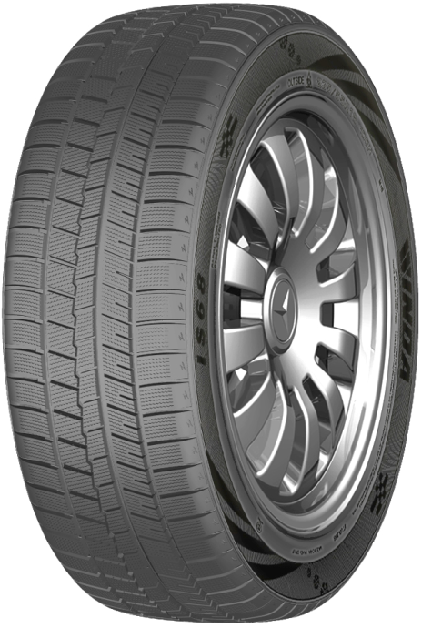
215/45R17 | 91H | Winter tyres | BS68 | 911PABDSF004W | 1050 |  | 0.000
215/50R17 | 95H | Winter tyres | BS68 | 911PABDSF005W | 936 |  | 0.000
215/55R17 | 94T | Winter tyres | BS68 | 911PABDSF313W | 866 |  | 0.000
225/45R17 | 94H | Winter tyres | BS68 | 911PABDSF008W | 944 |  | 0.000
225/50R17 | 94T | Winter tyres | BS68 | 911PABDSF006W | 916 |  | 0.000
225/55R17 | 97H | Winter tyres | BS68 | 911PABDSF003W | 846 |  | 0.000
235/45R17 | 97S | Winter tyres | BS68 | 911PABDSF001W | 880 |  | 0.000
235/55R17 | 99S | Winter tyres | BS68 | 911PABDSF007W | 748 |  | 0.000
215/50R18 | 92T | Winter tyres | BS68 | 911PABDSH215W | 870 |  | 0.000
215/55R18 | 99H | Winter tyres | BS68 | 911PABDSH131W | 900 |  | 0.000
225/40R18 | 92H | Winter tyres | BS68 | 911PABDSH209W | 914 |  | 0.000
225/45R18 | 95H | Winter tyres | BS68 | 911PABDSH007W | 880 |  | 0.000
225/50R18 | 99H | Winter tyres | BS68 | 911PABDSH009W | 850 |  | 0.000
235/45R18 | 98T | Winter tyres | BS68 | 911PABDSH001W | 772 |  | 0.000
235/50R18 | 101H | Winter tyres | BS68 | 911PABDSH003W | 748 |  | 0.000
235/55R18 | 100H | Winter tyres | BS68 | 911PABDSH053W | 696 |  | 0.000
245/40R18 | 97H | Winter tyres | BS68 | 911PABDSH011W | 800 |  | 0.000 | BS68
245/45R18 | 96S | Winter tyres | BS68 | 911PABDSH005W | 750 |  | 0.000
245/50R18 | 104H | Winter tyres | BS68 | 911PABDSH004W | 730 |  | 0.000
255/40R18 | 99S | Winter tyres | BS68 | 911PABDSH002W | 700 |  | 0.000
255/45R18 | 103T | Winter tyres | BS68 | 911PABDSH221W | 680 |  | 0.000
215/65R16 | 98S | Winter tyres | WD69 | 911PABGEE001W | 956 |  | 0.000
235/70R16 | 106S | Winter tyres | WD69 | 911PABGEE002W | 832 |  | 0.000
245/70R16 | 107S | Winter tyres | WD69 | 911PABGEE775W | 800 |  | 0.000
265/70R16 | 112T | Winter tyres | WD69 | 911PABGEE677W | 600 |  | 0.000
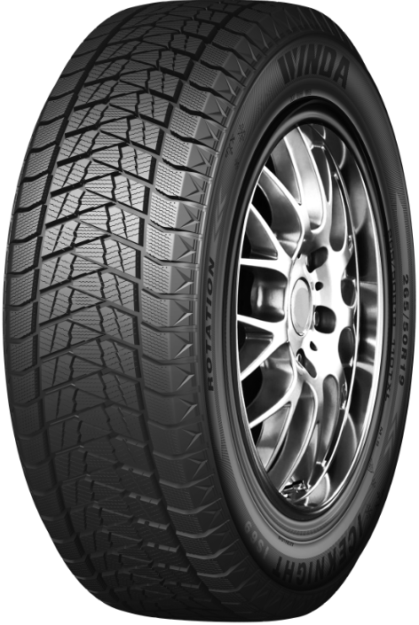
215/65R17 | 99T | Winter tyres | WD69 | 911PABGEF012W | 888 |  | 0.000
225/60R17 | 99S | Winter tyres | WD69 | 911PABGEF002W | 848 |  | 0.000
235/65R17 | 104T | Winter tyres | WD69 | 911PABGEF003W | 820 |  | 0.000
245/65R17 | 107S | Winter tyres | WD69 | 911PABGEF001W | 780 |  | 0.000
225/55R18 | 98S | Winter tyres | WD69 | 911PABGEH134W | 820 |  | 0.000
225/60R18 | 100S | Winter tyres | WD69 | 911PABGEH003W | 816 |  | 0.000
235/65R18 | 106T | Winter tyres | WD69 | 911PABGEH004W | 770 |  | 0.000
245/60R18 | 105T | Winter tyres | WD69 | 911PABGEH002W | 670 |  | 0.000
255/60R18 | 112T | Winter tyres | WD69 | 911PABGEH227W | 640 |  | 0.000
265/60R18 | 110R | Winter tyres | WD69 | 911PABGEH001W | 570 |  | 0.000
225/45R19 | 96T | Winter tyres | WD69 | 911PABGEI071W | 800 |  | 0.000
225/55R19 | 99T | Winter tyres | WD69 | 911PABGEI003W | 750 |  | 0.000
235/50R19 | 99T | Winter tyres | WD69 | 911PABGEI001W | 720 |  | 0.000
235/55R19 | 101T | Winter tyres | WD69 | 911PABGEI016W | 688 |  | 0.000
245/45R19 | 102T | Winter tyres | WD69 | 911PABGEI006W | 646 |  | 0.000
245/55R19 | 103R | Winter tyres | WD69 | 911PABGEI002W | 654 |  | 0.000
255/40R19 | 100T | Winter tyres | WD69 | 911PABGEI019W | 630 |  | 0.000 | BS69
255/45R19 | 100T | Winter tyres | WD69 | 911PABGEI007W | 608 |  | 0.000
255/55R19 | 107T | Winter tyres | WD69 | 911PABGEI004W | 600 |  | 0.000
265/50R19 | 110T | Winter tyres | WD69 | 911PABGEI015W | 560 |  | 0.000
275/40R19 | 105T | Winter tyres | WD69 | 911PABGEI018W | 630 |  | 0.000
235/55R20 | 102T | Winter tyres | WD69 | 911PABGEK003W | 620 |  | 0.000
245/45R20 | 103T | Winter tyres | WD69 | 911PABGEK009W | 630 |  | 0.000
255/45R20 | 105T | Winter tyres | WD69 | 911PABGEK110W | 600 |  | 0.000
245/50R20 | 102T | Winter tyres | WD69 | 911PABGEK004W | 654 |  | 0.000
255/50R20 | 109S | Winter tyres | WD69 | 911PABGEK001W | 585 |  | 0.000
275/45R20 | 106S | Winter tyres | WD69 | 911PABGEK002W | 630 |  | 0.000
275/55R20 | 117S | Winter tyres | WD69 | 911PABGEK070W | 530 |  | 0.000
285/50R20 | 112S | Winter tyres | WD69 | 911PABGEK074W | 530 |  | 0.000
255/45R21 | 105T | Winter tyres | WD69 | 911PABGEL004W | 550 |  | 0.000
275/45R21 | 110T | Winter tyres | WD69 | 911PABGEL001W | 540 |  | 0.000
275/40R22 | 107T | Winter tyres | WD69 | 911PABGEM003W | 520 |  | 0.000
 |  |  |  |  |  | 20 | 0.018

