WINTER TIRES
TRI-ACE SNOW WHITE II (Studdable) |  |  |  |  |  | 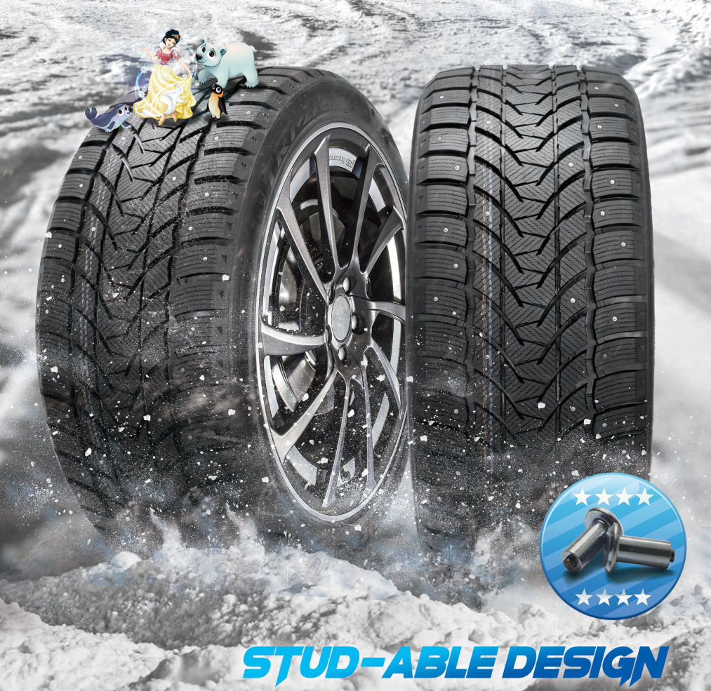
Size | Pattern | Load Index | PCS/40HQ | ORDER | 40"HC
155/70R19 | Snow White II | 88HXL | 1200 | 0 | 0.000
285/45R22 | Snow White II | 114HXL | 500
245/40R19 | Snow White II | 98HXL | 765
275/35R19 | Snow White II | 100HXL | 650
315/30R22 | Snow White II | 107HXL | 460
275/45R20 | Snow White II | 110VXL | 560
275/35R22 | Snow White II | 104HXL | 640
275/45R21 | Snow White II | 110HXL | 550
245/45R20 | Snow White II | 103HXL | 700
295/35R21 | Snow White II | 107HXL | 520
275/55R19 | Snow White II | 111H | 560
275/35R20 | Snow White II | 102HXL | 620
235/40R18 | Snow White II | 95VXL | 890
255/40R20 | Snow White II | 101HXL | 690
245/40R20 | Snow White II | 99HXL | 700
245/50R18 | Snow White II | 104HXL | 750
275/40R22 | Snow White II | 107HXL | 600
285/35R22 | Snow White II | 106HXL | 500
245/45R19 | Snow White II | 102HXL | 700
255/45R19 | Snow White II | 104HXL | 720
275/40R19 | Snow White II | 105HXL | 650
255/45R20 | Snow White II | 105HXL | 700
245/50R19 | Snow White II | 105HXL | 644
255/35R21 | Snow White II | 98HXL | 600
215/50R18 | Snow White II | 96HXL | 880
275/50R20 | Snow White II | 113HXL | 520
265/40R21 | Snow White II | 105HXL | 600
235/50R19 | Snow White II | 103H XL | 800
255/50R19 | Snow White II | 107H XL | 624
255/50R21 | Snow White II | 106H | 564
265/45R20 | Snow White II | 108HXL | 640
255/55R20 | Snow White II | 110HXL | 564
235/45R20 | Snow White II | 100HXL | 730
245/35R21 | Snow White II | 96HXL | 720
285/40R21 | Snow White II | 109H XL | 510
 |  |  |  | 0 | 0.000

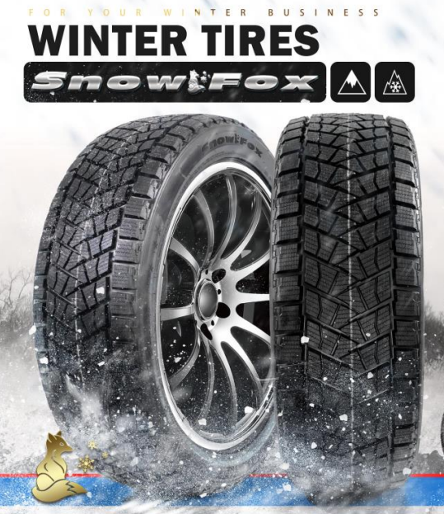
TRI-ACE SNOW FOX (Studless)
Size | Pattern | Load index | RIM | ORDER
LT315/70R17 | SNOW FOX | 121/118S | 9 1/2J
35X12.50R20LT | SNOW FOX | 123R | 10J
LT305/60R20 | SNOW FOX | 123R | 10J
265/70R18 | SNOW FOX | 114T | 8J
LT275/70R18 | SNOW FOX | 125/122S | 8J
275/60R20 | SNOW FOX | 114T | 8J
265/60R20 | SNOW FOX | 113T | 8J
275/55R20 | SNOW FOX | 117T | 8.5J
245/55R19 | SNOW FOX | 103T | 8J
245/50R20 | SNOW FOX | 102H | 7.5J
LT275/70R17 | SNOW FOX | 121/118R | 8J
LT285/70R17 | SNOW FOX | 121/118R | 8.5J
LT275/65R18 | SNOW FOX | 123/120R | 8J
LT285/65R18 | SNOW FOX | 121/118R | 8.5J
LT285/75R16 | SNOW FOX | 126/123R | 8J
LT285/55R20 | SNOW FOX | 122/119R | 9J
255/45R21 | SNOW FOX | 105HXL | 8.5J
245/45R21 | SNOW FOX | 104HXL | 8J
35X12.50R22LT | SNOW FOX | 121R | 10J
275/50R22 | SNOW FOX | 111H | 8 1/2J
 |  |  |  | 0
 |  |  |  | TOTAL
 |  |  |  | 0

