PCR
ROYAL BLACK BRAND PCR OFFER
 |  |  |  |  |  |  |  | ORDER QTY | CONTAINER (40 HQ)
Pattern | ITEM NO. | BPM NO | Sizes | L&S | Pattern | Sidewall Description | QTY
 |  |  |  |  |  |  | 40HQ | 0 | 0.000
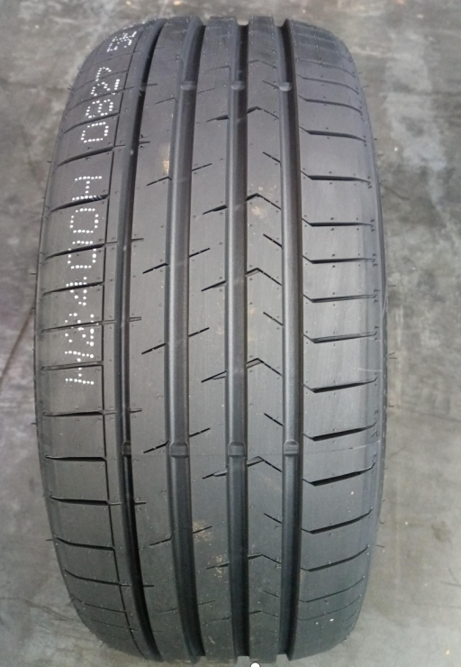 ROYAL EXPLORER II（4沟） | 7RK2389H1 | 1019924 | 215/45ZR17 | 91WXL | ROYAL EXPLORER II | BSW | 1100 | 0 | 0.000
 | 7RK2390H1 | 1019960 | 215/50ZR17 | 95WXL | ROYAL EXPLORER II | BSW | 1000 |  | 0.000
 | 7RK2391H1 | 1019952 | 225/45ZR17 | 94WXL | ROYAL EXPLORER II | BSW | 1000 |  | 0.000
 | 7RK2392H1 | 1019910 | 225/50ZR17 | 98WXL | ROYAL EXPLORER II | BSW | 930 |  | 0.000
 | 7RK2393H1 | 1019967 | 235/45ZR17 | 97WXL | ROYAL EXPLORER II | BSW | 900 |  | 0.000
 | 7RK2394H1 | 1019925 | 225/40ZR18 | 92WXL | ROYAL EXPLORER II | BSW | 980 |  | 0.000
 | 7RK2395H1 | 1019951 | 225/45ZR18 | 95WXL | ROYAL EXPLORER II | BSW | 940 |  | 0.000
 | 7RK2396H1 | 1019959 | 235/45ZR18 | 98WXL | ROYAL EXPLORER II | BSW | 880 |  | 0.000
 | 7RK2397H4 | 1022941 | 235/50ZR18 | 101WXL | ROYAL EXPLORER II | BSW | 830 |  | 0.000
 | 7RK2398H1 | 1019988 | 235/55ZR19 | 105WXL | ROYAL EXPLORER II | BSW | 750 |  | 0.000
 | 7RK2400H2 | 1019820 | 195/40ZR17 | 81WXL | ROYAL EXPLORER II | BSW | 1250 |  | 0.000
 | 7RK2401H1 | 1019931 | 195/45ZR17 | 85WXL | ROYAL EXPLORER II | BSW | 1260 |  | 0.000
 | 7RK2402H2 | 1019821 | 205/40ZR17 | 84WXL | ROYAL EXPLORER II | BSW | 1270 |  | 0.000
 | 7RK2403H1 | 1019989 | 205/45ZR17 | 88WXL | ROYAL EXPLORER II | BSW | 1100 |  | 0.000
 | 7RK2404H1 | 1019897 | 205/50ZR17 | 93WXL | ROYAL EXPLORER II | BSW | 1090 |  | 0.000
 | 7RK2405H1 | 1019935 | 205/55ZR17 | 95WXL | ROYAL EXPLORER II | BSW | 1040 |  | 0.000
 | 7RK3001H1 | 1028062 | 205/60R17 | 97VXL | ROYAL EXPLORER II | BSW | 1200 |  | 0.000
 | 7RK2406H1 | 1019994 | 215/40ZR17 | 87WXL | ROYAL EXPLORER II | BSW | 1050 |  | 0.000
 | 7RK2407H1 | 1019829 | 215/45ZR17 | 91YXL | ROYAL EXPLORER II | BSW | 1100 |  | 0.000
 | 7RK2409H1 | 1019863 | 215/55ZR17 | 98WXL | ROYAL EXPLORER II | BSW | 990 |  | 0.000
 | 7RK2410H1 | 1019859 | 225/45ZR17 | 94YXL | ROYAL EXPLORER II | BSW | 1000 |  | 0.000
 | 7RK2412H1 | 1019913 | 225/55ZR17 | 101WXL | ROYAL EXPLORER II | BSW | 900 |  | 0.000
 | 7RK2413H1 | 1019995 | 235/45ZR17 | 97YXL | ROYAL EXPLORER II | BSW | 900 |  | 0.000
 | 7RK2414H1 | 1019916 | 235/55ZR17 | 103WXL | ROYAL EXPLORER II | BSW | 840 |  | 0.000
 | 7RK2415H1 | 1019970 | 215/35ZR18 | 84WXL | ROYAL EXPLORER II | BSW | 1160 |  | 0.000
 | 7RK2416H1 | 1019945 | 215/40ZR18 | 89WXL | ROYAL EXPLORER II | BSW | 980 |  | 0.000
 | 7RK2417H1 | 1020000 | 215/45ZR18 | 93YXL | ROYAL EXPLORER II | BSW | 990 |  | 0.000
 | 7RK2418H1 | 1019862 | 215/50ZR18 | 92W | ROYAL EXPLORER II | BSW | 950 |  | 0.000
 | 7RK2419H1 | 1020001 | 215/55ZR18 | 99WXL | ROYAL EXPLORER II | BSW | 870 |  | 0.000
 | 7RK2420H1 | 1020006 | 225/35ZR18 | 87YXL | ROYAL EXPLORER II | BSW | 1050 |  | 0.000
 | 7RK2421H1 | 1019903 | 225/40ZR18 | 92YXL | ROYAL EXPLORER II | BSW | 980 |  | 0.000
 | 7RK2422H1 | 1020007 | 225/45ZR18 | 95YXL | ROYAL EXPLORER II | BSW | 940 |  | 0.000
 | 7RK2423H1 | 1020012 | 225/50ZR18 | 99WXL | ROYAL EXPLORER II | BSW | 860 |  | 0.000
 | 7RK2424H4 | 1022897 | 225/55ZR18 | 102WXL | ROYAL EXPLORER II | BSW | 850 |  | 0.000
 | 7RK2425H1 | 1019898 | 235/40ZR18 | 95YXL | ROYAL EXPLORER II | BSW | 900 |  | 0.000
 | 7RK2426H1 | 1019884 | 235/45ZR18 | 98YXL | ROYAL EXPLORER II | BSW | 880 |  | 0.000
 | 7RK2428H1 | 1019917 | 235/55ZR18 | 104WXL | ROYAL EXPLORER II | BSW | 820 |  | 0.000
 | 7RK2429H1 | 1020018 | 245/35ZR18 | 92YXL | ROYAL EXPLORER II | BSW | 900 |  | 0.000
 | 7RK2430H1 | 1019904 | 245/40ZR18 | 97YXL | ROYAL EXPLORER II | BSW | 830 |  | 0.000
 | 7RK2431H4 | 1022903 | 245/45ZR18 | 100YXL | ROYAL EXPLORER II | BSW | 820 |  | 0.000
 | 7RK2432H1 | 1020024 | 255/35ZR18 | 94YXL | ROYAL EXPLORER II | BSW | 780 |  | 0.000
 | 7RK2435H1 | 1019936 | 225/35ZR19 | 88YXL | ROYAL EXPLORER II | BSW | 1020 |  | 0.000
 | 7RK2436H1 | 1020025 | 225/40ZR19 | 93YXL | ROYAL EXPLORER II | BSW | 930 |  | 0.000
 | 7RK2437H1 | 1020030 | 225/45ZR19 | 96YXL | ROYAL EXPLORER II | BSW | 840 |  | 0.000
 | 7RK2438H1 | 1019890 | 225/55ZR19 | 103WXL | ROYAL EXPLORER II | BSW | 790 |  | 0.000
 | 7RK2440H1 | 1020031 | 235/40ZR19 | 96YXL | ROYAL EXPLORER II | BSW | 860 |  | 0.000
 | 7RK2441H4 | 1022759 | 235/45ZR19 | 99WXL | ROYAL EXPLORER II | BSW | 750 |  | 0.000
 | 7RK2444H1 | 1019944 | 245/35ZR19 | 93YXL | ROYAL EXPLORER II | BSW | 890 |  | 0.000
 | 7RK2445H1 | 1020037 | 245/40ZR19 | 98YXL | ROYAL EXPLORER II | BSW | 850 |  | 0.000
 | 7RK2446H4 | 1022910 | 245/45ZR19 | 102YXL | ROYAL EXPLORER II | BSW | 750 |  | 0.000
 | 7RK2449H1 | 1019941 | 255/35ZR19 | 96YXL | ROYAL EXPLORER II | BSW | 740 |  | 0.000
 | 7RK2450H4 | 1023034 | 255/40ZR19 | 100YXL | ROYAL EXPLORER II | BSW | 650 |  | 0.000
 | 7RK2453H1 | 1019891 | 265/50ZR19 | 110WXL | ROYAL EXPLORER II | BSW | 590 |  | 0.000
 | 7RK2460H1 | 1020042 | 195/55R20 | 95HXL | ROYAL EXPLORER II | BSW | 1000 |  | 0.000
 | 7RK2462H4 | 1022789 | 235/45ZR20 | 100WXL | ROYAL EXPLORER II | BSW | 800 |  | 0.000
 | 7RK2463H4 | 1022793 | 245/40ZR20 | 99WXL | ROYAL EXPLORER II | BSW | 770 |  | 0.000
 | 7RK2466H2 | 1019824 | 265/50ZR20 | 111WXL | ROYAL EXPLORER II | BSW | 580 |  | 0.000
 | 7RK2439H1 | 1020080 | 235/35ZR19 | 91YXL | ROYAL EXPLORER II | BSW | 900 |  | 0.000
 | 7RK2447H1 | 1020083 | 245/55ZR19 | 107WXL | ROYAL EXPLORER II | BSW | 730 |  | 0.000
 | 7RK2461H1 | 1020095 | 235/30ZR20 | 88YXL | ROYAL EXPLORER II | BSW | 830 |  | 0.000
 | 7RK2472H1 | 1020101 | 245/35ZR21 | 96YXL | ROYAL EXPLORER II | BSW | 750 |  | 0.000
 | 7RK2408H1 | 1020137 | 215/50ZR17 | 95YXL | ROYAL EXPLORER II | BSW | 1000 |  | 0.000
 | 7RK2411H1 | 1020140 | 225/50ZR17 | 98YXL | ROYAL EXPLORER II | BSW | 930 |  | 0.000
 | 7RK2442H1 | 1020149 | 235/50ZR19 | 103YXL | ROYAL EXPLORER II | BSW | 760 |  | 0.000
 | 7RK2448H1 | 1020155 | 255/30ZR19 | 91YXL | ROYAL EXPLORER II | BSW | 890 |  | 0.000
 | 7RK2451H1 | 1020116 | 255/55ZR19 | 111WXL | ROYAL EXPLORER II | BSW | 610 |  | 0.000
 | 7RK2464H1 | 1020158 | 245/50ZR20 | 105YXL | ROYAL EXPLORER II | BSW | 700 |  | 0.000
 | 7RK2465H1 | 1020161 | 255/30ZR20 | 92YXL | ROYAL EXPLORER II | BSW | 690 |  | 0.000
 | 7RK2427H1 | 1020143 | 235/50ZR18 | 101YXL | ROYAL EXPLORER II | BSW | 830 |  | 0.000
 | 7RK2433H1 | 1020146 | 255/55ZR18 | 109YXL | ROYAL EXPLORER II | BSW | 680 |  | 0.000
 | 7RK2443H1 | 1020152 | 235/55ZR19 | 105YXL | ROYAL EXPLORER II | BSW | 750 |  | 0.000
 | 7RK2788H1 | 1022159 | 255/50ZR19 | 107WXL | ROYAL EXPLORER II | BSW | 550 |  | 0.000
 | 7RK2789H1 | 1022163 | 255/50ZR20 | 109WXL | ROYAL EXPLORER II | BSW | 530 |  | 0.000
 | 7RK2790H1 | 1021873 | 205/50R15 | 86V | ROYAL EXPLORER II | BSW | 1100 |  | 0.000
 | 7RK2791H1 | 1021877 | 205/45ZR16 | 87WXL | ROYAL EXPLORER II | BSW | 1280 |  | 0.000
 | 7RK2792H1 | 1021881 | 205/50ZR16 | 91WXL | ROYAL EXPLORER II | BSW | 1200 |  | 0.000
 | 7RK2793H1 | 1021885 | 215/40ZR16 | 86WXL | ROYAL EXPLORER II | BSW | 986 |  | 0.000
 | 7RK2794H1 | 1021905 | 225/50ZR16 | 96WXL | ROYAL EXPLORER II | BSW | 1040 |  | 0.000
 | 7RK2795H4 | 1027820 | 225/55ZR16 | 99WXL | ROYAL EXPLORER II | BSW | 960 |  | 0.000
 | 7RK2796H4 | 1027824 | 235/50ZR17 | 100WXL | ROYAL EXPLORER II | BSW | 730 |  | 0.000
 | 7RK2797H1 | 1021893 | 245/40ZR17 | 95WXL | ROYAL EXPLORER II | BSW | 700 |  | 0.000
 | 7RK2798H4 | 1023046 | 245/45ZR17 | 99WXL | ROYAL EXPLORER II | BSW | 700 |  | 0.000
 | 7RK2799H1 | 1021901 | 205/40ZR18 | 86WXL | ROYAL EXPLORER II | BSW | 1050 |  | 0.000
...
ROYAL BLACK BRAND PCR OFFER
 | 7RK2809H1 | 1021939 | 225/35ZR20 | 93YXL | ROYAL EXPLORER II | BSW
 | 7RK2810H1 | 1021951 | 235/55ZR20 | 105WXL | ROYAL EXPLORER II | BSW
 | 7RK2811H1 | 1021955 | 245/30ZR20 | 97YXL | ROYAL EXPLORER II | BSW
 | 7RK2812H1 | 1021959 | 245/35ZR20 | 95YXL | ROYAL EXPLORER II | BSW
 | 7RK2813H4 | 1023058 | 245/45ZR20 | 103YXL | ROYAL EXPLORER II | BSW
 | 7RK2814H4 | 1022833 | 255/35ZR20 | 102YXL | ROYAL EXPLORER II | BSW
 | 7RK2815H1 | 1022007 | 255/45ZR20 | 105YXL | ROYAL EXPLORER II | BSW
 | 7RK2816H1 | 1021975 | 255/50ZR20 | 109YXL | ROYAL EXPLORER II | BSW
 | 7RK2817H1 | 1021999 | 255/55ZR20 | 110WXL | ROYAL EXPLORER II | BSW
 | 7RK2825H1 | 1022037 | 255/40ZR21 | 102YXL | ROYAL EXPLORER II | BSW
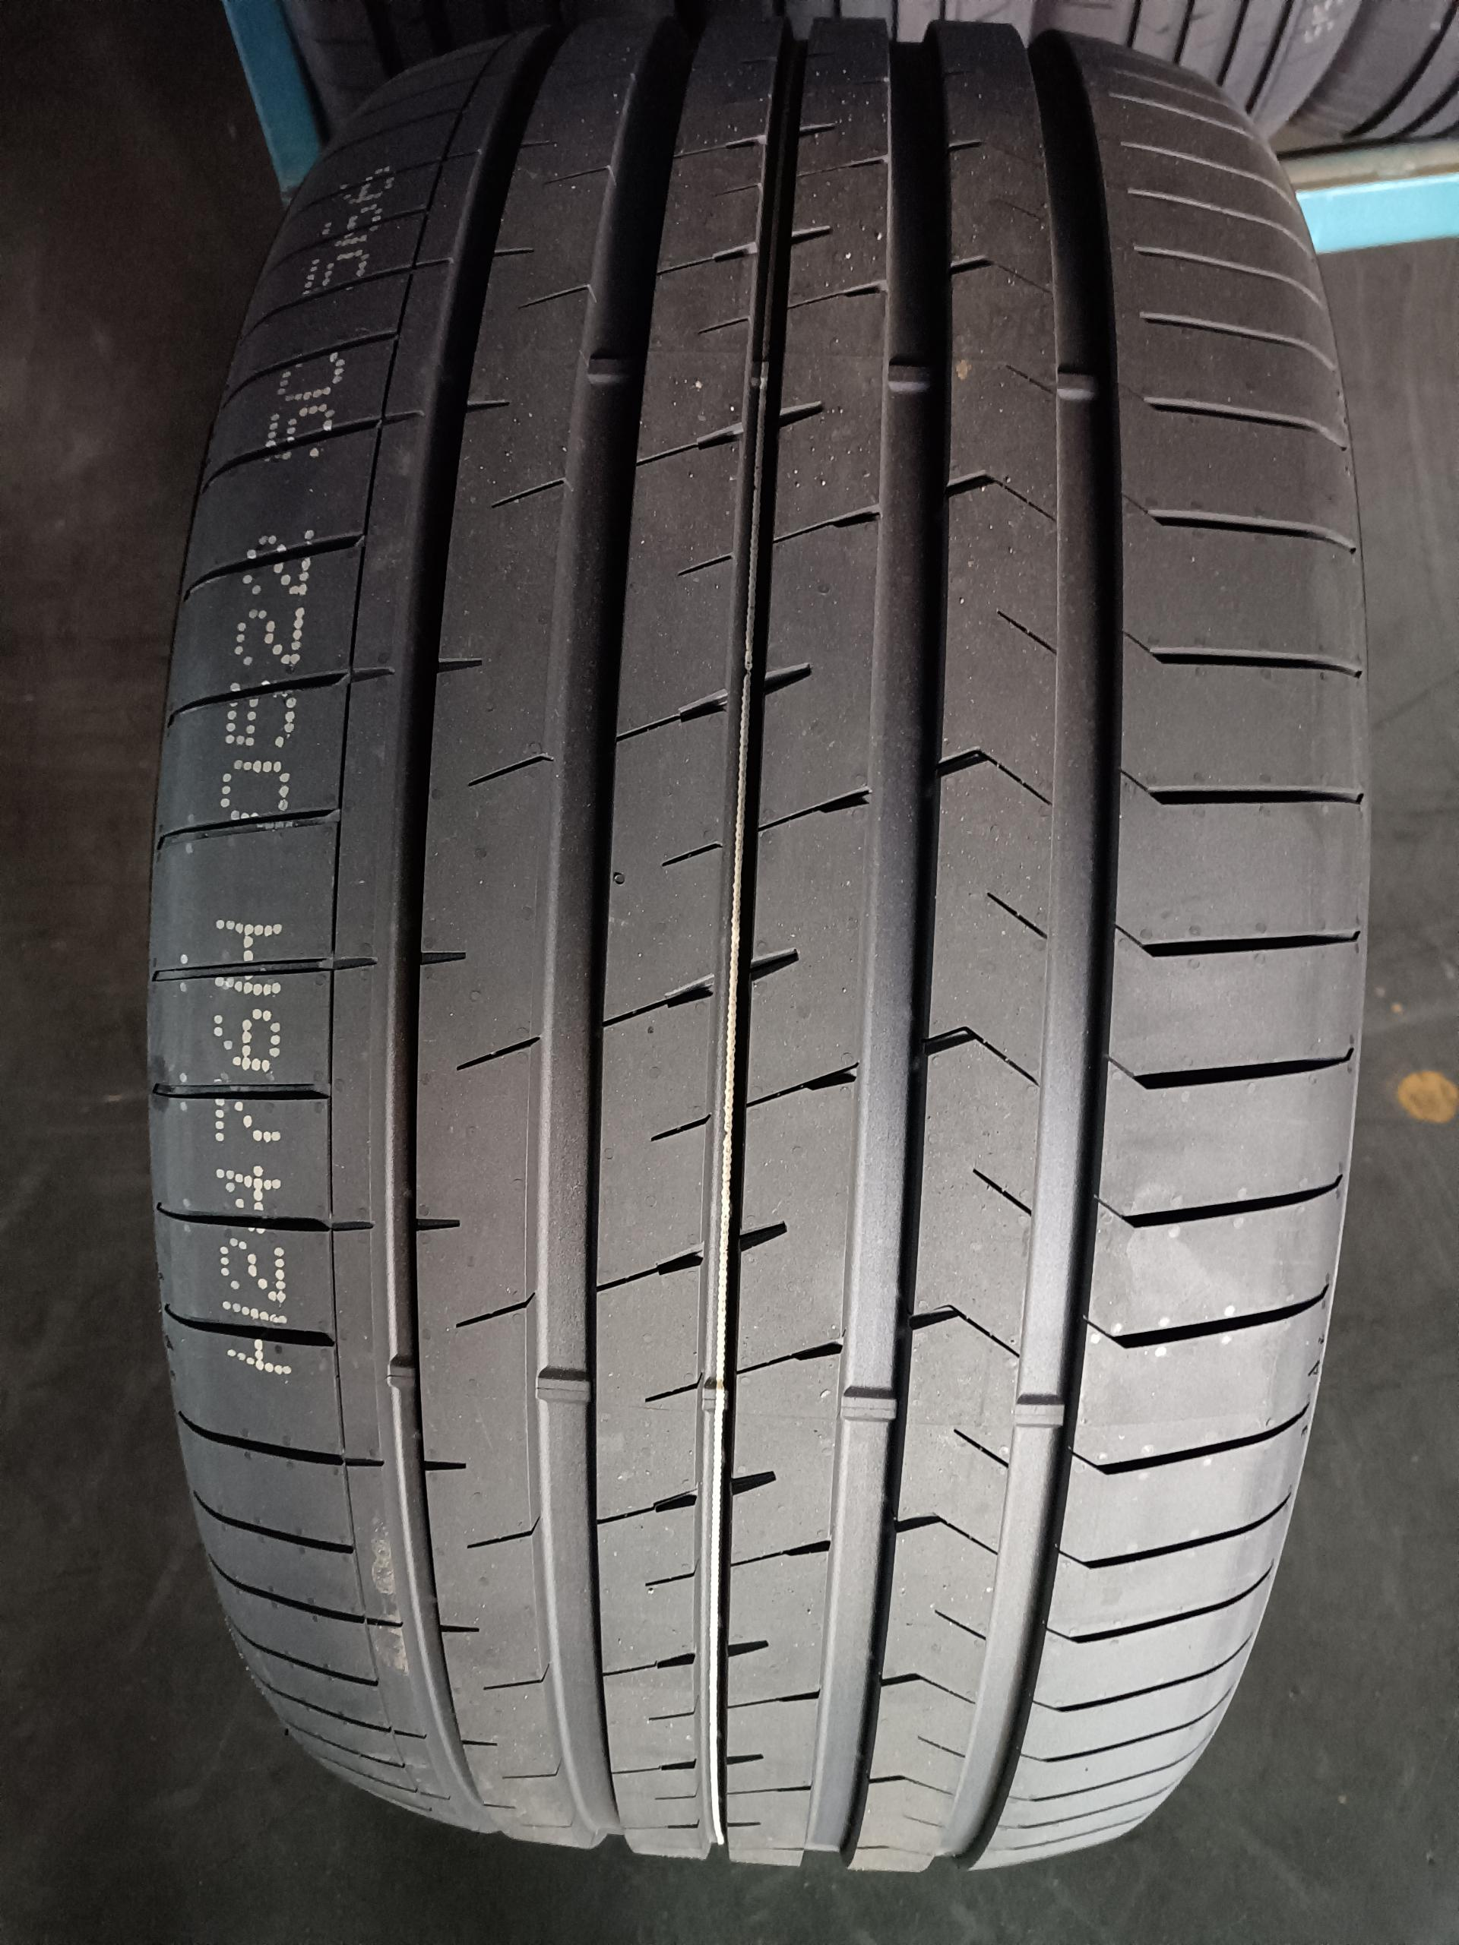 ROYAL EXPLORER II（5沟） | 7RK2452H1 | 1020055 | 265/30ZR19 | 93YXL | ROYAL EXPLORER II | BSW
 | 7RK2454H1 | 1020062 | 275/30ZR19 | 96YXL | ROYAL EXPLORER II | BSW
 | 7RK2455H4 | 1022784 | 275/35ZR19 | 100YXL | ROYAL EXPLORER II | BSW
 | 7RK2459H1 | 1019976 | 285/45ZR19 | 111YXL | ROYAL EXPLORER II | BSW
 | 7RK2467H1 | 1019977 | 275/30ZR20 | 97YXL | ROYAL EXPLORER II | BSW
 | 7RK2468H4 | 1023040 | 275/35ZR20 | 102YXL | ROYAL EXPLORER II | BSW
 | 7RK2469H1 | 1020054 | 275/50ZR20 | 113WXL | ROYAL EXPLORER II | BSW
 | 7RK2471H1 | 1020049 | 315/35ZR20 | 110YXL | ROYAL EXPLORER II | BSW
 | 7RK2476H2 | 1019825 | 315/35ZR21 | 111YXL | ROYAL EXPLORER II | BSW
 | 7RK2399H4 | 1022893 | 275/35ZR20 | 103WXL | ROYAL EXPLORER II | BSW
 | 7RK2434H1 | 1020077 | 265/35ZR18 | 97YXL | ROYAL EXPLORER II | BSW
...
ROYAL BLACK BRAND PCR OFFER
 | 7RK2823H1 | 1022015 | 285/50ZR20 | 116WXL | ROYAL EXPLORER II | BSW
 | 7RK2824H1 | 1022019 | 305/40ZR20 | 112YXL | ROYAL EXPLORER II | BSW
 | 7RK2826H1 | 1022041 | 295/35ZR21 | 107YXL | ROYAL EXPLORER II | BSW
 | 7RK2827H1 | 1022045 | 295/40ZR21 | 111YXL | ROYAL EXPLORER II | BSW
 | 7RK2828H1 | 1022053 | 265/35ZR22 | 102YXL | ROYAL EXPLORER II | BSW
 | 7RK2829H1 | 1022057 | 265/40ZR22 | 106YXL | ROYAL EXPLORER II | BSW
 | 7RK2830H1 | 1022061 | 265/45ZR22 | 110WXL | ROYAL EXPLORER II | BSW
 | 7RK2831H1 | 1022065 | 275/35ZR22 | 104YXL | ROYAL EXPLORER II | BSW
 | 7RK2832H1 | 1022069 | 275/40ZR22 | 108YXL | ROYAL EXPLORER II | BSW
 | 7RK2833H1 | 1022073 | 275/45ZR22 | 112WXL | ROYAL EXPLORER II | BSW
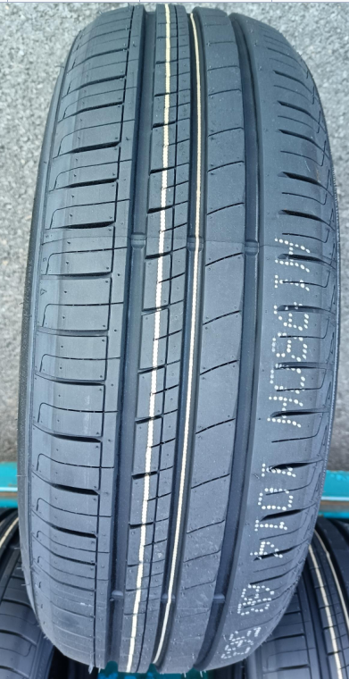 ROYALMILE（3沟） | RK1947H2 | 1028039 | 145/70R12 | 69T | ROYALMILE | BSW
 | RK1948H2 | 1028032 | 155/70R12 | 73T | ROYALMILE | BSW
 | RK1949H2 | 1028046 | 165/70R12 | 77T | ROYALMILE | BSW
 | RK2984H2 | 1028058 | 175/70R12 | 80T | ROYALMILE | WR
 | RK2007H2 | 1028052 | 175/70R12 | 80T | ROYALMILE | BSW
 | RK1950H1 | 1018204 | 145/70R13 | 71T | ROYALMILE | BSW
 | RK1951H1 | 1018257 | 145/80R13 | 75T | ROYALMILE | BSW
 | RK1952H1 | 1018207 | 155/65R13 | 73T | ROYALMILE | BSW
 | RK1953H1 | 1018101 | 155/70R13 | 75T | ROYALMILE | BSW
 | RK1954H1 | 1018212 | 155/80R13 | 79T | ROYALMILE | BSW
 | RK1955H1 | 1018213 | 165/65R13 | 77T | ROYALMILE | BSW
...
ROYAL BLACK BRAND PCR OFFER
 | RK2015H1 | 1018273 | 175/50R15 | 75H | ROYALMILE | BSW
 | RK1976H1 | 1018269 | 175/55R15 | 77H | ROYALMILE | BSW
 | RK1977H1 | 1018144 | 175/60R15 | 81H | ROYALMILE | BSW
 | RK1978H4 | 1027840 | 175/65R15 | 84H | ROYALMILE | BSW
 | RK1980H1 | 1018155 | 185/60R15 | 84H | ROYALMILE | BSW
 | RK2096H1 | 1018417 | 185/60R15 | 88HXL | ROYALMILE | BSW
 | RK1981H1 | 1018156 | 185/65R15 | 88H | ROYALMILE | BSW
 | RK2097H1 | 1018424 | 185/65R15 | 92TXL | ROYALMILE | BSW
 | RK2017H1 | 1018326 | 175/50R16 | 77V | ROYALMILE | BSW
 | RK2019H1 | 1018189 | 185/60R16 | 86H | ROYALMILE | BSW
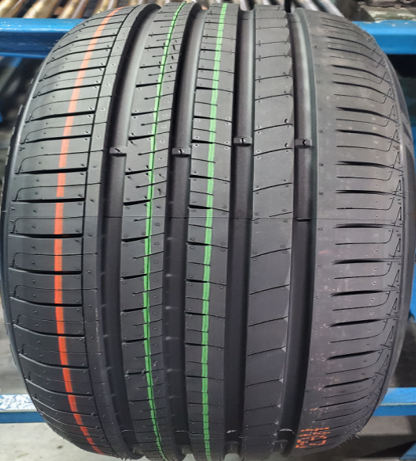 ROYALMILE（4沟） | RK2009H1 | 1018376 | 185/50R14 | 77V | ROYALMILE | BSW
 | RK1967H1 | 1018327 | 185/55R14 | 80H | ROYALMILE | BSW
 | RK1971H1 | 1018279 | 195/60R14 | 86H | ROYALMILE | BSW
 | RK2010H1 | 1018334 | 195/65R14 | 89H | ROYALMILE | BSW
 | RK1972H1 | 1018143 | 195/70R14 | 91H | ROYALMILE | BSW
 | RK1973H1 | 1018342 | 205/60R14 | 88H | ROYALMILE | BSW
 | RK1974H1 | 1018280 | 205/70R14 | 95H | ROYALMILE | BSW
 | RK1975H1 | 1018349 | 215/70R14 | 96H | ROYALMILE | BSW
 | RK2016H1 | 1018297 | 185/45R15 | 75V | ROYALMILE | BSW
 | RK1979H1 | 1018150 | 185/55R15 | 82V | ROYALMILE | BSW
 | RK2006H1 | 1018369 | 195/45R15 | 82VXL | ROYALMILE | BSW
...
ROYAL BLACK BRAND PCR OFFER
 | 3RK959H1 | 1017578 | 265/35ZR18 | 97WXL | ROYAL EXPLORER | BSW
 | 3RK513H1 | 1017572 | 225/35ZR19 | 88WXL | ROYAL EXPLORER | BSW
 | 3RK514H4 | 1023016 | 245/40ZR19 | 98WXL | ROYAL EXPLORER | BSW
 | 3RK515H4 | 1023025 | 245/45ZR19 | 102WXL | ROYAL EXPLORER | BSW
 | 3RK516H1 | 1017575 | 255/35ZR19 | 96WXL | ROYAL EXPLORER | BSW
 | 3RK960H1 | 1017579 | 275/35ZR19 | 100WXL | ROYAL EXPLORER | BSW
 | 3RK519H1 | 1017586 | 245/30ZR22 | 92WXL | ROYAL EXPLORER | BSW
 | 3RK946H1 | 1017593 | 285/45R22 | 114VXL | ROYAL EXPLORER | BSW
 | 3RK942H1 | 1017588 | 295/25ZR22 | 97WXL | ROYAL EXPLORER | BSW
 | 3RK943H1 | 1017590 | 245/30ZR24 | 94WXL | ROYAL EXPLORER | BSW
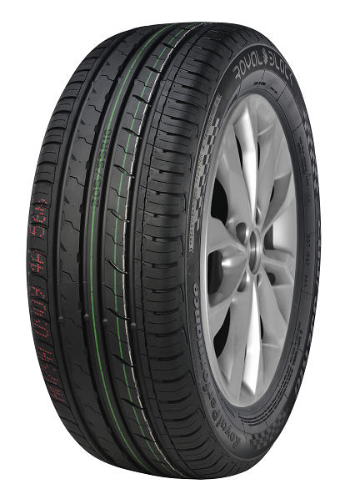 ROYAL PERFORMANCE | RK567H1 | 1012655 | 195/45R15 | 82VXL | RoyalPerformance | BSW
 | 2R076H1 | 1011776 | 195/50R15 | 82V | RoyalPerformance | BSW
 | 2R077H1 | 1011560 | 195/55R15 | 85V | RoyalPerformance | BSW
 | RK568H1 | 1011266 | 185/55R16 | 87VXL | RoyalPerformance | BSW
 | 2R280H1 | 1011814 | 195/45R16 | 84VXL | RoyalPerformance | BSW
 | RK413H1 | 1009742 | 195/50R16 | 84V | RoyalPerformance | BSW
 | RK847H1 | 1016780 | 195/50R16 | 88VXL | RoyalPerformance | BSW
 | 2R281H1 | 1011231 | 195/55R16 | 91VXL | RoyalPerformance | BSW
 | 2R117H1 | 1011788 | 205/45ZR16 | 87WXL | RoyalPerformance | BSW
 | 2R118H1 | 1011789 | 205/50ZR16 | 91WXL | RoyalPerformance | BSW
 | 2R079H1 | 1011778 | 205/55ZR16 | 94WXL | RoyalPerformance | BSW
...
ROYAL BLACK BRAND PCR OFFER
 | 2R518H1 | 1011841 | 255/45ZR20 | 105WXL | RoyalPerformance | BSW
 | 2R291H1 | 1011822 | 265/50R20 | 111VXL | RoyalPerformance | BSW
 | RK589H1 | 1012658 | 275/30ZR20 | 97WXL | RoyalPerformance | BSW
 | RK590H1 | 1012659 | 275/35ZR20 | 102WXL | RoyalPerformance | BSW
 | 2RK590HL2 | 1019590 | 275/35ZR20 | 103WXL | RoyalPerformance | BSW
 | 2R292H1 | 1011823 | 275/40R20 | 106VXL | RoyalPerformance | BSW
 | 2R131H1 | 1011800 | 275/45R20 | 110VXL | RoyalPerformance | BSW
 | 2R132H1 | 1011801 | 275/55R20 | 117VXL | RoyalPerformance | BSW
 | 2R293H1 | 1011824 | 275/60R20 | 119VXL | RoyalPerformance | BSW
 | RK600H1 | 1012926 | 285/50R20 | 116VXL | RoyalPerformance | BSW
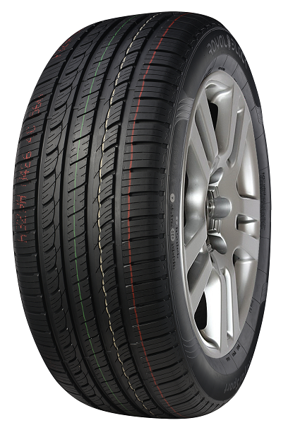 ROYAL SPORT | RK601H1 | 1012662 | 215/70R16 | 100H | ROYALSPORT | BSW
 | RK602H1 | 1012663 | 225/70R16 | 103H | ROYALSPORT | BSW
 | 2R097H1 | 1011457 | 235/70R16 | 106H | ROYALSPORT | BSW
 | 2R096H1 | 1011781 | 245/70R16 | 107H | ROYALSPORT | BSW
 | 2R241H1 | 1011809 | 255/65R16 | 109H | ROYAL SPORT | BSW
 | 2R101H1 | 1011216 | 255/70R16 | 111H | ROYALSPORT | BSW
 | 2R098H1 | 1011198 | 265/70R16 | 112H | ROYAL SPORT | BSW
 | 2R100H1 | 1011783 | 275/70R16 | 114H | ROYALSPORT | BSW
 | 2R348H1 | 1011828 | 215/60R17 | 96H | ROYAL SPORT | BSW
 | 2R242H1 | 1011810 | 215/65R17 | 99H | ROYALSPORT | BSW
 | 2R143H1 | 1011802 | 225/60R17 | 99H | ROYALSPORT | BSW
...
ROYAL BLACK BRAND PCR OFFER
 | RK631H1 | 1012674 | 275/55R20 | 117VXL | ROYALSPORT | BSW
 | 2R600H1 | 1013964 | 285/50R20 | 116VXL | ROYALSPORT | BSW
ROYAL PRIME | RK509W1 | 1014182 | P195/75R14 | 92S | Royal Prime | WR
 | RK510W1 | 1014179 | P205/75R14 | 95S | Royal Prime | WR
 | RK511W1 | 1014168 | P205/70R15 | 95S | Royal Prime | WR
 | RK073W1 | 1012603 | P205/75R15 | 97T | Royal Prime | WR
 | RK017W1 | 1012601 | P215/75R15 | 100T | Royal Prime | WR
 | RK056W1 | 1013372 | P225/70R15 | 100T | Royal Prime | WR
 | RK074W1 | 1012604 | P225/75R15 | 102T | Royal Prime | WR
 | RK018W1 | 1012602 | P235/75R15 | 105S | Royal Prime | WR
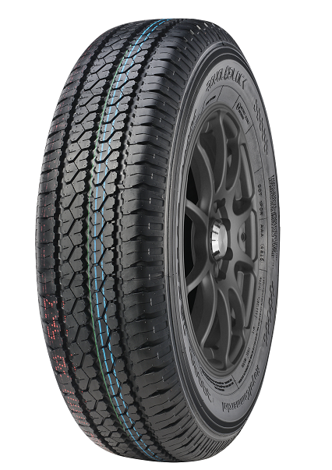 ROYAL COMMERCIAL | 2R876H1 | 1014730 | 145R12C | 86/84Q | RoyalCommercial | BSW
 | RK636H1 | 1011298 | 155R12C | 88/86R | RoyalCommercial | BSW
 | RK637H1 | 1011349 | 155R13C | 90/88R | RoyalCommercial | BSW
 | 2R447H1 | 1011832 | 165/70R14C | 89/87R | RoyalCommercial | BSW
 | 2R448H1 | 1011253 | 175/65R14C | 90/88T | RoyalCommercial | BSW
 | 2R024H1 | 1011772 | 185R14C | 102/100R | RoyalCommercial | BSW
 | 2R057H1 | 1011774 | 195R14C | 106/104R | RoyalCommercial | BSW
 | RK642H1 | 1012677 | 195/70R15C | 104/102R | RoyalCommercial | BSW
 | 2R026H1 | 1011223 | 195R15C | 106/104R | RoyalCommercial | BSW
 | 2R449H1 | 1011242 | 205/70R15C | 106/104R | RoyalCommercial | BSW
 | RK645H1 | 1012678 | 215/65R15C | 104/102T | RoyalCommercial | BSW
...
ROYAL BLACK BRAND PCR OFFER
 | RK657H1 | 1009873 | 235/65R16C | 115/113T | RoyalCommercial | BSW
ROYAL VAN | RK239W1 | 1013132 | 155R13C | 85/83R | ROYAL VAN | BSW
 | RK093W1 | 1011324 | 155R13C | 90/88R | ROYAL VAN | BSW
 | RK781W1 | 1014098 | 165R13C | 91/89R | ROYAL VAN | BSW
 | RK060W1 | 1011102 | 185R14C | 102/100R | ROYAL VAN | WR
 | RK061W1 | 1010189 | 195R14C | 106/104R | ROYAL VAN | WR
 | RK141W1 | 1012606 | 205/75R14C | 109/107R | ROYAL VAN | WR
 | RK092W1 | 1012605 | 185R15C | 103/102R | ROYAL VAN | WR
 | RK062W1 | 1009922 | 195R15C | 106/104R | ROYAL VAN | WR
 | RK142W1 | 1012607 | 205/75R15C | 109/107R | ROYAL VAN | WR
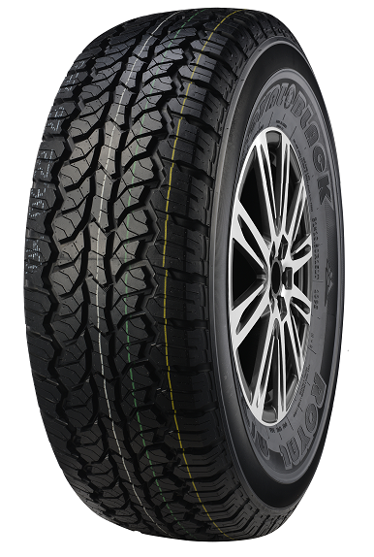 ROYAL A/T | RK783H1 | 1016984 | P205/75R15 | 97T | ROYAL A/T | OWL
 | RK067H1 | 1017088 | P215/75R15 | 100T | ROYAL A/T | OWL
 | RK784H1 | 1017231 | P225/75R15 | 102T | ROYAL A/T | OWL
 | RK064H1 | 1017063 | P235/75R15 | 109SXL | ROYAL A/T | OWL
 | RK785H1 | 1016997 | P265/70R15 | 112T | ROYAL A/T | OWL
 | RK136H1 | 1016919 | P215/70R16 | 99T | ROYAL A/T | BSW
 | RK307H1 | 1016963 | P215/70R16 | 100T | ROYAL A/T | BSW
 | RK137H1 | 1017142 | P225/70R16 | 101T | ROYAL A/T | OWL
 | RK308H1 | 1017169 | P225/70R16 | 103T | ROYAL A/T | OWL
 | RK068H1 | 1017097 | P235/70R16 | 104T | ROYAL A/T | OWL
 | RK309H1 | 1017178 | P235/70R16 | 106T | ROYAL A/T | OWL
...
ROYAL BLACK BRAND PCR OFFER
 | RK306H1 | 1015254 | LT285/70R17(POR) | 121/118Q | ROYAL M/T | BSW
 | RK996H1 | 1016232 | 33×12.50R17LT(POR) | 120Q | ROYAL M/T | BSW
 | RK512H1 | 1015267 | 35×12.50R17LT(POR) | 121Q | ROYAL M/T | BSW
 | RK997W1 | 1016239 | 37×12.50R17LT | 124Q | ROYAL M/T | BSW
 | RK998H1 | 1016246 | 33×12.50R18LT(POR) | 118Q | ROYAL M/T | BSW
 | RK999W1 | 1016259 | 35×12.50R18LT | 123Q | ROYAL M/T | BSW
ROYAL M/T II | RK843W1 | 1015356 | 33×12.50R20LT | 114Q | ROYAL M/T II | BSW
 | RK844W1 | 1015350 | 35×12.50R20LT | 121Q | ROYAL M/T II | BSW
 | RK845W1 | 1015333 | 35×12.50R22LT | 117Q | ROYAL M/T II | BSW
 | RK846W1 | 1015328 | 37×12.50R22LT | 123Q | ROYAL M/T II | BSW
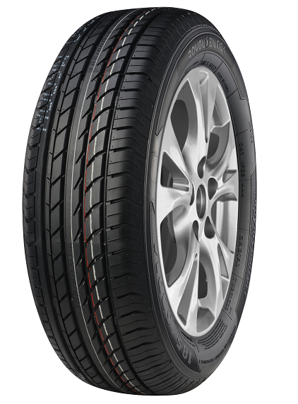 ROYAL COMFORT | 1RK813H1 | 1014962 | 155/65R13 | 73T | Royal Comfort | BSW
 | 1RK815H1 | 1014970 | 165/65R13 | 77T | Royal Comfort | BSW
 | 1RK816H1 | 1014974 | 165/70R13 | 79T | Royal Comfort | BSW
 | RK755H1 | 1014984 | 165/80R13 | 83T | Royal Comfort | BSW
 | 1RK885H1 | 1014990 | 175/70R13 | 82T | Royal Comfort | BSW
 | 1RK886H1 | 1014996 | 185/70R13 | 86T | Royal Comfort | BSW
 | 1RK818H1 | 1015000 | 175/65R14 | 82H | Royal Comfort | BSW
 | 1RK819H1 | 1015006 | 175/70R14 | 84H | Royal Comfort | BSW
 | RK009H1 | 1014798 | 185/60R14 | 82H | Royal Comfort | BSW
 | 1RK821H1 | 1015012 | 185/65R14 | 86H | Royal Comfort | BSW
 | 1RK822H1 | 1015018 | 185/70R14 | 88H | Royal Comfort | BSW
...
ROYAL BLACK BRAND PCR OFFER
 | 1RK799H1 | 1014813 | 205/55R16 | 91V | Royal Comfort | BSW
 | 1RK800H1 | 1014949 | 205/60R16 | 92V | Royal Comfort | BSW
 | RK888H1 | 1014832 | 205/65R16 | 95H | Royal Comfort | BSW
 | RK013H1 | 1014858 | 215/55R16 | 93H | Royal Comfort | BSW
 | RK014H1 | 1014867 | 215/60R16 | 95H | Royal Comfort | BSW
 | 1RK803H1 | 1014955 | 215/65R16 | 98H | Royal Comfort | BSW
 | 1RK805H1 | 1014894 | 225/60R16 | 98H | Royal Comfort | BSW
 | 1RK806H1 | 1014900 | 235/60R16 | 100H | Royal Comfort | BSW
GAZILL | RK872H1 | 1017893 | 185/75R16C | 104/102R | GAZILL | BSW
 | RK1284W1 | 1020217 | 195/75R16C | 107/105R | GAZILL | BSW
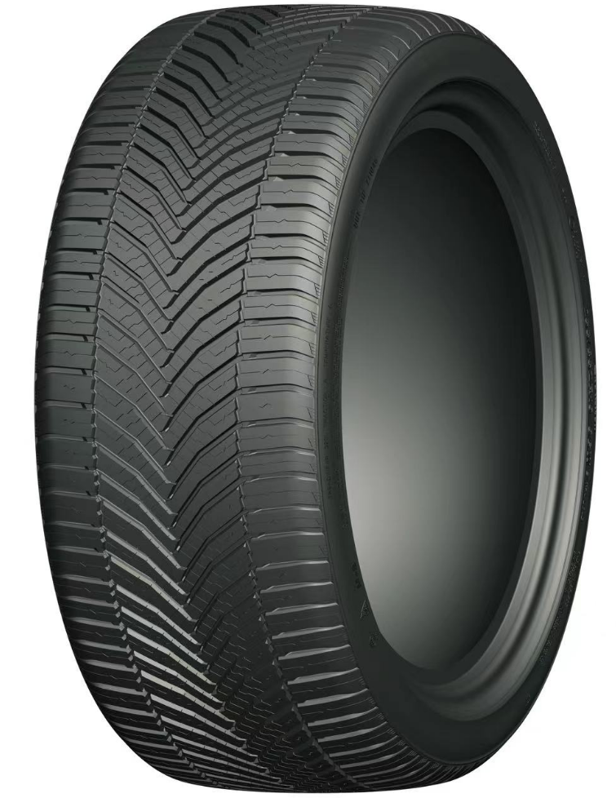 ROYAL A/S II | 2RK2950H1 | 1022667 | 185/65R14 | 86H | ROYAL A/S II | BSW
 | 2RK2951H1 | 1022671 | 185/70R14 | 88H | ROYAL A/S II | BSW
 | 2RK2955H1 | 1022721 | 175/65R14 | 86TXL | ROYAL A/S II | BSW
 | 2RK2956H1 | 1022725 | 175/65R15 | 84H | ROYAL A/S II | BSW
 | 2RK2957H1 | 1022701 | 185/55R15 | 82V | ROYAL A/S II | BSW
 | 2RK2958H1 | 1022705 | 185/60R15 | 88HXL | ROYAL A/S II | BSW
 | 2RK2959H1 | 1022709 | 185/65R15 | 92TXL | ROYAL A/S II | BSW
 | 2RK2960H1 | 1022742 | 205/60R16 | 96HXL | ROYAL A/S II | BSW
 | 2RK2961H1 | 1022713 | 215/60R16 | 99HXL | ROYAL A/S II | BSW
 | 2RK2962H1 | 1022717 | 215/65R16 | 102HXL | ROYAL A/S II | BSW
 | 2RK2963H1 | 1022734 | 205/45ZR17 | 88WXL | ROYAL A/S II | BSW
...
ROYAL BLACK BRAND PCR OFFER
 | 2RK2598H1 | 1021205 | 225/45ZR19 | 96WXL | ROYAL A/S II | BSW
 | 2RK2599H4 | 1022811 | 225/55ZR19 | 99W | ROYAL A/S II | BSW
 | 2RK2600H1 | 1021211 | 235/35ZR19 | 91WXL | ROYAL A/S II | BSW
 | 2RK2601H1 | 1021214 | 235/55ZR19 | 105WXL | ROYAL A/S II | BSW
 | 2RK2602H1 | 1021217 | 245/40ZR19 | 98WXL | ROYAL A/S II | BSW
 | 2RK2603H4 | 1022816 | 245/45ZR19 | 102WXL | ROYAL A/S II | BSW
 | 2RK2604H1 | 1021223 | 255/35ZR19 | 96WXL | ROYAL A/S II | BSW
 | 2RK2605H4 | 1022821 | 255/40ZR19 | 100WXL | ROYAL A/S II | BSW
 | 2RK2606H1 | 1021229 | 195/50R20 | 93HXL | ROYAL A/S II | BSW
 | 2RK2607H1 | 1021232 | 195/55R20 | 95HXL | ROYAL A/S II | BSW
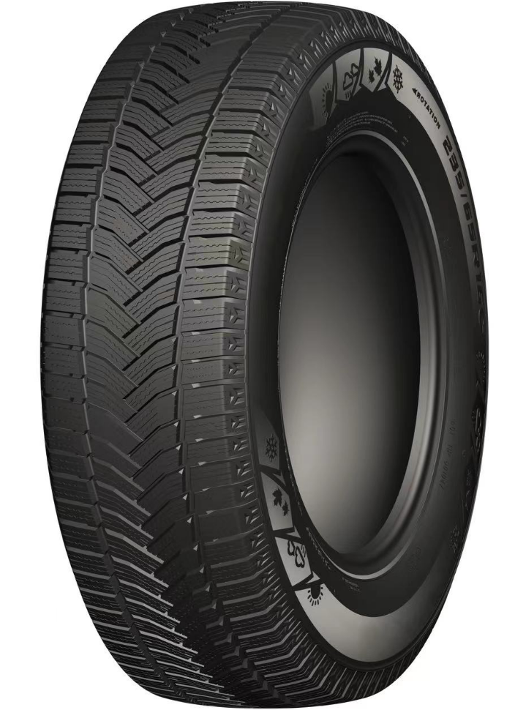 ROYAL VAN A/S | 2RK2608H1 | 1021235 | 175/65R14C | 90/88T | ROYAL VAN A/S | BSW
 | 2RK2609H1 | 1021238 | 175/70R14C | 95/93T | ROYAL VAN A/S | BSW
 | 2RK2610H1 | 1021241 | 195/70R15C | 104/102R | ROYAL VAN A/S | BSW
 | 2RK2611H1 | 1021244 | 205/70R15C | 106/104R | ROYAL VAN A/S | BSW
 | 2RK2612H1 | 1021247 | 215/65R15C | 104/102T | ROYAL VAN A/S | BSW
 | 2RK2613H1 | 1021250 | 215/70R15C | 109/107R | ROYAL VAN A/S | BSW
 | 2RK2614H1 | 1021253 | 225/70R15C | 112/110R | ROYAL VAN A/S | BSW
 | 2RK2615H1 | 1021256 | 185/75R16C | 104/102R | ROYAL VAN A/S | BSW
 | 2RK2616H1 | 1021259 | 195/60R16C | 99/97H | ROYAL VAN A/S | BSW
 | 2RK2617H1 | 1021262 | 195/65R16C | 104/102T | ROYAL VAN A/S | BSW
 | 2RK2618H1 | 1021265 | 195/75R16C | 107/105R | ROYAL VAN A/S | BSW
 | 2RK2619H1 | 1021268 | 205/65R16C | 107/105T | ROYAL VAN A/S | BSW
 | 2RK2620H1 | 1021271 | 205/75R16C | 113/111R | ROYAL VAN A/S | BSW
 | 2RK2621H1 | 1021274 | 215/60R16C | 103/101T | ROYAL VAN A/S | BSW
 | 2RK2622H1 | 1021277 | 215/65R16C | 109/107T | ROYAL VAN A/S | BSW
 | 2RK2623H1 | 1021280 | 215/75R16C | 113/111R | ROYAL VAN A/S | BSW
 | 2RK2624H1 | 1021283 | 225/65R16C | 112/110R | ROYAL VAN A/S | BSW
 | 2RK2625H1 | 1021286 | 225/75R16C | 121/120R | ROYAL VAN A/S | BSW
 | 2RK2626H1 | 1021289 | 235/65R16C | 115/113R | ROYAL VAN A/S | BSW
 | 2RK2964H1 | 1022738 | 225/55R17C | 109/107H | ROYAL VAN A/S | BSW
 | 2RK2627H1 | 1021292 | 215/60R17C | 109/107T | ROYAL VAN A/S | BSW
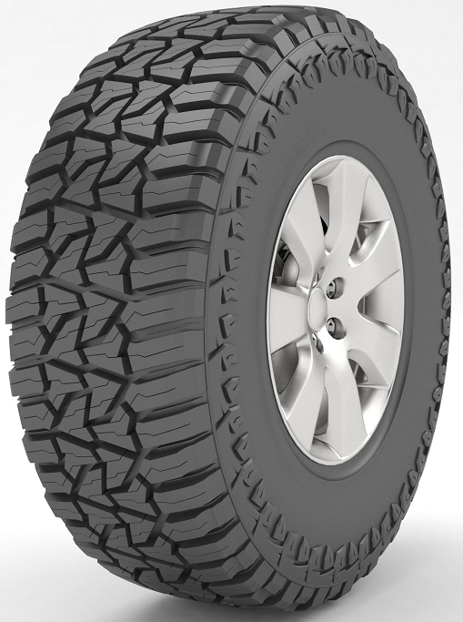 SPIDER-R/T | 2RK2342H1 | 1019631 | LT265/65R17 | 120/117S | SPIDER-R/T | OWL
 | 2RK2343H1 | 1019632 | LT265/60R18 | 119/116S | SPIDER-R/T | OWL
 | 2RK2290H1 | 1018895 | 33×12.50R20LT | 114Q | SPIDER-R/T | BSW
 | 2RK2291H1 | 1019555 | 35×12.50R20LT | 121Q | SPIDER-R/T | BSW
 | 2RK2292H1 | 1019434 | 33×12.50R22LT | 109Q | SPIDER-R/T | BSW
 | 2RK2293H1 | 1019431 | 35×12.50R22LT | 117Q | SPIDER-R/T | BSW
SPIDER R/T | 2RK2535H1 | 1021373 | LT235/85R16(POR) | 120/116Q | SPIDER R/T | BSW
 | 2RK2536H1 | 1021376 | LT225/75R16(POR) | 115/112Q | SPIDER R/T | BSW
 | 2RK2537H1 | 1021379 | LT235/75R15(POR) | 110/107Q | SPIDER R/T | BSW
 | 2RK2538H1 | 1021382 | LT245/75R16(POR) | 120/116Q | SPIDER R/T | BSW
 | 2RK2539H1 | 1021385 | LT265/75R16 | 123/120Q | SPIDER R/T | BSW
...

