Roadking Brand Summer tire
RoadKing Brand Summer PCR & LTR Lists |  |  |  |  |  |  |  |  |  | Total： | 0 | 0.00
Supply | Size | Load | Tire | Pattern | EULABELLING |  |  |  | Weight | Loading | Order | Qty/40HQ
Proforma | Description | Speed | Range | Name | R | W | dB(A) | LV | Kg | 40HQ | PCS | Containers
RKTRR1201 | 145/80R12 | 73T | 4PR | ARGOS TOURING | C | C | 70 | B | 5.02 | 2590 |  | 0.00
RKTRR1202 | 155/70R12 | 73T | 4PR | ARGOS TOURING | C | C | 70 | B | 4.97 | 2590 |  | 0.00
RKTRR1203 | 155/80R12 | 77T | 4PR | ARGOS TOURING | C | C | 70 | B | 5.37 | 2340 |  | 0.00
RKTRR1204 | 165/70R12 | 77T | 4PR | ARGOS TOURING | C | C | 70 | B | 5.36 | 2140 |  | 0.00
RKTRR1205 | 175/70R12 | 81T | 4PR | ARGOS TOURING | C | C | 70 | B | 5.64 | 2140 |  | 0.00
RKTRR1301 | 145/70R13 | 71T | 4PR | ARGOS TOURING | C | C | 70 | B | 4.97 | 2350 |  | 0.00
RKTRR1302 | 145/80R13 | 75T | 4PR | ARGOS TOURING | C | C | 70 | B | 5.32 | 2300 |  | 0.00
RKTRR1303 | 155/65R13 | 73T | 4PR | ARGOS TOURING | C | C | 70 | B | 5.17 | 2260 |  | 0.00
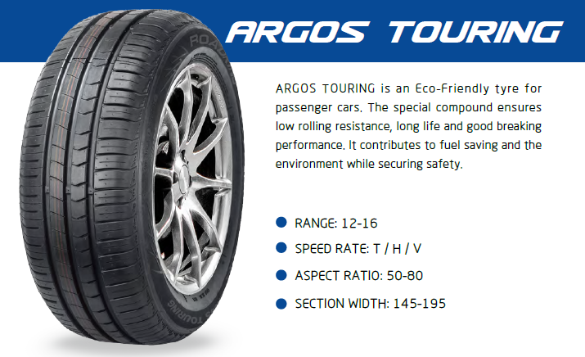
RKTRR1304 | 155/70R13 | 75T | 4PR | ARGOS TOURING | C | C | 70 | B | 5.27 | 2240 |  | 0.00
RKTRR1305 | 155/80R13 | 79T | 4PR | ARGOS TOURING | C | C | 70 | B | 5.64 | 2190 |  | 0.00
RKTRR1306 | 165/55R13 | 70H | 4PR | ARGOS TOURING | C | C | 70 | B | 5.38 | 2040 |  | 0.00
RKTRR1307 | 165/65R13 | 77T | 4PR | ARGOS TOURING | C | C | 70 | B | 5.53 | 2090 |  | 0.00
RKTRR1308 | 165/70R13 | 79T | 4PR | ARGOS TOURING | C | C | 70 | B | 5.71 | 2020 |  | 0.00
RKTRR1309 | 165/80R13 | 83T | 4PR | ARGOS TOURING | C | C | 70 | B | 6.15 | 1990 |  | 0.00
RKTRR1310 | 175/60R13 | 77H | 4PR | ARGOS TOURING | C | C | 70 | B | 5.80 | 1990 |  | 0.00
RKTRR1311 | 175/65R13 | 80T | 4PR | ARGOS TOURING | C | C | 70 | B | 6.01 | 1990 |  | 0.00
RKTRR1312 | 175/70R13 | 82T | 4PR | ARGOS TOURING | C | C | 70 | B | 6.02 | 1980 |  | 0.00
RKTRR1313 | 185/70R13 | 86T | 4PR | ARGOS TOURING | C | C | 70 | B | 6.40 | 1640 |  | 0.00
RKTRR1401 | 155/65R14 | 75T | 4PR | ARGOS TOURING | C | C | 70 | B | 5.48 | 2300 |  | 0.00
RKTRR1402 | 165/60R14 | 75H | 4PR | ARGOS TOURING | C | C | 70 | B | 5.64 | 2090 |  | 0.00
RKTRR1403 | 165/65R14 | 79T | 4PR | ARGOS TOURING | C | C | 70 | B | 5.85 | 1940 |  | 0.00
RKTRR1404 | 165/70R14 | 81T | 4PR | ARGOS TOURING | C | C | 70 | B | 6.05 | 1870 |  | 0.00
RKTRR1405 | 165/70R14 | 85TXL | 4PR | ARGOS TOURING | C | C | 70 | B | 6.29 | 1870 |  | 0.00
RKTRR1406 | 175/60R14 | 79H | 4PR | ARGOS TOURING | C | C | 70 | B | 6.16 | 1880 |  | 0.00
RKTRR1407 | 175/65R14 | 82H | 4PR | ARGOS TOURING | C | C | 70 | B | 6.38 | 1820 |  | 0.00
RKTRR1408 | 175/65R14 | 86TXL | 4PR | ARGOS TOURING | C | C | 70 | B | 6.65 | 1820 |  | 0.00
RKTRR1409 | 175/70R14 | 84T | 4PR | ARGOS TOURING | C | C | 70 | B | 6.38 | 1780 |  | 0.00
RKTRR1410 | 175/70R14 | 88TXL | 4PR | ARGOS TOURING | C | C | 70 | B | 6.64 | 1780 |  | 0.00
RKTRR1411 | 185/50R14 | 77V | 4PR | ARGOS TOURING | C | C | 70 | B | 6.32 | 1670 |  | 0.00
RKTRR1412 | 185/55R14 | 80H | 4PR | ARGOS TOURING | C | C | 70 | B | 6.62 | 1620 |  | 0.00
RKTRR1413 | 185/60R14 | 82H | 4PR | ARGOS TOURING | C | C | 70 | B | 6.47 | 1610 |  | 0.00
RKTRR1419 | 185/65R14 | 86T | 4PR | ARGOS TOURING | C | C | 70 | B | 6.72 | 1590 |  | 0.00
RKTRR1414 | 185/65R14 | 86H | 4PR | ARGOS TOURING | C | C | 70 | B | 6.72 | 1590 |  | 0.00
RKTRR1415 | 185/70R14 | 88T | 4PR | ARGOS TOURING | C | C | 70 | B | 6.81 | 1540 |  | 0.00
RKTRR1416 | 195/60R14 | 86H | 4PR | ARGOS TOURING | C | C | 70 | B | 7.23 | 1490 |  | 0.00
RKTRR1417 | 195/65R14 | 89H | 4PR | ARGOS TOURING | C | C | 70 | B | 7.32 | 1300 |  | 0.00
RKTRR1418 | 195/70R14 | 91T | 4PR | ARGOS TOURING | C | C | 70 | B | 7.41 | 1390 |  | 0.00
RKTRR1501 | 135/70R15 | 70T | 4PR | ARGOS TOURING | C | C | 70 | B | 5.16 | 2340 |  | 0.00
RKTRR1502 | 145/65R15 | 72T | 4PR | ARGOS TOURING | C | C | 70 | B | 5.47 | 2240 |  | 0.00
RKTRR1503 | 155/60R15 | 74T | 4PR | ARGOS TOURING | C | C | 70 | B | 5.63 | 2040 |  | 0.00
RKTRR1504 | 165/60R15 | 81TXL | 4PR | ARGOS TOURING | C | C | 70 | B | 6.03 | 1940 |  | 0.00
RKTRR1505 | 165/65R15 | 81T | 4PR | ARGOS TOURING | C | C | 70 | B | 6.18 | 1890 |  | 0.00
RKTRR1506 | 175/55R15 | 77T | 4PR | ARGOS TOURING | C | C | 70 | B | 6.36 | 1640 |  | 0.00
RKTRR1507 | 175/60R15 | 81V | 4PR | ARGOS TOURING | C | C | 70 | B | 6.77 | 1840 |  | 0.00
RKTRR1508 | 175/65R15 | 84H | 4PR | ARGOS TOURING | C | C | 70 | B | 6.73 | 1640 |  | 0.00
RKTRR1519 | 185/55R15 | 82H | 4PR | ARGOS TOURING | C | C | 70 | B | 6.73 | 1590 |  | 0.00
RKTRR1509 | 185/55R15 | 82V | 4PR | ARGOS TOURING | C | C | 70 | B | 6.73 | 1590 |  | 0.00
RKTRR1510 | 185/60R15 | 84H | 4PR | ARGOS TOURING | C | C | 70 | B | 7.11 | 1590 |  | 0.00
RKTRR1511 | 185/60R15 | 88HXL | 4PR | ARGOS TOURING | C | C | 70 | B | 7.11 | 1590 |  | 0.00
RKTRR1520 | 185/65R15 | 88T | 4PR | ARGOS TOURING | C | C | 70 | B | 7.13 | 1480 |  | 0.00
RKTRR1512 | 185/65R15 | 88H | 4PR | ARGOS TOURING | C | C | 70 | B | 7.13 | 1480 |  | 0.00
RKTRR1513 | 185/65R15 | 92TXL | 4PR | ARGOS TOURING | C | C | 70 | B | 7.42 | 1460 |  | 0.00
RKTRR1514 | 195/60R15 | 88H | 4PR | ARGOS TOURING | C | C | 70 | B | 7.62 | 1300 |  | 0.00
RKTRR1515 | 195/60R15 | 88V | 4PR | ARGOS TOURING | C | C | 70 | B | 7.62 | 1300 |  | 0.00
RKTRR1516 | 195/65R15 | 91H | 4PR | ARGOS TOURING | C | C | 70 | B | 7.82 | 1270 |  | 0.00
RKTRR1517 | 195/65R15 | 91V | 4PR | ARGOS TOURING | C | C | 70 | B | 7.82 | 1270 |  | 0.00
RKTRR1518 | 195/65R15 | 95TXL | 4PR | ARGOS TOURING | C | C | 70 | B | 8.14 | 1270 |  | 0.00
RKTRR1601 | 175/50R16 | 77V | 4PR | ARGOS TOURING | C | C | 70 | B | 6.87 | 1540 |  | 0.00
RKTRR1602 | 185/50R16 | 81V | 4PR | ARGOS TOURING | C | C | 70 | B | 7.11 | 1490 |  | 0.00
RKTRR1603 | 185/55R16 | 83H | 4PR | ARGOS TOURING | C | C | 70 | B | 7.47 | 1490 |  | 0.00
RKTRR1604 | 185/55R16 | 87VXL | 4PR | ARGOS TOURING | C | C | 70 | B | 7.37 | 1490 |  | 0.00
RKHPR1501 | 195/50R15 | 82V | 4PR | ARGOS HP | C | B | 69 | B | 7.02 | 1400 |  | 0.00
RKHPR1502 | 195/55R15 | 85V | 4PR | ARGOS HP | C | B | 69 | B | 7.39 | 1400 |  | 0.00
RKHPR1503 | 205/60R15 | 91V | 4PR | ARGOS HP | C | B | 69 | B | 8.26 | 1240 |  | 0.00
RKHPR1504 | 205/65R15 | 94H | 4PR | ARGOS HP | C | B | 69 | B | 8.35 | 1180 |  | 0.00
RKHPR1505 | 205/65R15 | 94V | 4PR | ARGOS HP | C | B | 69 | B | 8.35 | 1180 |  | 0.00
RKHPR1506 | 205/70R15 | 96T | 4PR | ARGOS HP | C | B | 69 | B | 8.96 | 1180 |  | 0.00
RKHPR1507 | 205/75R15 | 97T | 4PR | ARGOS HP | C | B | 69 | B | 9.12 | 1180 |  | 0.00
RKHPR1508 | 215/65R15 | 96H | 4PR | ARGOS HP | C | B | 69 | B | 9.32 | 1100 |  | 0.00
RKHPR1610 | 195/50R16 | 84H | 4PR | ARGOS HP | C | B | 69 | B | 7.90 | 1420 |  | 0.00
RKHPR1601 | 195/50R16 | 84V | 4PR | ARGOS HP | C | B | 69 | B | 7.90 | 1420 |  | 0.00
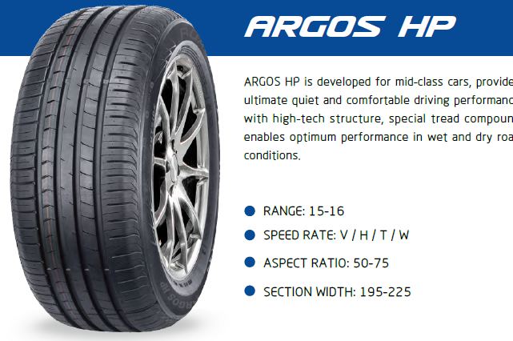
RKHPR1618 | 195/55R16 | 87H | 4PR | ARGOS HP | C | B | 69 | B | 7.78 | 1350 |  | 0.00
RKHPR1602 | 195/55R16 | 87V | 4PR | ARGOS HP | C | B | 69 | B | 7.78 | 1350 |  | 0.00
RKHPR1615 | 195/55R16 | 91VXL | 4PR | ARGOS HP | C | B | 69 | A | 7.78 | 1350 |  | 0.00
RKHPR1622 | 195/60R16 | 89H | 4PR | ARGOS HP | C | B | 69 | B | 7.66 | 1300 |  | 0.00
RKHPR1603 | 205/50R16 | 87W | 4PR | ARGOS HP | C | B | 69 | B | 7.96 | 1150 |  | 0.00
RKHPR1616 | 205/50R16 | 91WXL | 4PR | ARGOS HP | C | B | 69 | A | 7.96 | 1150 |  | 0.00
RKHPR1620 | 205/55R16 | 91H | 4PR | ARGOS HP | C | B | 69 | B | 8.41 | 1230 |  | 0.00
RKHPR1604 | 205/55R16 | 91V | 4PR | ARGOS HP | C | B | 69 | B | 8.41 | 1230 |  | 0.00
RKHPR1605 | 205/55R16 | 91W | 4PR | ARGOS HP | C | B | 69 | B | 8.41 | 1230 |  | 0.00
RKHPR1617 | 205/55R16 | 94WXL | 4PR | ARGOS HP | C | B | 69 | A | 8.41 | 1180 |  | 0.00
RKHPR1606 | 205/60R16 | 92V | 4PR | ARGOS HP | C | B | 69 | B | 8.68 | 1100 |  | 0.00
RKHPR1607 | 205/60R16 | 96VXL | 4PR | ARGOS HP | C | B | 69 | A | 9.10 | 1100 |  | 0.00
RKHPR1608 | 215/55R16 | 97WXL | 4PR | ARGOS HP | C | B | 69 | A | 9.62 | 990 |  | 0.00
RKHPR1621 | 215/60R16 | 95H | 4PR | ARGOS HP | C | B | 69 | B | 9.62 | 997 |  | 0.00
RKHPR1609 | 215/60R16 | 95V | 4PR | ARGOS HP | C | B | 69 | B | 9.62 | 997 |  | 0.00
RKHPR1611 | 215/65R16 | 98H | 4PR | ARGOS HP | C | B | 69 | B | 9.89 | 1050 |  | 0.00
RKHPR1619 | 225/55R16 | 99VXL | 4PR | ARGOS HP | C | B | 69 | A | 10.06 | 900 |  | 0.00
RKHPR1612 | 225/55R16 | 99WXL | 4PR | ARGOS HP | C | B | 69 | A | 10.06 | 900 |  | 0.00
RKHPR1613 | 225/60R16 | 98H | 4PR | ARGOS HP | C | B | 69 | B | 10.15 | 950 |  | 0.00
RKHPR1614 | 225/60R16 | 102VXL | 4PR | ARGOS HP | C | B | 69 | A | 10.15 | 950 |  | 0.00
RKUHPR1501 | 195/45R15 | 78V | 4PR | ARGOS UHP | C | B | 69 | B | 7.08 | 1450 |  | 0.00
RKUHPR1601 | 195/45R16 | 84VXL | 4PR | ARGOS UHP | C | B | 69 | A | 7.69 | 1370 |  | 0.00
RKUHPR1602 | 205/45ZR16 | 87WXL | 4PR | ARGOS UHP | C | B | 69 | A | 8.14 | 1250 |  | 0.00
RKUHPR1603 | 205/55ZR16 | 94WXL | 4PR | ARGOS UHP | C | B | 69 | A | 8.92 | 1180 |  | 0.00
RKUHPR1604 | 215/40ZR16 | 86WXL | 4PR | ARGOS UHP | C | B | 69 | A | 8.07 | 1250 |  | 0.00
RKUHPR1605 | 215/45R16 | 90VXL | 4PR | ARGOS UHP | C | B | 69 | A | 8.38 | 1250 |  | 0.00
RKUHPR1718 | 195/40ZR17 | 81WXL | 4PR | ARGOS UHP | C | B | 69 | A | 7.76 | 1400 |  | 0.00
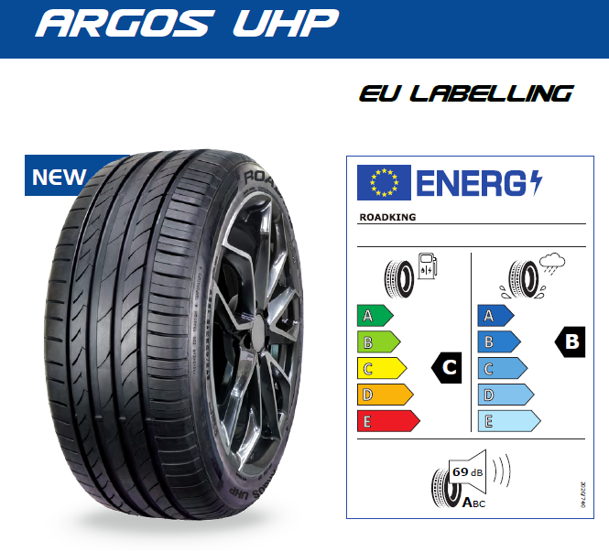
RKUHPR1701 | 195/45ZR17 | 85WXL | 4PR | ARGOS UHP | C | B | 69 | A | 8.19 | 1380 |  | 0.00
RKUHPR1702 | 205/40ZR17 | 84WXL | 4PR | ARGOS UHP | C | B | 69 | A | 8.21 | 1260 |  | 0.00
RKUHPR1703 | 205/45ZR17 | 88WXL | 4PR | ARGOS UHP | C | B | 69 | A | 8.63 | 1200 |  | 0.00
RKUHPR1704 | 205/50ZR17 | 93WXL | 4PR | ARGOS UHP | C | B | 69 | A | 9.11 | 1160 |  | 0.00
RKUHPR1705 | 205/55ZR17 | 95WXL | 4PR | ARGOS UHP | C | B | 69 | A | 9.87 | 1100 |  | 0.00
RKUHPR1706 | 215/40ZR17 | 87WXL | 4PR | ARGOS UHP | C | B | 69 | A | 8.58 | 1200 |  | 0.00
RKUHPR1707 | 215/45ZR17 | 91WXL | 4PR | ARGOS UHP | C | B | 69 | A | 8.95 | 1130 |  | 0.00
RKUHPR1708 | 215/50ZR17 | 95WXL | 4PR | ARGOS UHP | C | B | 69 | A | 9.86 | 970 |  | 0.00
RKUHPR1709 | 215/55ZR17 | 98WXL | 4PR | ARGOS UHP | C | B | 69 | A | 10.29 | 920 |  | 0.00
RKUHPR1710 | 225/45ZR17 | 94YXL | 4PR | ARGOS UHP | C | B | 69 | A | 9.61 | 1020 |  | 0.00
RKUHPR1711 | 225/50ZR17 | 98YXL | 4PR | ARGOS UHP | C | B | 69 | A | 10.56 | 920 |  | 0.00
RKUHPR1712 | 225/55ZR17 | 101WXL | 4PR | ARGOS UHP | C | B | 69 | A | 10.74 | 880 |  | 0.00
RKUHPR1713 | 235/45ZR17 | 97WXL | 4PR | ARGOS UHP | C | B | 69 | A | 10.40 | 920 |  | 0.00
RKUHPR1719 | 235/50ZR17 | 100WXL | 5PR | ARGOS UHP | C | B | 69 | A | 10.69 | 800 |  | 0.00
RKUHPR1714 | 235/55ZR17 | 103WXL | 4PR | ARGOS UHP | C | B | 69 | A | 11.73 | 780 |  | 0.00
RKUHPR1715 | 245/40ZR17 | 95WXL | 4PR | ARGOS UHP | C | B | 69 | A | 10.20 | 860 |  | 0.00
RKUHPR1716 | 245/45ZR17 | 99WXL | 4PR | ARGOS UHP | C | B | 69 | A | 10.62 | 860 |  | 0.00
RKUHPR1801 | 215/35ZR18 | 84WXL | 4PR | ARGOS UHP | C | B | 69 | A | 8.71 | 1080 |  | 0.00
RKUHPR1823 | 215/40ZR18 | 89YXL | 4PR | ARGOS UHP | C | B | 69 | A | 9.04 | 1100 |  | 0.00
RKUHPR1815 | 215/45ZR18 | 93YXL | 4PR | ARGOS UHP | C | B | 69 | A | 9.66 | 1050 |  | 0.00
RKUHPR1828 | 215/50ZR18 | 92W | 4PR | ARGOS UHP | C | B | 69 | B | 9.82 | 950 |  | 0.00
RKUHPR1802 | 215/55R18 | 99VXL | 4PR | ARGOS UHP | C | B | 69 | A | 10.61 | 880 |  | 0.00
RKUHPR1824 | 225/35ZR18 | 87YXL | 4PR | ARGOS UHP | C | B | 69 | A | 9.16 | 950 |  | 0.00
RKUHPR1803 | 225/40ZR18 | 92YXL | 4PR | ARGOS UHP | C | B | 69 | A | 9.75 | 980 |  | 0.00
RKUHPR1804 | 225/45ZR18 | 95YXL | 4PR | ARGOS UHP | C | B | 69 | A | 10.08 | 920 |  | 0.00
RKUHPR1825 | 225/50ZR18 | 99WXL | 4PR | ARGOS UHP | C | B | 69 | A | 10.54 | 930 |  | 0.00
RKUHPR1820 | 225/55R18 | 98H | 4PR | ARGOS UHP | C | B | 69 | B | 11.21 | 800 |  | 0.00
RKUHPR1805 | 225/55R18 | 98V | 4PR | ARGOS UHP | C | B | 69 | B | 11.21 | 800 |  | 0.00
RKUHPR1806 | 235/40ZR18 | 95YXL | 4PR | ARGOS UHP | C | B | 69 | A | 10.29 | 920 |  | 0.00
RKUHPR1807 | 235/45ZR18 | 98WXL | 4PR | ARGOS UHP | C | B | 69 | A | 10.92 | 860 |  | 0.00
RKUHPR1821 | 235/50ZR18 | 97W | 4PR | ARGOS UHP | C | B | 69 | B | 11.11 | 740 |  | 0.00
RKUHPR1808 | 235/50ZR18 | 101YXL | 4PR | ARGOS UHP | C | B | 69 | A | 11.40 | 740 |  | 0.00
RKUHPR1816 | 235/55ZR18 | 104WXL | 4PR | ARGOS UHP | C | B | 69 | A | 12.32 | 770 |  | 0.00
RKUHPR1826 | 245/35ZR18 | 92YXL | 4PR | ARGOS UHP | C | B | 69 | A | 10.07 | 900 |  | 0.00
RKUHPR1809 | 245/40ZR18 | 97YXL | 4PR | ARGOS UHP | C | B | 69 | A | 10.90 | 860 |  | 0.00
RKUHPR1810 | 245/45ZR18 | 100YXL | 4PR | ARGOS UHP | C | B | 69 | A | 11.76 | 820 |  | 0.00
RKUHPR1822 | 245/50ZR18 | 104WXL | 4PR | ARGOS UHP | C | B | 69 | A | 12.11 | 760 |  | 0.00
RKUHPR1818 | 255/35ZR18 | 94WXL | 4PR | ARGOS UHP | C | B | 69 | A | 10.26 | 850 |  | 0.00
RKUHPR1811 | 255/35ZR18 | 94YXL | 4PR | ARGOS UHP | C | B | 69 | A | 10.60 | 850 |  | 0.00
RKUHPR1812 | 255/40ZR18 | 99YXL | 4PR | ARGOS UHP | C | B | 69 | A | 11.88 | 760 |  | 0.00
RKUHPR1813 | 255/45ZR18 | 103YXL | 4PR | ARGOS UHP | C | B | 69 | A | 12.36 | 720 |  | 0.00
RKUHPR1819 | 255/55R18 | 109VXL | 4PR | ARGOS UHP | C | B | 69 | A | 12.94 | 710 |  | 0.00
RKUHPR1814 | 255/55ZR18 | 109YXL | 4PR | ARGOS UHP | C | B | 69 | A | 13.28 | 710 |  | 0.00
RKUHPR1817 | 265/35ZR18 | 97YXL | 4PR | ARGOS UHP | C | B | 69 | A | 11.56 | 750 |  | 0.00
RKUHPR1931 | 205/55ZR19 | 97WXL | 4PR | ARGOS UHP | C | B | 69 | A | 9.90 | 870 |  | 0.00
RKUHPR1901 | 225/30ZR19 | 84YXL | 4PR | ARGOS UHP | C | B | 69 | A | 9.36 | 1000 |  | 0.00
RKUHPR1902 | 225/35ZR19 | 88YXL | 4PR | ARGOS UHP | C | B | 69 | A | 9.84 | 930 |  | 0.00
RKUHPR1903 | 225/40ZR19 | 93YXL | 4PR | ARGOS UHP | C | B | 69 | A | 10.27 | 900 |  | 0.00
RKUHPR1918 | 225/45ZR19 | 96YXL | 4PR | ARGOS UHP | C | B | 69 | A | 10.85 | 900 |  | 0.00
RKUHPR1929 | 225/55ZR19 | 103WXL | 4PR | ARGOS UHP | C | B | 69 | A | 12.02 | 720 |  | 0.00
RKUHPR1904 | 235/35ZR19 | 91YXL | 4PR | ARGOS UHP | C | B | 69 | A | 10.10 | 910 |  | 0.00
RKUHPR1916 | 235/40ZR19 | 96YXL | 4PR | ARGOS UHP | C | B | 69 | A | 11.20 | 910 |  | 0.00
RKUHPR1926 | 235/45ZR19 | 99YXL | 4PR | ARGOS UHP | C | B | 69 | A | 10.93 | 900 |  | 0.00
RKUHPR1917 | 235/50ZR19 | 103YXL | 4PR | ARGOS UHP | C | B | 69 | A | 12.27 | 680 |  | 0.00
RKUHPR1905 | 235/55ZR19 | 105YXL | 4PR | ARGOS UHP | C | B | 69 | A | 12.83 | 760 |  | 0.00
RKUHPR1906 | 245/35ZR19 | 93YXL | 4PR | ARGOS UHP | C | B | 69 | A | 10.67 | 880 |  | 0.00
RKUHPR1907 | 245/40ZR19 | 98YXL | 4PR | ARGOS UHP | C | B | 69 | A | 11.55 | 790 |  | 0.00
RKUHPR1908 | 245/45ZR19 | 102YXL | 4PR | ARGOS UHP | C | B | 69 | A | 12.42 | 750 |  | 0.00
RKUHPR1925 | 245/55ZR19 | 107WXL | 4PR | ARGOS UHP | C | B | 69 | A | 13.76 | 700 |  | 0.00
RKUHPR1909 | 255/30ZR19 | 91YXL | 4PR | ARGOS UHP | C | B | 69 | A | 10.85 | 750 |  | 0.00
RKUHPR1910 | 255/35ZR19 | 96YXL | 4PR | ARGOS UHP | C | B | 69 | A | 11.25 | 790 |  | 0.00
RKUHPR1919 | 255/40ZR19 | 100YXL | 4PR | ARGOS UHP | C | B | 69 | A | 12.71 | 750 |  | 0.00
RKUHPR1920 | 255/45ZR19 | 104YXL | 4PR | ARGOS UHP | C | B | 69 | A | 13.21 | 740 |  | 0.00
RKUHPR1911 | 255/50ZR19 | 107YXL | 4PR | ARGOS UHP | C | B | 69 | A | 14.69 | 650 |  | 0.00
RKUHPR1922 | 255/55ZR19 | 111WXL | 4PR | ARGOS UHP | C | B | 69 | A | 14.33 | 700 |  | 0.00
RKUHPR1912 | 265/30ZR19 | 93WXL | 4PR | ARGOS UHP | C | B | 69 | A | 10.73 | 800 |  | 0.00
RKUHPR1927 | 265/50ZR19 | 110YXL | 4PR | ARGOS UHP | C | B | 69 | A | 14.66 | 700 |  | 0.00
RKUHPR1913 | 275/30ZR19 | 96YXL | 4PR | ARGOS UHP | C | B | 71 | B | 11.72 | 720 |  | 0.00
RKUHPR1923 | 275/35ZR19 | 100YXL | 4PR | ARGOS UHP | C | B | 71 | B | 12.24 | 700 |  | 0.00
RKUHPR1914 | 275/40ZR19 | 105YXL | 4PR | ARGOS UHP | C | B | 71 | B | 13.53 | 680 |  | 0.00
...
 |  |  |  |  |  |  | dB(A) | LV | Kg | 40HQ | PCS | Containers
 |  |  |  |  |  |  | 69 | A | 13.61 | 740 |  | 0.00
 |  |  |  |  |  |  | 69 | A | 11.29 | 750 |  | 0.00
 |  |  |  |  |  |  | 69 | A | 12.03 | 740 |  | 0.00
 |  |  |  |  |  |  | 69 | A | 13.32 | 750 |  | 0.00
 |  |  |  |  |  |  | 69 | A | 13.28 | 680 |  | 0.00
 |  |  |  |  |  |  | 69 | A | 14.10 | 680 |  | 0.00
 |  |  |  |  |  |  | 69 | A | 14.51 | 650 |  | 0.00
 |  |  |  |  |  |  | 71 | B | 12.13 | 750 |  | 0.00
 |  |  |  |  |  |  | 71 | B | 13.25 | 680 |  | 0.00
 |  |  |  |  |  |  | 70 | B | 11.22 | 900 |  | 0.00
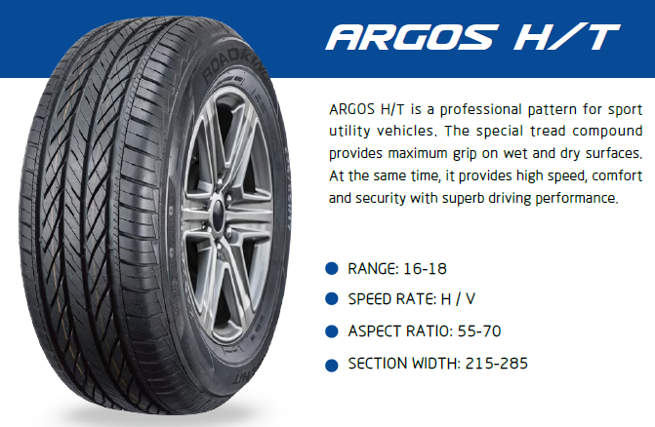
 |  |  |  |  |  |  | 70 | B | 11.55 | 840 |  | 0.00
 |  |  |  |  |  |  | 70 | B | 11.10 | 850 |  | 0.00
 |  |  |  |  |  |  | 70 | B | 12.10 | 850 |  | 0.00
 |  |  |  |  |  |  | 70 | B | 12.20 | 750 |  | 0.00
 |  |  |  |  |  |  | 70 | B | 13.87 | 720 |  | 0.00
 |  |  |  |  |  |  | 71 | B | 13.49 | 700 |  | 0.00
 |  |  |  |  |  |  | 71 | B | 14.37 | 670 |  | 0.00
 |  |  |  |  |  |  | 71 | B | 15.20 | 640 |  | 0.00
 |  |  |  |  |  |  | 71 | B | 16.24 | 600 |  | 0.00
 |  |  |  |  |  |  | 70 | B | 10.46 | 920 |  | 0.00
 |  |  |  |  |  |  | 70 | B | 11.02 | 880 |  | 0.00
 |  |  |  |  |  |  | 70 | B | 11.85 | 830 |  | 0.00
 |  |  |  |  |  |  | 70 | B | 12.38 | 850 |  | 0.00
 |  |  |  |  |  |  | 70 | B | 12.73 | 760 |  | 0.00
 |  |  |  |  |  |  | 70 | B | 13.03 | 750 |  | 0.00
 |  |  |  |  |  |  | 70 | B | 12.81 | 720 |  | 0.00
 |  |  |  |  |  |  | 70 | B | 13.56 | 700 |  | 0.00
 |  |  |  |  |  |  | 70 | B | 14.46 | 650 |  | 0.00
 |  |  |  |  |  |  | 71 | B | 13.86 | 700 |  | 0.00
 |  |  |  |  |  |  | 71 | B | 14.40 | 680 |  | 0.00
 |  |  |  |  |  |  | 71 | B | 14.40 | 680 |  | 0.00
 |  |  |  |  |  |  | 71 | B | 15.26 | 640 |  | 0.00
 |  |  |  |  |  |  | 71 | B | 16.03 | 600 |  | 0.00
 |  |  |  |  |  |  | 71 | B | 15.90 | 600 |  | 0.00
 |  |  |  |  |  |  | 72 | B | 16.93 | 580 |  | 0.00
...
 |  |  |  |  |  |  | dB(A) | LV | Kg | 40HQ | PCS | Containers
 |  |  |  |  |  |  | 71 | B | 15.58 | 640 |  | 0.00
 |  |  |  |  |  |  | 71 | B | 14.79 | 640 |  | 0.00
 |  |  |  |  |  |  | 71 | B | 15.97 | 600 |  | 0.00
 |  |  |  |  |  |  | 71 | B | 16.79 | 490 |  | 0.00
 |  |  |  |  |  |  | 72 | A | 16.77 | 570 |  | 0.00
 |  |  |  |  |  |  | 72 | B | 14.46 | 570 |  | 0.00
 |  |  |  |  |  |  | 72 | B | 15.18 | 560 |  | 0.00
 |  |  |  |  |  |  | 72 | B | 14.54 | 630 |  | 0.00
 |  |  |  |  |  |  | 72 | B | 15.15 | 600 |  | 0.00
 |  |  |  |  |  |  | 72 | B | 16.52 | 600 |  | 0.00
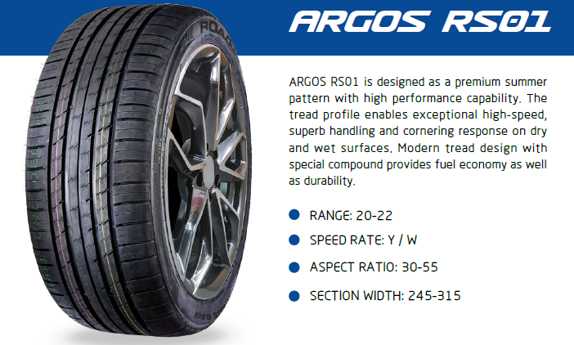
 |  |  |  |  |  |  | 72 | B | 16.81 | 500 |  | 0.00
 |  |  |  |  |  |  | 72 | A | 16.91 | 500 |  | 0.00
 |  |  |  |  |  |  | 72 | A | 16.48 | 500 |  | 0.00
 |  |  |  |  |  |  | 72 | A | 16.35 | 500 |  | 0.00
 |  |  |  |  |  |  | 71 | B | 11.90 | 650 |  | 0.00
 |  |  |  |  |  |  | 72 | B | 13.05 | 600 |  | 0.00
 |  |  |  |  |  |  | 72 | B | 14.71 | 600 |  | 0.00
 |  |  |  |  |  |  | 72 | B | 15.64 | 560 |  | 0.00
 |  |  |  |  |  |  | 72 | A | 15.31 | 530 |  | 0.00
 |  |  |  |  |  |  | 72 | A | 15.89 | 500 |  | 0.00
 |  |  |  |  |  |  | 72 | A | 16.91 | 430 |  | 0.00
 |  |  |  |  |  |  | 72 | A | 17.76 | 450 |  | 0.00
 |  |  |  |  |  |  | 72 | B | 14.63 | 580 |  | 0.00
 |  |  |  |  |  |  | 72 | B | 15.52 | 650 |  | 0.00
 |  |  |  |  |  |  | 72 | A | 16.23 | 550 |  | 0.00
 |  |  |  |  |  |  | 72 | A | 15.99 | 540 |  | 0.00
 |  |  |  |  |  |  | 70 | B | 11.62 | 980 |  | 0.00
 |  |  |  |  |  |  | 70 | B | 6.09 | 2150 |  | 0.00
 |  |  |  |  |  |  | 72 | B | 6.46 | 2000 |  | 0.00
 |  |  |  |  |  |  | 72 | B | 7.09 | 1820 |  | 0.00
 |  |  |  |  |  |  | 72 | B | 7.73 | 1700 |  | 0.00
 |  |  |  |  |  |  | 72 | B | 7.78 | 1650 |  | 0.00
 |  |  |  |  |  |  | 71 | B | 8.91 | 1350 |  | 0.00
 |  |  |  |  |  |  | 71 | B | 9.95 | 1260 |  | 0.00
 |  |  |  |  |  |  | 71 | B | 10.65 | 1200 |  | 0.00
 |  |  |  |  |  |  | 71 | B | 10.77 | 1150 |  | 0.00
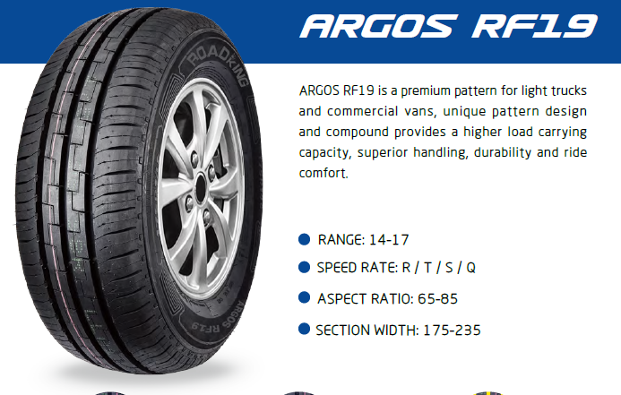
 |  |  |  |  |  |  | 71 | B | 11.20 | 1150 |  | 0.00
 |  |  |  |  |  |  | 71 | B | 11.45 | 1020 |  | 0.00
 |  |  |  |  |  |  | 71 | B | 12.32 | 970 |  | 0.00
 |  |  |  |  |  |  | 71 | B | 10.24 | 1200 |  | 0.00
 |  |  |  |  |  |  | 71 | B | 10.93 | 1200 |  | 0.00
 |  |  |  |  |  |  | 71 | B | 10.61 | 1150 |  | 0.00
 |  |  |  |  |  |  | 71 | B | 11.13 | 1110 |  | 0.00
 |  |  |  |  |  |  | 71 | B | 11.73 | 1100 |  | 0.00
 |  |  |  |  |  |  | 71 | B | 11.73 | 1100 |  | 0.00
 |  |  |  |  |  |  | 71 | B | 11.80 | 960 |  | 0.00
 |  |  |  |  |  |  | 71 | B | 12.67 | 950 |  | 0.00
 |  |  |  |  |  |  | 71 | B | 12.67 | 950 |  | 0.00
 |  |  |  |  |  |  | 71 | B | 11.96 | 950 |  | 0.00
 |  |  |  |  |  |  | 71 | B | 12.32 | 920 |  | 0.00
 |  |  |  |  |  |  | 71 | B | 13.36 | 860 |  | 0.00
 |  |  |  |  |  |  | 71 | B | 13.36 | 860 |  | 0.00
 |  |  |  |  |  |  | 71 | B | 13.19 | 890 |  | 0.00
 |  |  |  |  |  |  | 71 | B | 14.00 | 800 |  | 0.00
 |  |  |  |  |  |  | 71 | B | 14.00 | 800 |  | 0.00
 |  |  |  |  |  |  | 71 | B | 12.47 | 900 |  | 0.00
 |  |  |  |  |  |  | 71 | B | 12.98 | 880 |  | 0.00
 |  |  |  |  |  |  | 71 | B | 11.50 | 950 |  | 0.00
 |  |  |  |  |  |  | 71 | B | 15.21 | 740 |  | 0.00
 |  |  |  |  |  |  | 71 | B | 16.43 | 650 |  | 0.00
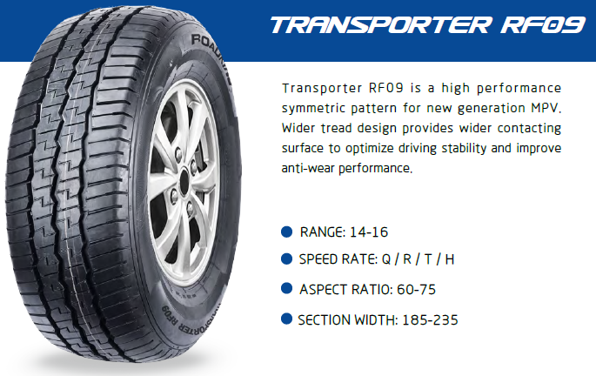
 |  |  |  |  |  |  | 72 | B | 10.72 | 1260 |  | 0.00
 |  |  |  |  |  |  | 72 | B | 11.22 | 1200 |  | 0.00
 |  |  |  |  |  |  | 72 | B | 11.15 | 1150 |  | 0.00
 |  |  |  |  |  |  | 72 | B | 11.80 | 1150 |  | 0.00
 |  |  |  |  |  |  | 72 | B | 11.88 | 1020 |  | 0.00
 |  |  |  |  |  |  | 72 | B | 13.02 | 970 |  | 0.00
 |  |  |  |  |  |  | 72 | B | 13.12 | 890 |  | 0.00
 |  |  |  |  |  |  | 72 | B | 11.23 | 1200 |  | 0.00
 |  |  |  |  |  |  | 72 | B | 11.23 | 1200 |  | 0.00
 |  |  |  |  |  |  | 72 | B | 11.22 | 1100 |  | 0.00
 |  |  |  |  |  |  | 72 | B | 11.35 | 1100 |  | 0.00
 |  |  |  |  |  |  | 72 | B | 11.63 | 1100 |  | 0.00
 |  |  |  |  |  |  | 72 | B | 11.99 | 960 |  | 0.00
 |  |  |  |  |  |  | 72 | B | 12.91 | 950 |  | 0.00
 |  |  |  |  |  |  | 72 | B | 13.13 | 950 |  | 0.00
 |  |  |  |  |  |  | 72 | B | 13.00 | 920 |  | 0.00
 |  |  |  |  |  |  | 72 | B | 13.41 | 880 |  | 0.00
 |  |  |  |  |  |  | 72 | B | 13.36 | 890 |  | 0.00
 |  |  |  |  |  |  | 72 | B | 14.35 | 800 |  | 0.00
 |  |  |  |  |  |  | 71 | B | 11.34 | 950 |  | 0.00
 |  |  |  |  |  |  | 71 | B | 12.73 | 840 |  | 0.00
 |  |  |  |  |  |  | 71 | B | 14.04 | 720 |  | 0.00
 |  |  |  |  |  |  | 71 | B | 15.59 | 640 |  | 0.00
 |  |  |  |  |  |  | 71 | B | 11.20 | 1100 |  | 0.00
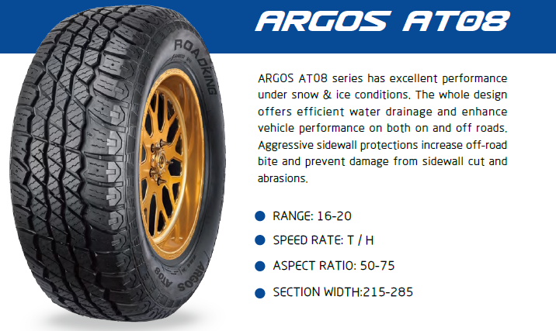
 |  |  |  |  |  |  | 71 | B | 12.94 | 900 |  | 0.00
 |  |  |  |  |  |  | 71 | B | 13.78 | 780 |  | 0.00
 |  |  |  |  |  |  | 71 | B | 14.26 | 740 |  | 0.00
 |  |  |  |  |  |  | 71 | B | 14.43 | 750 |  | 0.00
 |  |  |  |  |  |  | 72 | B | 14.89 | 720 |  | 0.00
 |  |  |  |  |  |  | 72 | B | 15.58 | 670 |  | 0.00
 |  |  |  |  |  |  | 72 | B | 16.50 | 630 |  | 0.00
 |  |  |  |  |  |  | 72 | B | 17.56 | 620 |  | 0.00
 |  |  |  |  |  |  | 71 | B | 13.48 | 830 |  | 0.00
 |  |  |  |  |  |  | 71 | B | 13.94 | 810 |  | 0.00
 |  |  |  |  |  |  | 71 | B | 14.53 | 720 |  | 0.00
 |  |  |  |  |  |  | 72 | B | 14.81 | 700 |  | 0.00
 |  |  |  |  |  |  | 71 | B | 16.05 | 650 |  | 0.00
 |  |  |  |  |  |  | 72 | B | 15.34 | 680 |  | 0.00
 |  |  |  |  |  |  | 72 | B | 17.74 | 600 |  | 0.00
 |  |  |  |  |  |  | 72 | B | 17.23 | 540 |  | 0.00
 |  |  |  |  |  |  | 72 | B |  | 680 |  | 0.00
 |  |  |  |  |  |  | 73 | B | 18.46 | 580 |  | 0.00
 |  |  |  |  |  |  | 72 | B | 17.07 | 560 |  | 0.00
 |  |  |  |  |  |  | 75 | B | 18.70 | 500 |  | 0.00
 |  |  |  |  |  |  |  |  | 16.94 | 520 |  | 0.00
 |  |  |  |  |  |  |  |  | 9.45 | 1200 |  | 0.00
 |  |  |  |  |  |  |  |  | 10.03 | 1100 |  | 0.00
 |  |  |  |  |  |  |  |  | 10.67 | 970 |  | 0.00
 |  |  |  |  |  |  |  |  | 11.21 | 940 |  | 0.00
 |  |  |  |  |  |  |  |  | 10.77 | 880 |  | 0.00
 |  |  |  |  |  |  |  |  | 10.83 | 880 |  | 0.00
 |  |  |  |  |  |  |  |  | 12.23 | 800 |  | 0.00
 |  |  |  |  |  |  |  |  | 11.36 | 800 |  | 0.00
 |  |  |  |  |  |  |  |  | 11.92 | 800 |  | 0.00
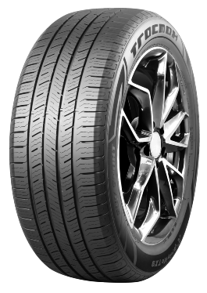
 |  |  |  |  |  |  |  |  | 11.68 | 850 |  | 0.00
 |  |  |  |  |  |  |  |  | 11.79 | 870 |  | 0.00
 |  |  |  |  |  |  |  |  | 12.48 | 860 |  | 0.00
 |  |  |  |  |  |  |  |  | 11.35 | 850 |  | 0.00
 |  |  |  |  |  |  |  |  | 11.84 | 840 |  | 0.00
 |  |  |  |  |  |  |  |  | 12.36 | 800 |  | 0.00
 |  |  |  |  |  |  |  |  | 13.05 | 780 |  | 0.00
 |  |  |  |  |  |  |  |  | 12.50 | 770 |  | 0.00
 |  |  |  |  |  |  |  |  | 13.05 | 720 |  | 0.00
 |  |  |  |  |  |  |  |  | 13.58 | 700 |  | 0.00
 |  |  |  |  |  |  |  |  | 12.45 | 700 |  | 0.00
 |  |  |  |  |  |  |  |  | 12.25 | 840 |  | 0.00
 |  |  |  |  |  |  |  |  | 13.30 | 700 |  | 0.00
 |  |  |  |  |  |  |  |  | 13.13 | 680 |  | 0.00
 |  |  |  |  |  |  |  |  |  | 700 |  | 0.00
 |  |  |  |  |  |  |  |  | 13.54 | 750 |  | 0.00
 |  |  |  |  |  |  |  |  | 14.16 | 720 |  | 0.00
 |  |  |  |  |  |  |  |  | 14.28 | 690 |  | 0.00
 |  |  |  |  |  |  |  |  | 13.86 | 650 |  | 0.00
 |  |  |  |  |  |  |  |  | 13.99 | 700 |  | 0.00
 |  |  |  |  |  |  |  |  | 14.48 | 680 |  | 0.00
 |  |  |  |  |  |  |  |  | 14.70 | 670 |  | 0.00
 |  |  |  |  |  |  |  |  | 13.32 | 700 |  | 0.00
 |  |  |  |  |  |  |  |  | 14.24 | 680 |  | 0.00
 |  |  |  |  |  |  |  |  | 13.98 | 670 |  | 0.00
 |  |  |  |  |  |  |  |  | 15.29 | 640 |  | 0.00
...

