Roadking Winter tire Range
ROADKING Brand Winter PCR & LTR Lists |  |  |  |  |  |  |  | Total： | 0 | 0.00
Item Number | Size | Load | Tire | Pattern | Pattern Picture | STUDS | weight | Loading | Order | Qty/40HQ
Proforma | Description | Speed | Range | Name |  | QTY | KG | 40HQ | PCS | Containers
RKS360R1301 | 175/70R13 | 82T | 4PR | ARGOS S360 |  |  | 6.54 | 2000 |  | 0.00
RKS360R1401 | 175/65R14 | 82R | 4PR | ARGOS S360 |  |  | 6.75 | 1880 |  | 0.00
RKS360R1402 | 175/70R14 | 88TXL | 4PR | ARGOS S360 |  |  | 7.33 | 1780 |  | 0.00
RKS360R1403 | 185/60R14 | 82T | 4PR | ARGOS S360 |  |  | 7.14 | 1650 |  | 0.00
RKS360R1404 | 185/65R14 | 90TXL | 4PR | ARGOS S360 |  |  | 7.71 | 1580 |  | 0.00
RKS360R1405 | 185/70R14 | 92TXL | 4PR | ARGOS S360 |  |  | 7.95 | 1510 |  | 0.00
RKS360R1501 | 185/60R15 | 88TXL | 4PR | ARGOS S360 |  |  | 7.82 | 1600 |  | 0.00
RKS360R1502 | 185/65R15 | 92TXL | 4PR | ARGOS S360 |  |  | 8.12 | 1500 |  | 0.00
RKS360R1503 | 195/55R15 | 89TXL | 4PR | ARGOS S360 |  |  | 8.04 | 1470 |  | 0.00
RKS360R1504 | 195/60R15 | 92TXL | 4PR | ARGOS S360 |  |  | 8.3 | 1450 |  | 0.00
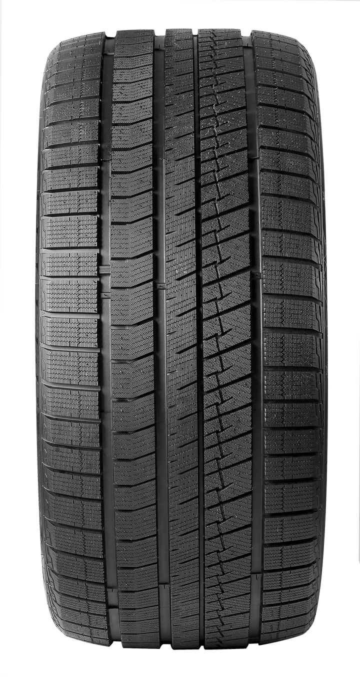
RKS360R1505 | 195/65R15 | 95TXL | 4PR | ARGOS S360 |  |  | 9.05 | 1420 |  | 0.00
RKS360R1506 | 205/65R15 | 99TXL | 4PR | ARGOS S360 |  |  | 9.77 | 1220 |  | 0.00
RKS360R1507 | 205/70R15 | 100TXL | 4PR | ARGOS S360 |  |  | 10.62 | 1120 |  | 0.00
RKS360R1601 | 195/55R16 | 87T | 4PR | ARGOS S360 |  |  | 8.24 | 1340 |  | 0.00
RKS360R1602 | 205/55R16 | 94TXL | 4PR | ARGOS S360 |  |  | 9.26 | 1260 |  | 0.00
RKS360R1603 | 205/60R16 | 96TXL | 4PR | ARGOS S360 |  |  | 9.95 | 1250 |  | 0.00
RKS360R1604 | 205/65R16 | 99TXL | 4PR | ARGOS S360 |  |  | 10.36 | 1180 |  | 0.00
RKS360R1605 | 215/55R16 | 97TXL | 4PR | ARGOS S360 |  |  | 10.29 | 1050 |  | 0.00
RKS360R1606 | 215/60R16 | 99TXL | 4PR | ARGOS S360 |  |  | 10.66 | 1030 |  | 0.00
RKS360R1607 | 215/65R16 | 102TXL | 4PR | ARGOS S360 |  |  | 11.21 | 1000 |  | 0.00
RKS360R1608 | 215/70R16 | 100T | 4PR | ARGOS S360 |  |  | 11.64 | 950 |  | 0.00
RKS360R1609 | 225/70R16 | 103T | 4PR | ARGOS S360 |  |  | 12.28 | 870 |  | 0.00
RKS360R1610 | 235/70R16 | 106T | 4PR | ARGOS S360 |  |  | 13.2 | 750 |  | 0.00
RKS360R1611 | 245/70R16 | 111TXL | 4PR | ARGOS S360 |  |  | 14.24 | 750 |  | 0.00
RKS360R1701 | 205/50R17 | 93TXL | 4PR | ARGOS S360 |  |  | 9.58 | 1180 |  | 0.00
RKS360R1702 | 205/55R17 | 95RXL | 4PR | ARGOS S360 |  |  | 10.42 | 1150 |  | 0.00
RKS360R1703 | 215/45R17 | 91TXL | 4PR | ARGOS S360 |  |  | 9.64 | 1150 |  | 0.00
RKS360R1704 | 215/50R17 | 95TXL | 4PR | ARGOS S360 |  |  | 10.64 | 990 |  | 0.00
RKS360R1705 | 215/55R17 | 98TXL | 4PR | ARGOS S360 |  |  | 11.12 | 990 |  | 0.00
RKS360R1706 | 215/60R17 | 100RXL | 4PR | ARGOS S360 |  |  | 11.41 | 950 |  | 0.00
RKS360R1707 | 215/65R17 | 103TXL | 4PR | ARGOS S360 |  |  | 11.76 | 930 |  | 0.00
RKS360R1708 | 225/45R17 | 94TXL | 4PR | ARGOS S360 |  |  | 10.19 | 1030 |  | 0.00
RKS360R1709 | 225/50R17 | 98TXL | 4PR | ARGOS S360 |  |  | 11.26 | 940 |  | 0.00
RKS360R1710 | 225/55R17 | 101TXL | 4PR | ARGOS S360 |  |  | 11.72 | 900 |  | 0.00
RKS360R1711 | 225/60R17 | 103SXL | 4PR | ARGOS S360 |  |  | 12.03 | 910 |  | 0.00
RKS360R1712 | 225/65R17 | 106TXL | 4PR | ARGOS S360 |  |  | 12.62 | 850 |  | 0.00
RKS360R1713 | 235/45R17 | 94S | 4PR | ARGOS S360 |  |  | 10.66 | 950 |  | 0.00
RKS360R1714 | 235/55R17 | 103TXL | 4PR | ARGOS S360 |  |  | 12.5 | 790 |  | 0.00
RKS360R1715 | 235/65R17 | 108TXL | 4PR | ARGOS S360 |  |  | 13.18 | 790 |  | 0.00
RKS360R1716 | 245/65R17 | 111TXL | 4PR | ARGOS S360 |  |  | 13.79 | 700 |  | 0.00
RKS360R1717 | 245/70R17 | 110T | 4PR | ARGOS S360 |  |  | 14.65 | 650 |  | 0.00
RKS360R1718 | 265/65R17 | 116TXL | 4PR | ARGOS S360 |  |  | 16.02 | 610 |  | 0.00
RKS360R1801 | 215/55R18 | 99TXL | 4PR | ARGOS S360 |  |  | 11.64 | 910 |  | 0.00
RKS360R1802 | 225/40R18 | 92HXL | 4PR | ARGOS S360 |  |  | 10.25 | 1000 |  | 0.00
RKS360R1803 | 225/45R18 | 95TXL | 4PR | ARGOS S360 |  |  | 10.66 | 920 |  | 0.00
RKS360R1804 | 225/50R18 | 95H | 4PR | ARGOS S360 |  |  | 11.61 | 860 |  | 0.00
RKS360R1805 | 225/55R18 | 98T | 4PR | ARGOS S360 |  |  | 12.46 | 870 |  | 0.00
RKS360R1806 | 225/60R18 | 104TXL | 4PR | ARGOS S360 |  |  | 12.5 | 820 |  | 0.00
RKS360R1807 | 235/45R18 | 98TXL | 4PR | ARGOS S360 |  |  | 11.74 | 870 |  | 0.00
RKS360R1808 | 235/50R18 | 101TXL | 4PR | ARGOS S360 |  |  | 12.31 | 820 |  | 0.00
RKS360R1809 | 235/55R18 | 104TXL | 4PR | ARGOS S360 |  |  | 12.9 | 790 |  | 0.00
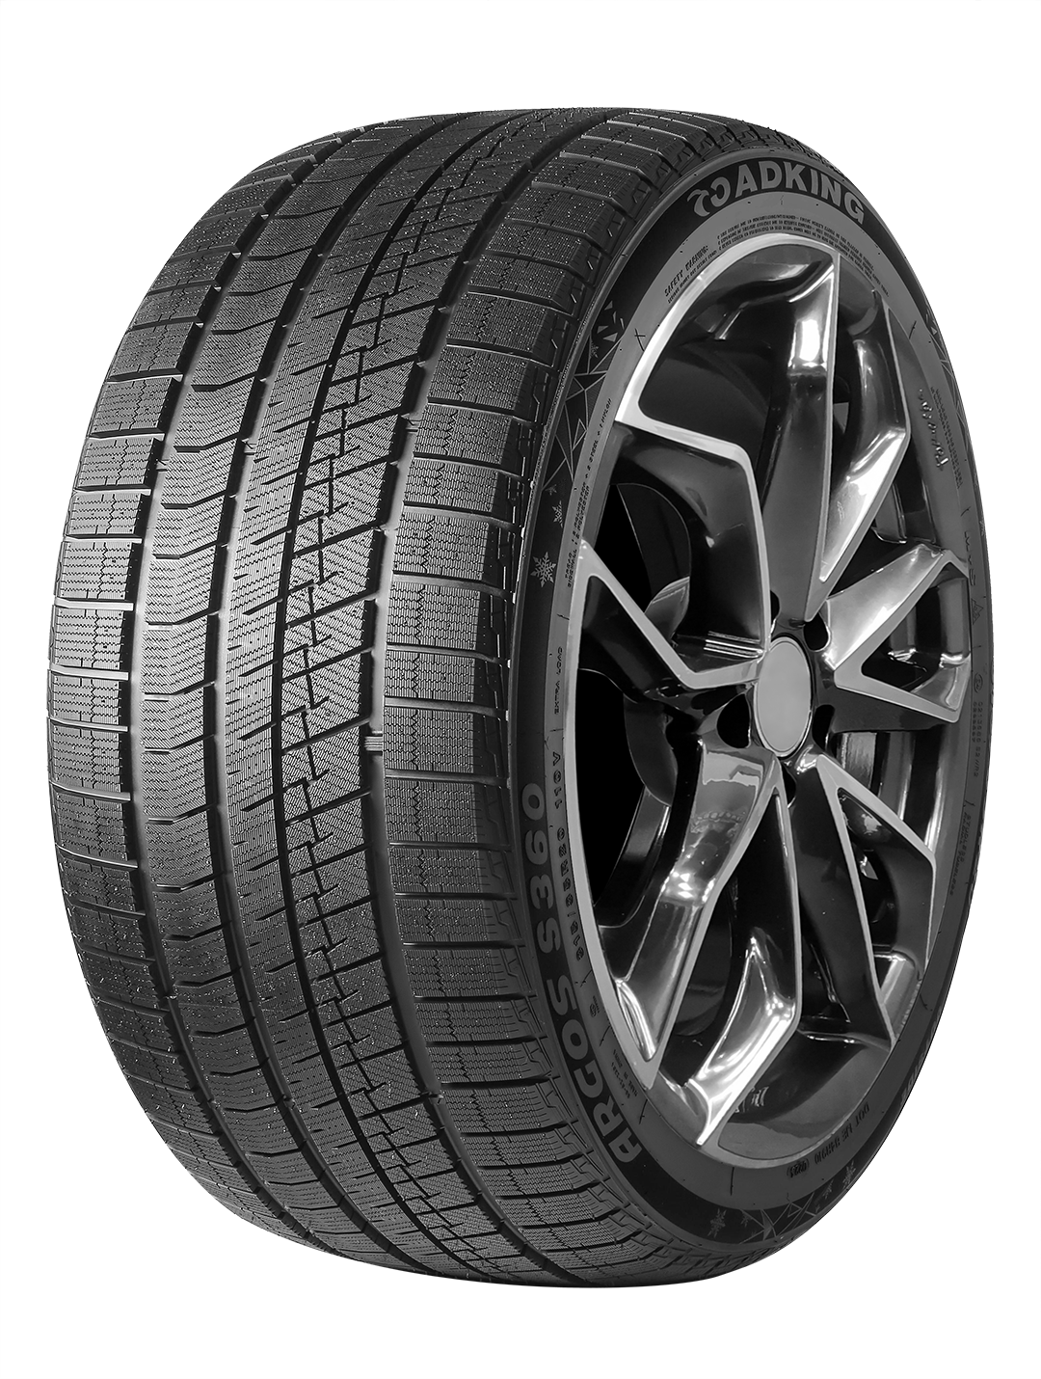
RKS360R1810 | 235/60R18 | 107TXL | 4PR | ARGOS S360 |  |  | 13.28 | 760 |  | 0.00
RKS360R1811 | 245/40R18 | 97TXL | 4PR | ARGOS S360 |  |  | 11.6 | 860 |  | 0.00
RKS360R1812 | 245/45R18 | 100TXL | 4PR | ARGOS S360 |  |  | 12.23 | 820 |  | 0.00
RKS360R1813 | 245/50R18 | 100S | 4PR | ARGOS S360 |  |  | 13.17 | 760 |  | 0.00
RKS360R1814 | 255/55R18 | 109TXL | 4PR | ARGOS S360 |  |  | 14.32 | 700 |  | 0.00
RKS360R1815 | 265/60R18 | 114TXL | 4PR | ARGOS S360 |  |  | 15.89 | 630 |  | 0.00
RKS360R1817 | 265/65R18 | 116TXL | 4PR | ARGOS S360 |  |  | 16.8 | 600 |  | 0.00
RKS360R1816 | 285/60R18 | 116T | 4PR | ARGOS S360 |  |  | 17.44 | 580 |  | 0.00
RKS360R1901 | 225/45R19 | 96TXL | 4PR | ARGOS S360 |  |  | 11.88 | 930 |  | 0.00
RKS360R1902 | 225/55R19 | 103TXL | 4PR | ARGOS S360 |  |  | 13.09 | 800 |  | 0.00
RKS360R1903 | 235/50R19 | 103TXL | 4PR | ARGOS S360 |  |  | 13.12 | 760 |  | 0.00
RKS360R1904 | 235/55R19 | 105TXL | 4PR | ARGOS S360 |  |  | 13.99 | 750 |  | 0.00
RKS360R1905 | 245/40R19 | 98SXL | 4PR | ARGOS S360 |  |  | 12.36 | 780 |  | 0.00
RKS360R1906 | 245/45R19 | 102TXL | 4PR | ARGOS S360 |  |  | 13.01 | 750 |  | 0.00
RKS360R1907 | 245/55R19 | 107TXL | 4PR | ARGOS S360 |  |  | 14.25 | 750 |  | 0.00
RKS360R1908 | 255/40R19 | 100VXL | 4PR | ARGOS S360 |  |  | 12.98 | 740 |  | 0.00
RKS360R1909 | 255/45R19 | 104TXL | 4PR | ARGOS S360 |  |  | 13.57 | 720 |  | 0.00
RKS360R1910 | 255/50R19 | 107TXL | 4PR | ARGOS S360 |  |  | 14.34 | 670 |  | 0.00
RKS360R1911 | 255/55R19 | 111TXL | 4PR | ARGOS S360 |  |  | 14.95 | 660 |  | 0.00
RKS360R1912 | 265/55R19 | 113TXL | 4PR | ARGOS S360 |  |  | 16.61 | 620 |  | 0.00
RKS360R2001 | 235/55R20 | 102T | 4PR | ARGOS S360 |  |  | 14.24 | 720 |  | 0.00
RKS360R2002 | 245/45R20 | 103VXL | 4PR | ARGOS S360 |  |  | 13.61 | 736 |  | 0.00
RKS360R2011 | 245/50R20 | 105TXL | 4PR | ARGOS S360 |  |  | 14.39 | 700 |  | 0.00
RKS360R2012 | 255/40R20 | 101HXL | 4PR | ARGOS S360 |  |  | 13.57 | 670 |  | 0.00
RKS360R2003 | 255/45R20 | 105TXL | 4PR | ARGOS S360 |  |  | 14.16 | 696 |  | 0.00
RKS360R2004 | 255/50R20 | 109TXL | 4PR | ARGOS S360 |  |  | 14.97 | 652 |  | 0.00
RKS360R2005 | 265/50R20 | 111TXL | 4PR | ARGOS S360 |  |  | 15.91 | 620 |  | 0.00
RKS360R2013 | 265/55R20 | 113TXL | 4PR | ARGOS S360 |  |  | 17.2 | 560 |  | 0.00
RKS360R2006 | 275/40R20 | 106VXL | 4PR | ARGOS S360 |  |  | 14.7 | 600 |  | 0.00
RKS360R2007 | 275/45R20 | 110TXL | 4PR | ARGOS S360 |  |  | 15.59 | 600 |  | 0.00
RKS360R2008 | 275/50R20 | 113TXL | 4PR | ARGOS S360 |  |  | 16.19 | 588 |  | 0.00
RKS360R2014 | 275/60R20 | 116TXL | 4PR | ARGOS S360 |  |  | 18.83 | 530 |  | 0.00
RKS360R2015 | 285/35R20 | 104HXL | 4PR | ARGOS S360 |  |  | 14.84 | 600 |  | 0.00
RKS360R2009 | 285/50R20 | 116TXL | 4PR | ARGOS S360 |  |  | 16.95 | 520 |  | 0.00
RKS360R2010 | 315/35R20 | 110VXL | 4PR | ARGOS S360 |  |  | 16.14 | 520 |  | 0.00
RKS360R2102 | 235/50R21 | 101T | 4PR | ARGOS S360 |  |  | 14.22 | 680 |  | 0.00
RKS360R2105 | 265/45R21 | 108TXL | 4PR | ARGOS S360 |  |  |  | 600 |  | 0.00
RKS360R2101 | 275/45R21 | 110TXL | 4PR | ARGOS S360 |  |  | 16.1 | 560 |  | 0.00
RKS360R2103 | 285/45R21 | 113TXL | 4PR | ARGOS S360 |  |  | 16.91 | 520 |  | 0.00
RKS360R2104 | 315/40R21 | 115HXL | 4PR | ARGOS S360 |  |  | 17.88 | 430 |  | 0.00
RKS360R2209 | 265/40R22 | 106TXL | 4PR | ARGOS S360 |  |  |  | 600 |  | 0.00
RKS360R2201 | 265/50R22 | 112TXL | 4PR | ARGOS S360 |  |  | 17.22 | 530 |  | 0.00
RKS360R2202 | 275/40R22 | 107HXL | 4PR | ARGOS S360 |  |  | 15.97 | 530 |  | 0.00
RKS360R2203 | 275/50R22 | 115TXL | 4PR | ARGOS S360 |  |  | 17.49 | 530 |  | 0.00
RKS360R2204 | 285/40R22 | 110HXL | 4PR | ARGOS S360 |  |  | 16.94 | 520 |  | 0.00
RKS360R2205 | 285/45R22 | 114HXL | 4PR | ARGOS S360 |  |  | 17.64 | 500 |  | 0.00
RKS360R2206 | 315/35R22 | 111HXL | 4PR | ARGOS S360 |  |  | 17.6 | 430 |  | 0.00
RKS360R2207 | 325/35R22 | 114HXL | 4PR | ARGOS S360 |  |  | 18.72 | 440 |  | 0.00
RKS360R2208 | 325/40R22 | 114H | 4PR | ARGOS S360 |  |  | 19.2 | 410 |  | 0.00
RKS500R1301 | 155/70R13 | 75T | 4PR | ARGOS S500 |  | 136 | 6.12 | 2220 |  | 0.00
RKS500R1302 | 175/70R13 | 82T | 4PR | ARGOS S500 |  | 136 | 7.22 | 1980 |  | 0.00
RKS500R1401 | 175/65R14 | 86TXL | 4PR | ARGOS S500 |  | 174 | 7.74 | 1880 |  | 0.00
RKS500R1402 | 175/70R14 | 88TXL | 4PR | ARGOS S500 |  | 136 | 7.9 | 1760 |  | 0.00
RKS500R1403 | 185/60R14 | 82T | 4PR | ARGOS S500 |  | 136 | 7.52 | 1650 |  | 0.00
RKS500R1404 | 185/65R14 | 90TXL | 4PR | ARGOS S500 |  | 240 | 8.16 | 1550 |  | 0.00
RKS500R1405 | 185/70R14 | 92TXL | 4PR | ARGOS S500 |  | 250 | 8.5 | 1500 |  | 0.00
RKS500R1505 | 185/55R15 | 82T | 4PR | ARGOS S500 |  | 136 | 7.65 | 1500 |  | 0.00
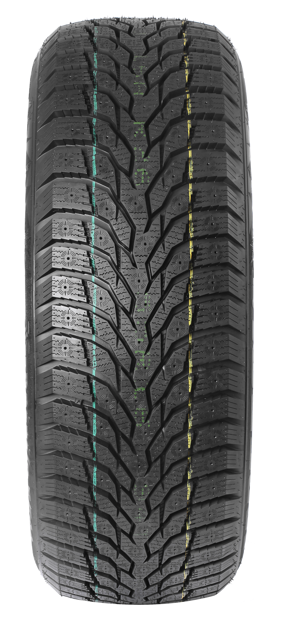
RKS500R1501 | 185/60R15 | 88TXL | 4PR | ARGOS S500 |  | 136 | 8.04 | 1580 |  | 0.00
RKS500R1502 | 185/65R15 | 92TXL | 4PR | ARGOS S500 |  | 230 | 8.79 | 1500 |  | 0.00
RKS500R1506 | 195/55R15 | 85T | 4PR | ARGOS S500 |  | 136 | 8.19 | 1470 |  | 0.00
RKS500R1507 | 195/60R15 | 92TXL | 4PR | ARGOS S500 |  | 250 | 8.82 | 1450 |  | 0.00
RKS500R1503 | 195/65R15 | 95TXL | 4PR | ARGOS S500 |  | 250 | 9.1 | 1322 |  | 0.00
RKS500R1504 | 205/65R15 | 99TXL | 4PR | ARGOS S500 |  | 270 | 10 | 1220 |  | 0.00
RKS500R1508 | 205/70R15 | 96T | 4PR | ARGOS S500 |  | 270 | 10.9 | 1120 |  | 0.00
RKS500R1509 | 205/75R15 | 97T | 4PR | ARGOS S500 |  | 280 | 11.35 | 980 |  | 0.00
RKS500R1605 | 195/55R16 | 91TXL | 4PR | ARGOS S500 |  | 250 | 8.85 | 1340 |  | 0.00
RKS500R1601 | 205/55R16 | 94TXL | 4PR | ARGOS S500 |  | 248 | 9.18 | 1250 |  | 0.00
RKS500R1602 | 205/60R16 | 96TXL | 4PR | ARGOS S500 |  | 270 | 10.54 | 1220 |  | 0.00
RKS500R1606 | 205/65R16 | 99TXL | 4PR | ARGOS S500 |  | 270 | 11.01 | 1180 |  | 0.00
RKS500R1607 | 215/55R16 | 97TXL | 4PR | ARGOS S500 |  | 260 | 10.52 | 1050 |  | 0.00
RKS500R1603 | 215/60R16 | 99TXL | 4PR | ARGOS S500 |  | 270 | 10.56 | 1030 |  | 0.00
RKS500R1604 | 215/65R16 | 102TXL | 4PR | ARGOS S500 |  | 270 | 10.95 | 1000 |  | 0.00
RKS500R1608 | 215/70R16 | 100T | 4PR | ARGOS S500 |  | 280 | 11.96 | 940 |  | 0.00
RKS500R1609 | 225/70R16 | 107TXL | 4PR | ARGOS S500 |  | 290 | 12.72 | 870 |  | 0.00
RKS500R1610 | 235/70R16 | 106T | 4PR | ARGOS S500 |  | 290 | 13.49 | 750 |  | 0.00
RKS500R1611 | 245/70R16 | 111TXL | 4PR | ARGOS S500 |  | 300 | 14.54 | 750 |  | 0.00
RKS500R1612 | 265/70R16 | 112T | 4PR | ARGOS S500 |  | 310 | 16.18 | 660 |  | 0.00
RKS500R1707 | 205/50R17 | 93TXL | 4PR | ARGOS S500 |  | 250 | 10.1 | 1180 |  | 0.00
RKS500R1708 | 215/50R17 | 95TXL | 4PR | ARGOS S500 |  | 260 | 11.23 | 980 |  | 0.00
RKS500R1701 | 215/55R17 | 98TXL | 4PR | ARGOS S500 |  | 270 | 11.14 | 990 |  | 0.00
RKS500R1709 | 215/60R17 | 100TXL | 4PR | ARGOS S500 |  | 280 | 11.96 | 950 |  | 0.00
RKS500R1710 | 215/65R17 | 99T | 4PR | ARGOS S500 |  | 280 | 12.25 | 930 |  | 0.00
RKS500R1702 | 225/45R17 | 94TXL | 4PR | ARGOS S500 |  | 270 | 10.58 | 1030 |  | 0.00
RKS500R1703 | 225/50R17 | 98TXL | 4PR | ARGOS S500 |  | 270 | 11.71 | 940 |  | 0.00
RKS500R1704 | 225/55R17 | 101TXL | 4PR | ARGOS S500 |  | 270 | 12.3 | 900 |  | 0.00
RKS500R1711 | 225/60R17 | 103TXL | 4PR | ARGOS S500 |  | 280 | 12.65 | 910 |  | 0.00
RKS500R1705 | 225/65R17 | 106TXL | 4PR | ARGOS S500 |  | 270 | 12.42 | 850 |  | 0.00
RKS500R1712 | 235/55R17 | 103TXL | 4PR | ARGOS S500 |  | 280 | 12.9 | 790 |  | 0.00
RKS500R1706 | 235/65R17 | 108TXL | 4PR | ARGOS S500 |  | 270 | 13.01 | 790 |  | 0.00
RKS500R1713 | 265/65R17 | 112T | 4PR | ARGOS S500 |  | 310 | 16.51 | 610 |  | 0.00
RKS500R1801 | 215/55R18 | 99TXL | 4PR | ARGOS S500 |  | 280 | 12.03 | 900 |  | 0.00
RKS500R1802 | 225/45R18 | 95TXL | 4PR | ARGOS S500 |  | 260 | 11.48 | 920 |  | 0.00
RKS500R1803 | 225/55R18 | 102TXL | 4PR | ARGOS S500 |  | 280 | 13.02 | 870 |  | 0.00
RKS500R1804 | 225/60R18 | 104TXL | 4PR | ARGOS S500 |  | 290 | 13.21 | 820 |  | 0.00
RKS500R1805 | 235/45R18 | 98TXL | 4PR | ARGOS S500 |  | 270 | 12.28 | 870 |  | 0.00
RKS500R1806 | 235/50R18 | 101TXL | 4PR | ARGOS S500 |  | 280 | 13.02 | 820 |  | 0.00
RKS500R1807 | 235/55R18 | 104TXL | 4PR | ARGOS S500 |  | 290 | 13.62 | 788 |  | 0.00
RKS500R1808 | 235/60R18 | 107TXL | 4PR | ARGOS S500 |  | 300 | 13.94 | 780 |  | 0.00
RKS500R1809 | 235/65R18 | 110TXL | 4PR | ARGOS S500 |  | 300 | 14.37 | 710 |  | 0.00
RKS500R1810 | 245/40R18 | 97TXL | 4PR | ARGOS S500 |  | 260 | 12.45 | 860 |  | 0.00
RKS500R1811 | 245/45R18 | 100TXL | 4PR | ARGOS S500 |  | 270 | 12.8 | 820 |  | 0.00
RKS500R1812 | 245/60R18 | 105T | 4PR | ARGOS S500 |  | 300 | 14.7 | 720 |  | 0.00
RKS500R1813 | 255/55R18 | 109TXL | 4PR | ARGOS S500 |  | 290 | 15.35 | 700 |  | 0.00
RKS500R1814 | 255/60R18 | 112TXL | 4PR | ARGOS S500 |  | 300 | 15.8 | 680 |  | 0.00
RKS500R1815 | 265/60R18 | 114TXL | 4PR | ARGOS S500 |  | 310 | 16.64 | 610 |  | 0.00
RKS500R1817 | 265/65R18 | 116TXL | 4PR | ARGOS S500 |  | 252 | 17.5 | 600 |  | 0.00
RKS500R1816 | 285/60R18 | 120TXL | 4PR | ARGOS S500 |  | 320 | 18.14 | 550 |  | 0.00
RKS500R1901 | 225/45R19 | 96TXL | 4PR | ARGOS S500 |  | 270 | 12.7 | 920 |  | 0.00
RKS500R1902 | 225/55R19 | 103TXL | 4PR | ARGOS S500 |  | 290 | 13.84 | 800 |  | 0.00
RKS500R1913 | 235/40R19 | 96TXL | 4PR | ARGOS S500 |  | 230 |  | 880 |  | 0.00
RKS500R1903 | 235/50R19 | 103TXL | 4PR | ARGOS S500 |  | 290 | 13.87 | 750 |  | 0.00
RKS500R1904 | 235/55R19 | 105TXL | 4PR | ARGOS S500 |  | 300 | 14.3 | 750 |  | 0.00
RKS500R1910 | 245/40R19 | 98HXL | 4PR | ARGOS S500 |  | 230 | 12.95 | 770 |  | 0.00
RKS500R1905 | 245/45R19 | 102TXL | 4PR | ARGOS S500 |  | 280 | 13.69 | 800 |  | 0.00
RKS500R1906 | 245/55R19 | 107TXL | 4PR | ARGOS S500 |  | 300 | 15.14 | 740 |  | 0.00
RKS500R1907 | 255/45R19 | 104TXL | 4PR | ARGOS S500 |  | 280 | 14.48 | 720 |  | 0.00
RKS500R1908 | 255/50R19 | 107TXL | 4PR | ARGOS S500 |  | 300 | 15.09 | 670 |  | 0.00
RKS500R1909 | 255/55R19 | 111TXL | 4PR | ARGOS S500 |  | 300 | 16.24 | 660 |  | 0.00
RKS500R1911 | 265/55R19 | 113TXL | 4PR | ARGOS S500 |  | 252 | 17.18 | 620 |  | 0.00
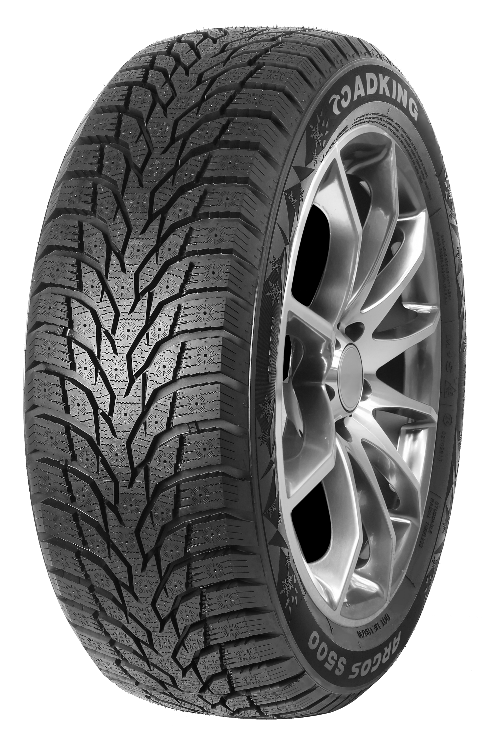
RKS500R1912 | 275/35R19 | 100HXL | 4PR | ARGOS S500 |  | 230 | 14.42 | 730 |  | 0.00
RKS500R2001 | 235/55R20 | 105TXL | 4PR | ARGOS S500 |  | 310 | 15.26 | 720 |  | 0.00
RKS500R2002 | 245/45R20 | 103TXL | 4PR | ARGOS S500 |  | 290 | 14.25 | 736 |  | 0.00
RKS500R2008 | 245/50R20 | 105TXL | 4PR | ARGOS S500 |  | 252 | 15.58 | 700 |  | 0.00
RKS500R2009 | 255/45R20 | 105HXL | 4PR | ARGOS S500 |  | 252 | 15.12 | 696 |  | 0.00
RKS500R2003 | 255/50R20 | 109TXL | 4PR | ARGOS S500 |  | 310 | 16.13 | 650 |  | 0.00
RKS500R2013 | 255/55R20 | 110HXL | 4PR | ARGOS S500 |  | 252 |  | 600 |  | 0.00
RKS500R2004 | 265/50R20 | 111TXL | 4PR | ARGOS S500 |  | 310 | 16.8 | 620 |  | 0.00
RKS500R2010 | 265/55R20 | 113TXL | 4PR | ARGOS S500 |  | 252 | 17.83 | 600 |  | 0.00
RKS500R2005 | 275/45R20 | 110TXL | 4PR | ARGOS S500 |  | 300 | 16.52 | 600 |  | 0.00
RKS500R2006 | 275/50R20 | 113TXL | 4PR | ARGOS S500 |  | 310 | 17.58 | 588 |  | 0.00
RKS500R2011 | 275/60R20 | 116TXL | 4PR | ARGOS S500 |  | 270 | 18.9 | 530 |  | 0.00
RKS500R2014 | 285/45R20 | 112TXL | 4PR | ARGOS S500 |  | 252 |  | 560 |  | 0.00
RKS500R2007 | 285/50R20 | 116TXL | 4PR | ARGOS S500 |  | 320 | 18.33 | 530 |  | 0.00
RKS500R2012 | 305/40R20 | 112HXL | 4PR | ARGOS S500 |  | 252 | 17.41 | 490 |  | 0.00
RKS500R2102 | 235/50R21 | 101T | 4PR | ARGOS S500 |  | 252 | 14.97 | 666 |  | 0.00
RKS500R2109 | 245/45R21 | 104HXL | 4PR | ARGOS S500 |  | 252 |  | 700 |  | 0.00
RKS500R2103 | 265/45R21 | 108TXL | 4PR | ARGOS S500 |  | 252 | 16.19 | 600 |  | 0.00
RKS500R2104 | 275/40R21 | 107HXL | 4PR | ARGOS S500 |  | 252 | 16.08 | 590 |  | 0.00
RKS500R2101 | 275/45R21 | 110TXL | 4PR | ARGOS S500 |  | 310 | 17.11 | 560 |  | 0.00
RKS500R2110 | 275/50R21 | 113HXL | 4PR | ARGOS S500 |  | 270 |  | 540 |  | 0.00
RKS500R2111 | 285/40R21 | 109HXL | 4PR | ARGOS S500 |  | 252 |  | 560 |  | 0.00
RKS500R2105 | 285/45R21 | 113TXL | 4PR | ARGOS S500 |  | 252 | 17.54 | 520 |  | 0.00
RKS500R2106 | 295/35R21 | 107HXL | 4PR | ARGOS S500 |  | 252 | 16.83 | 490 |  | 0.00
RKS500R2107 | 315/35R21 | 111HXL | 4PR | ARGOS S500 |  | 252 | 17.96 | 430 |  | 0.00
RKS500R2108 | 315/40R21 | 115HXL | 4PR | ARGOS S500 |  | 252 | 18.57 | 430 |  | 0.00
RKS500R2201 | 265/40R22 | 106TXL | 4PR | ARGOS S500 |  | 252 | 16.23 | 570 |  | 0.00
RKS500R2202 | 265/50R22 | 112TXL | 4PR | ARGOS S500 |  | 270 | 17.99 | 530 |  | 0.00
RKS500R2203 | 275/35R22 | 104HXL | 4PR | ARGOS S500 |  | 252 | 16.29 | 550 |  | 0.00
RKS500R2204 | 275/40R22 | 107TXL | 4PR | ARGOS S500 |  | 252 | 16.78 | 530 |  | 0.00
RKS500R2205 | 275/50R22 | 115TXL | 4PR | ARGOS S500 |  | 270 | 18.87 | 530 |  | 0.00
RKS500R2206 | 285/40R22 | 110HXL | 4PR | ARGOS S500 |  | 252 | 17.49 | 520 |  | 0.00
RKS500R2207 | 285/45R22 | 114HXL | 4PR | ARGOS S500 |  | 270 | 18.28 | 500 |  | 0.00
RKS500R2208 | 315/35R22 | 111TXL | 4PR | ARGOS S500 |  | 252 |  | 430 |  | 0.00
RKS500R2209 | 325/40R22 | 114H | 4PR | ARGOS S500 |  | 270 |  | 410 |  | 0.00
RKSR1R1201 | 155R12C | 88/86Q | 8PR | ICE-PLUS SR1 | 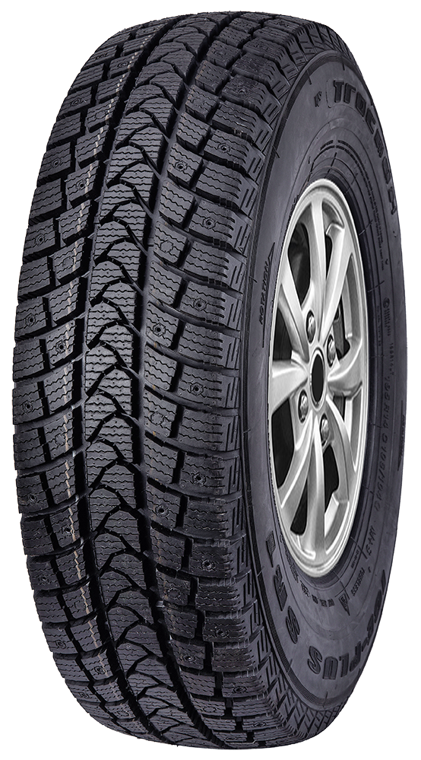 | 80 | 6.9 | 2150 |  | 0.00
RKSR1R1301 | 155R13C | 90/88Q | 8PR | ICE-PLUS SR1 |  | 80 | 7.48 | 2070 |  | 0.00
RKSR1R1302 | 165R13C | 94/93Q | 8PR | ICE-PLUS SR1 |  | 80 | 7.82 | 1930 |  | 0.00
RKSR1R1401 | 185R14C | 102/100Q | 8PR | ICE-PLUS SR1 |  | 96 | 10.24 | 1320 |  | 0.00
RKSR1R1402 | 195R14C | 106/104Q | 8PR | ICE-PLUS SR1 |  | 96 | 11.43 | 1250 |  | 0.00
RKSR1R1601 | 185/75R16C | 104/102Q | 8PR | ICE-PLUS SR1 |  | 96 | 11.92 | 1140 |  | 0.00
RKSR1R1605 | 195/75R16C | 107/105Q | 8PR | ICE-PLUS SR1 |  | 96 | 13.06 | 1050 |  | 0.00
RKSR1R1602 | 205/65R16C | 107/105Q | 8PR | ICE-PLUS SR1 |  | 96 | 12.81 | 980 |  | 0.00
RKSR1R1603 | 215/65R16C | 109/107Q | 8PR | ICE-PLUS SR1 |  | 96 | 13.57 | 920 |  | 0.00
RKSR1R1604 | 235/65R16C | 115/113Q | 8PR | ICE-PLUS SR1 |  | 96 | 15.1 | 800 |  | 0.00
RKS550R1601 | LT225/75R16 | 115/112S | 8PR | ARGOS S550 | 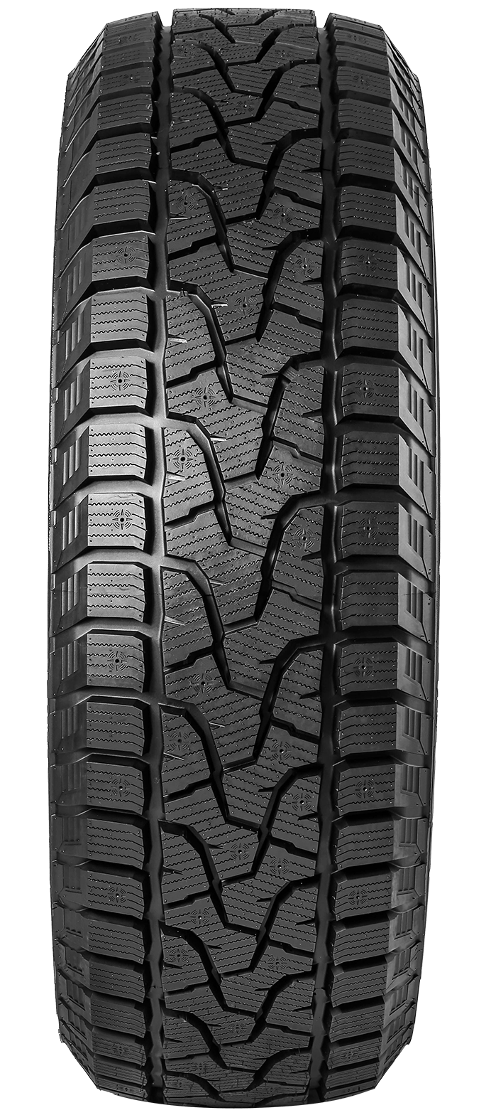 | 104 | 16.66 | 800 |  | 0.00
RKS550R1602 | LT245/75R16 | 120/116S | 8PR | ARGOS S550 |  | 110 | 18.15 | 670 |  | 0.00
RKS550R1701 | LT245/70R17 | 119/116S | 8PR | ARGOS S550 |  | 111 | 18.4 | 640 |  | 0.00
RKS550R1702 | LT265/70R17 | 121/118S | 8PR | ARGOS S550 |  | 114 | 19.99 | 600 |  | 0.00

