Quotation List
UPC | Brand | Type | SEASON | SIZE | Pattern | Load | Speed | XL | PR | pcs/40HC' | ORDER | 40"HC | Tread Pattern
6924590219618 | MAZZINI | PCR | SUMMER | 175/70R13 | FALCONER F1 | 82 | T |  |  | 1800 |  | 0.000 | 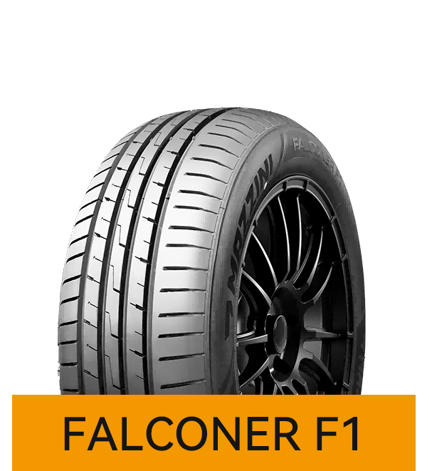
6924590219625 | MAZZINI | PCR | SUMMER | 175/65R14 | FALCONER F1 | 82 | H |  |  | 1830 |  | 0.000
6924590219632 | MAZZINI | PCR | SUMMER | 175/70R14 | FALCONER F1 | 84 | T |  |  | 1700 |  | 0.000
6924590271821 | MAZZINI | PCR | SUMMER | 185/55R15 | FALCONER F1 | 82 | V |  |  | 1400 |  | 0.000
6924590219649 | MAZZINI | PCR | SUMMER | 185/60R15 | FALCONER F1 | 88 | H | XL |  | 1450 |  | 0.000
6924590219656 | MAZZINI | PCR | SUMMER | 185/65R15 | FALCONER F1 | 88 | H |  |  | 1440 |  | 0.000
6924590219663 | MAZZINI | PCR | SUMMER | 195/50R15 | FALCONER F1 | 82 | V |  |  | 1430 |  | 0.000
6924590219670 | MAZZINI | PCR | SUMMER | 195/55R15 | FALCONER F1 | 85 | V |  |  | 1400 |  | 0.000
6924590219687 | MAZZINI | PCR | SUMMER | 195/60R15 | FALCONER F1 | 88 | V |  |  | 1370 |  | 0.000
6924590219694 | MAZZINI | PCR | SUMMER | 195/65R15 | FALCONER F1 | 91 | V |  |  | 1290 |  | 0.000
6924590219700 | MAZZINI | PCR | SUMMER | 205/65R15 | FALCONER F1 | 94 | H |  |  | 1120 |  | 0.000
6924590219717 | MAZZINI | PCR | SUMMER | 195/55R16 | FALCONER F1 | 87 | V |  |  | 1280 |  | 0.000
6924590219724 | MAZZINI | PCR | SUMMER | 205/55R16 | FALCONER F1 | 91 | V |  |  | 1256 |  | 0.000
6924590219731 | MAZZINI | PCR | SUMMER | 205/60R16 | FALCONER F1 | 92 | V |  |  | 1188 |  | 0.000
6924590219748 | MAZZINI | PCR | SUMMER | 215/55ZR16 | FALCONER F1 | 97 | W | XL |  | 1040 |  | 0.000
6924590219755 | MAZZINI | PCR | SUMMER | 215/60R16 | FALCONER F1 | 95 | H |  |  | 1000 |  | 0.000
6924590271777 | MAZZINI | PCR | SUMMER | 205/45ZR17 | FALCONER F1 | 88 | W | XL |  | 1160 |  | 0.000
6924590219762 | MAZZINI | PCR | SUMMER | 205/50ZR17 | FALCONER F1 | 93 | W | XL |  | 1140 |  | 0.000
6924590271784 | MAZZINI | PCR | SUMMER | 215/45ZR17 | FALCONER F1 | 91 | W | XL |  | 1070 |  | 0.000
6924590219779 | MAZZINI | PCR | SUMMER | 215/50ZR17 | FALCONER F1 | 95 | W | XL |  | 1010 |  | 0.000
6924590219786 | MAZZINI | PCR | SUMMER | 215/55ZR17 | FALCONER F1 | 98 | W | XL |  | 940 |  | 0.000
6924590271807 | MAZZINI | PCR | SUMMER | 225/45ZR17 | FALCONER F1 | 94 | W | XL |  | 1000 |  | 0.000
6924590219793 | MAZZINI | PCR | SUMMER | 225/50ZR17 | FALCONER F1 | 98 | W | XL |  | 930 |  | 0.000
6924590271791 | MAZZINI | PCR | SUMMER | 225/40ZR18 | FALCONER F1 | 92 | W | XL |  | 1000 |  | 0.000
6924590271814 | MAZZINI | PCR | SUMMER | 245/45ZR18 | FALCONER F1 | 100 | W | XL |  | 780 |  | 0.000
6924590273597 | MAZZINI | PCR | SUMMER | 155/70R13 | ECO307+ | 75 | T |  |  | 2200 |  | 0.000 | 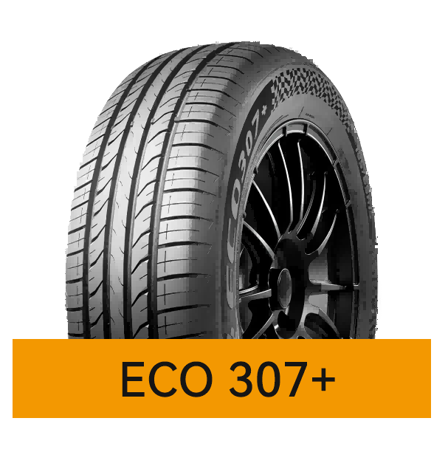
6924590270619 | MAZZINI | PCR | SUMMER | 155/80R13 | ECO307+ | 79 | T |  |  | 2060 |  | 0.000
6924590270596 | MAZZINI | PCR | SUMMER | 155/65R13 | ECO307+ | 73 | T |  |  | 2200 |  | 0.000
6924590273604 | MAZZINI | PCR | SUMMER | 165/70R13 | ECO307+ | 79 | T |  |  | 1900 |  | 0.000
6924590270633 | MAZZINI | PCR | SUMMER | 165/65R13 | ECO307+ | 77 | T |  |  | 2000 |  | 0.000
6924590273481 | MAZZINI | PCR | SUMMER | 175/60R13 | ECO307+ | 77 | H |  |  | 1900 |  | 0.000
6924590270688 | MAZZINI | PCR | SUMMER | 175/70R13 | ECO307+ | 82 | T |  |  | 1800 |  | 0.000
6924590270749 | MAZZINI | PCR | SUMMER | 185/70R13 | ECO307+ | 86 | H |  |  | 1650 |  | 0.000
6924590273611 | MAZZINI | PCR | SUMMER | 155/70R14 | ECO307+ | 77 | T |  |  | 2000 |  | 0.000
6924590270602 | MAZZINI | PCR | SUMMER | 155/65R14 | ECO307+ | 75 | T |  |  | 2200 |  | 0.000
6924590273498 | MAZZINI | PCR | SUMMER | 165/65R14 | ECO307+ | 79 | T |  |  | 2060 |  | 0.000
6924590270640 | MAZZINI | PCR | SUMMER | 165/70R14 | ECO307+ | 85 | T | XL |  | 1850 |  | 0.000
6924590270626 | MAZZINI | PCR | SUMMER | 165/60R14 | ECO307+ | 75 | H |  |  | 1900 |  | 0.000
6924590270695 | MAZZINI | PCR | SUMMER | 175/70R14 | ECO307+ | 84 | T |  |  | 1700 |  | 0.000
6924590270657 | MAZZINI | PCR | SUMMER | 175/65R14 | ECO307+ | 82 | T |  |  | 1750 |  | 0.000
6924590270756 | MAZZINI | PCR | SUMMER | 185/70R14 | ECO307+ | 88 | H |  |  | 1440 |  | 0.000
6924590270725 | MAZZINI | PCR | SUMMER | 185/65R14 | ECO307+ | 86 | H |  |  | 1470 |  | 0.000
6924590270718 | MAZZINI | PCR | SUMMER | 185/60R14 | ECO307+ | 82 | H |  |  | 1630 |  | 0.000
6924590270787 | MAZZINI | PCR | SUMMER | 195/70R14 | ECO307+ | 91 | H |  |  | 1300 |  | 0.000
6924590270848 | MAZZINI | PCR | SUMMER | 205/70R14 | ECO307+ | 95 | H |  |  | 1150 |  | 0.000
6924590273512 | MAZZINI | PCR | SUMMER | 165/65R15 | ECO307+ | 81 | H |  |  | 1850 |  | 0.000
6924590273505 | MAZZINI | PCR | SUMMER | 165/60R15 | ECO307+ | 81 | H | XL |  | 1850 |  | 0.000
6924590273536 | MAZZINI | PCR | SUMMER | 175/60R15 | ECO307+ | 81 | H |  |  | 1850 |  | 0.000
6924590273529 | MAZZINI | PCR | SUMMER | 175/50R15 | ECO307+ | 75 | H |  |  | 1900 |  | 0.000
6924590270671 | MAZZINI | PCR | SUMMER | 175/65R15 | ECO307+ | 84 | H |  |  | 1650 |  | 0.000
6924590270923 | MAZZINI | PCR | SUMMER | 185/60R15 | ECO307+ | 84 | H |  |  | 1450 |  | 0.000
6924590270916 | MAZZINI | PCR | SUMMER | 185/55R15 | ECO307+ | 86 | V | XL |  | 1560 |  | 0.000
6924590270732 | MAZZINI | PCR | SUMMER | 185/65R15 | ECO307+ | 88 | H |  |  | 1410 |  | 0.000
6924590270961 | MAZZINI | PCR | SUMMER | 195/60R15 | ECO307+ | 88 | H |  |  | 1300 |  | 0.000
6924590270947 | MAZZINI | PCR | SUMMER | 195/55R15 | ECO307+ | 85 | V |  |  | 1356 |  | 0.000
6924590270930 | MAZZINI | PCR | SUMMER | 195/50R15 | ECO307+ | 82 | V |  |  | 1430 |  | 0.000
6924590270763 | MAZZINI | PCR | SUMMER | 195/65R15 | ECO307+ | 91 | H |  |  | 1260 |  | 0.000
6924590270855 | MAZZINI | PCR | SUMMER | 205/70R15 | ECO307+ | 96 | H |  |  | 1050 |  | 0.000
6924590270824 | MAZZINI | PCR | SUMMER | 205/65R15 | ECO307+ | 94 | V |  |  | 1120 |  | 0.000
6924590270817 | MAZZINI | PCR | SUMMER | 205/60R15 | ECO307+ | 91 | V |  |  | 1200 |  | 0.000
6924590273543 | MAZZINI | PCR | SUMMER | 215/65R15 | ECO307+ | 96 | H |  |  | 1000 |  | 0.000
6924590270879 | MAZZINI | PCR | SUMMER | 215/70R15 | ECO307+ | 98 | H |  |  | 1000 |  | 0.000
6924590273550 | MAZZINI | PCR | SUMMER | 225/60R15 | ECO307+ | 96 | V |  |  | 1140 |  | 0.000
6924590270701 | MAZZINI | PCR | SUMMER | 185/55R16 | ECO307+ | 83 | V |  |  | 1900 |  | 0.000
6924590273567 | MAZZINI | PCR | SUMMER | 195/60R16 | ECO307+ | 93 | V | XL |  | 1210 |  | 0.000
6924590270992 | MAZZINI | PCR | SUMMER | 195/55R16 | ECO307+ | 91 | V | XL |  | 1280 |  | 0.000
6924590270985 | MAZZINI | PCR | SUMMER | 195/50R16 | ECO307+ | 84 | V |  |  | 1300 |  | 0.000
6924590270978 | MAZZINI | PCR | SUMMER | 195/45R16 | ECO307+ | 84 | V | XL |  | 1350 |  | 0.000
6924590271036 | MAZZINI | PCR | SUMMER | 205/60R16 | ECO307+ | 92 | H |  |  | 1140 |  | 0.000
6924590271012 | MAZZINI | PCR | SUMMER | 205/50R16 | ECO307+ | 87 | V |  |  | 1160 |  | 0.000
6924590271005 | MAZZINI | PCR | SUMMER | 205/45ZR16 | ECO307+ | 87 | W | XL |  | 1200 |  | 0.000
6924590270831 | MAZZINI | PCR | SUMMER | 205/65R16 | ECO307+ | 95 | V |  |  | 1060 |  | 0.000
6924590270800 | MAZZINI | PCR | SUMMER | 205/55ZR16 | ECO307+ | 94 | W | XL |  | 1176 |  | 0.000
6924590270794 | MAZZINI | PCR | SUMMER | 205/55R16 | ECO307+ | 91 | V |  |  | 1176 |  | 0.000
6924590271050 | MAZZINI | PCR | SUMMER | 215/65R16 | ECO307+ | 98 | V |  |  | 980 |  | 0.000
6924590271043 | MAZZINI | PCR | SUMMER | 215/55ZR16 | ECO307+ | 97 | W | XL |  | 1040 |  | 0.000
6924590270862 | MAZZINI | PCR | SUMMER | 215/60R16 | ECO307+ | 99 | V | XL |  | 1000 |  | 0.000
6924590273573 | MAZZINI | PCR | SUMMER | 225/60R16 | ECO307+ | 98 | H |  |  | 970 |  | 0.000
6924590273580 | MAZZINI | PCR | SUMMER | 235/60R16 | ECO307+ | 100 | V |  |  | 850 |  | 0.000
6924590272279 | MAZZINI | PCR | SUMMER | 175/60R14 | NITROGRIP G5 | 79 | H |  |  | 1900 |  | 0.000 | 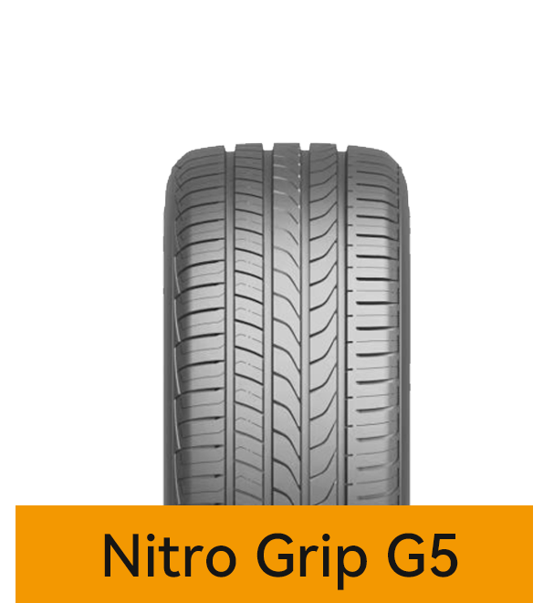 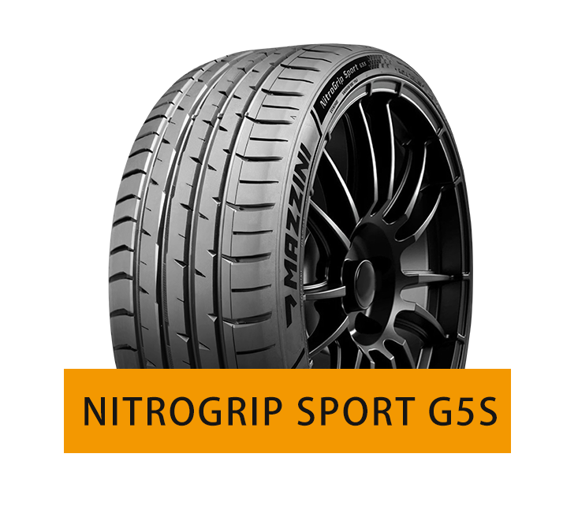
6924590272286 | MAZZINI | PCR | SUMMER | 195/60R14 | NITROGRIP G5 | 86 | H |  |  | 1400 |  | 0.000
6924590272316 | MAZZINI | PCR | SUMMER | 185/50R16 | NITROGRIP G5 | 81 | V |  |  | 1850 |  | 0.000
6924590272309 | MAZZINI | PCR | SUMMER | 215/45ZR16 | NITROGRIP G5 | 90 | W | XL |  | 1250 |  | 0.000
6924590272323 | MAZZINI | PCR | SUMMER | 225/50ZR16 | NITROGRIP G5 | 96 | W | XL |  | 950 |  | 0.000
6924590272330 | MAZZINI | PCR | SUMMER | 225/55ZR16 | NITROGRIP G5 | 99 | W | XL |  | 920 |  | 0.000
6924590272347 | MAZZINI | PCR | SUMMER | 225/60R16 | NITROGRIP G5 | 98 | H |  |  | 970 |  | 0.000
6924590272644 | MAZZINI | PCR | SUMMER | 235/60R16 | NITROGRIP G5 | 100 | V |  |  | 850 |  | 0.000
6924590272620 | MAZZINI | PCR | SUMMER | 195/40ZR17 | NITROGRIP G5 | 81 | W | XL |  | 1250 |  | 0.000
6924590272637 | MAZZINI | PCR | SUMMER | 195/45ZR17 | NITROGRIP G5 | 85 | W | XL |  | 1200 |  | 0.000
6924590272507 | MAZZINI | PCR | SUMMER | 205/40ZR17 | NITROGRIP G5 | 84 | W | XL |  | 1160 |  | 0.000
6924590272521 | MAZZINI | PCR | SUMMER | 205/45ZR17 | NITROGRIP G5 | 84 | W |  |  | 1160 |  | 0.000
6924590272354 | MAZZINI | PCR | SUMMER | 205/50ZR17 | NITROGRIP G5 | 93 | W | XL |  | 1070 |  | 0.000
6924590272361 | MAZZINI | PCR | SUMMER | 205/55ZR17 | NITROGRIP G5 | 95 | W | XL |  | 1050 |  | 0.000
6924590272514 | MAZZINI | PCR | SUMMER | 215/40ZR17 | NITROGRIP G5 | 87 | W | XL |  | 1100 |  | 0.000
6924590272538 | MAZZINI | PCR | SUMMER | 215/45ZR17 | NITROGRIP G5 | 91 | Y | XL |  | 1070 |  | 0.000
6924590272378 | MAZZINI | PCR | SUMMER | 215/50ZR17 | NITROGRIP G5 | 95 | W | XL |  | 1010 |  | 0.000
6924590272385 | MAZZINI | PCR | SUMMER | 215/55ZR17 | NITROGRIP G5 | 98 | W | XL |  | 940 |  | 0.000
6924590272392 | MAZZINI | PCR | SUMMER | 225/45ZR17 | NITROGRIP G5 | 94 | W | XL |  | 990 |  | 0.000
6924590272408 | MAZZINI | PCR | SUMMER | 225/50ZR17 | NITROGRIP G5 | 98 | W | XL |  | 930 |  | 0.000
6924590272415 | MAZZINI | PCR | SUMMER | 225/55ZR17 | NITROGRIP G5 | 101 | W | XL |  | 900 |  | 0.000
6924590272422 | MAZZINI | PCR | SUMMER | 235/45ZR17 | NITROGRIP G5 | 97 | W | XL |  | 900 |  | 0.000
6924590272545 | MAZZINI | PCR | SUMMER | 235/50ZR17 | NITROGRIP G5 | 100 | W | XL |  | 850 |  | 0.000
6924590272439 | MAZZINI | PCR | SUMMER | 235/55ZR17 | NITROGRIP G5 | 103 | W | XL |  | 820 |  | 0.000
6924590272552 | MAZZINI | PCR | SUMMER | 215/45ZR18 | NITROGRIP G5 | 93 | Y | XL |  | 850 |  | 0.000
6924590272569 | MAZZINI | PCR | SUMMER | 215/50ZR18 | NITROGRIP G5 | 92 | W |  |  | 900 |  | 0.000
6924590272583 | MAZZINI | PCR | SUMMER | 215/55ZR18 | NITROGRIP G5 | 99 | W | XL |  | 900 |  | 0.000
6924590272446 | MAZZINI | PCR | SUMMER | 225/45ZR18 | NITROGRIP G5 | 95 | W | XL |  | 930 |  | 0.000
6924590272491 | MAZZINI | PCR | SUMMER | 225/50ZR18 | NITROGRIP G5 | 95 | W |  |  | 810 |  | 0.000
6924590272484 | MAZZINI | PCR | SUMMER | 225/55R18 | NITROGRIP G5 | 98 | V |  |  | 810 |  | 0.000
6924590272453 | MAZZINI | PCR | SUMMER | 235/45ZR18 | NITROGRIP G5 | 98 | Y | XL |  | 830 |  | 0.000
6924590272460 | MAZZINI | PCR | SUMMER | 235/50ZR18 | NITROGRIP G5 | 101 | W | XL |  | 800 |  | 0.000
6924590273153 | MAZZINI | PCR | SUMMER | 235/55ZR18 | NITROGRIP G5 | 104 | W | XL |  | 760 |  | 0.000
6924590272477 | MAZZINI | PCR | SUMMER | 245/45ZR18 | NITROGRIP G5 | 100 | W | XL |  | 780 |  | 0.000
6924590272576 | MAZZINI | PCR | SUMMER | 245/50ZR18 | NITROGRIP G5 | 104 | W | XL |  | 800 |  | 0.000
6924590272606 | MAZZINI | PCR | SUMMER | 205/55ZR19 | NITROGRIP G5 | 97 | W | XL |  | 750 |  | 0.000
6924590272613 | MAZZINI | PCR | SUMMER | 195/55R20 | NITROGRIP G5 | 95 | V | XL |  | 850 |  | 0.000
6924590273161 | MAZZINI | PCR | SUMMER | 325/35ZR22 | NITROGRIP SPORT G5S | 114 | Y | XL |  | 480 |  | 0.000
6924590273177 | MAZZINI | PCR | SUMMER | 215/35ZR18 | NITROGRIP SPORT G5S | 84 | Y | XL |  | 1100 |  | 0.000
6924590212015 | MAZZINI | PCR | SUMMER | 195/50R15 | ECO607 | 82 | V |  |  | 1430 |  | 0.000 | 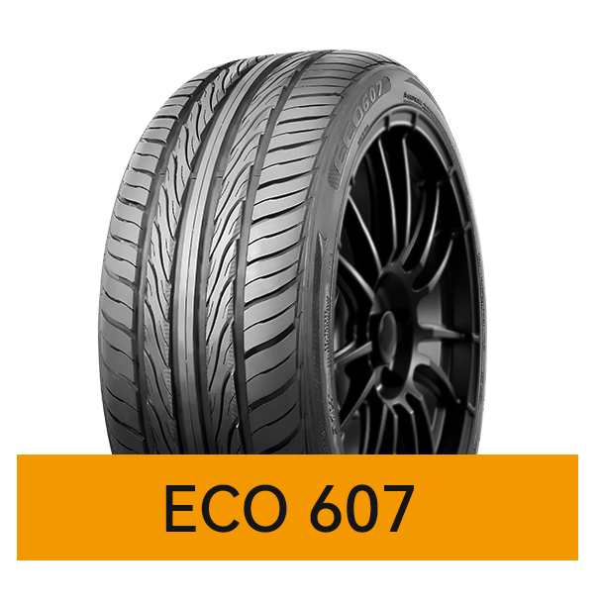 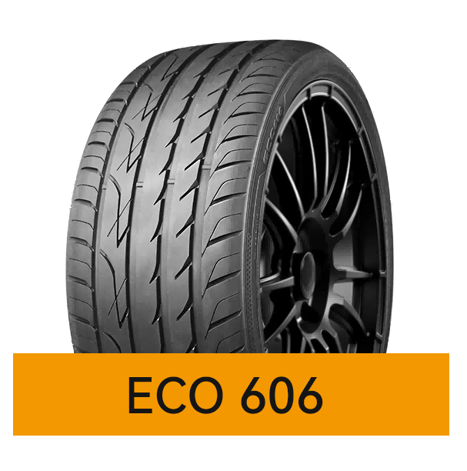
6924590212008 | MAZZINI | PCR | SUMMER | 195/55R15 | ECO607 | 85 | V |  |  | 1356 |  | 0.000
6924590270091 | MAZZINI | PCR | SUMMER | 195/55R16 | ECO607 | 87 | V |  |  | 1280 |  | 0.000
6924590212053 | MAZZINI | PCR | SUMMER | 205/50ZR16 | ECO607 | 87 | W |  |  | 1160 |  | 0.000
6924590212022 | MAZZINI | PCR | SUMMER | 205/55ZR16 | ECO607 | 94 | W | XL |  | 1190 |  | 0.000
6924590212039 | MAZZINI | PCR | SUMMER | 215/55ZR16 | ECO607 | 97 | W | XL |  | 1040 |  | 0.000
6924590212510 | MAZZINI | PCR | SUMMER | 225/50ZR16 | ECO607 | 96 | W | XL |  | 950 |  | 0.000
6924590212046 | MAZZINI | PCR | SUMMER | 225/55R16 | ECO607 | 95 | V |  |  | 920 |  | 0.000
6924590212176 | MAZZINI | PCR | SUMMER | 205/40ZR17 | ECO607 | 84 | W | XL |  | 1160 |  | 0.000
6924590212121 | MAZZINI | PCR | SUMMER | 205/45ZR17 | ECO607 | 88 | W | XL |  | 1160 |  | 0.000
6924590212091 | MAZZINI | PCR | SUMMER | 205/50ZR17 | ECO607 | 93 | W | XL |  | 1070 |  | 0.000
6924590212374 | MAZZINI | PCR | SUMMER | 215/40ZR17 | ECO607 | 87 | W | XL |  | 1100 |  | 0.000
6924590212138 | MAZZINI | PCR | SUMMER | 215/45ZR17 | ECO607 | 91 | W | XL |  | 1070 |  | 0.000
6924590212107 | MAZZINI | PCR | SUMMER | 215/50ZR17 | ECO607 | 95 | W | XL |  | 1010 |  | 0.000
6924590212060 | MAZZINI | PCR | SUMMER | 215/55ZR17 | ECO607 | 98 | W | XL |  | 940 |  | 0.000
6924590212077 | MAZZINI | PCR | SUMMER | 225/55ZR17 | ECO607 | 101 | W | XL |  | 900 |  | 0.000
6924590212145 | MAZZINI | PCR | SUMMER | 225/45ZR17 | ECO607 | 94 | W | XL |  | 990 |  | 0.000
6924590212114 | MAZZINI | PCR | SUMMER | 225/50ZR17 | ECO607 | 98 | W | XL |  | 930 |  | 0.000
6924590214538 | MAZZINI | PCR | SUMMER | 235/50ZR17 | ECO607 | 100 | W | XL |  | 850 |  | 0.000
6924590212572 | MAZZINI | PCR | SUMMER | 235/55ZR17 | ECO607 | 103 | W | XL |  | 820 |  | 0.000
6924590212527 | MAZZINI | PCR | SUMMER | 245/40ZR17 | ECO607 | 95 | W | XL |  | 860 |  | 0.000
6924590212169 | MAZZINI | PCR | SUMMER | 245/45ZR17 | ECO607 | 99 | W | XL |  | 830 |  | 0.000
...
 |  |  |  |  |  |  | Speed | XL | PR | pcs/40HC' | ORDER | 40"HC | Tread Pattern
 |  |  |  |  |  |  | Y | XL |  | 780 |  | 0.000
 |  |  |  |  |  |  | Y | XL |  | 750 |  | 0.000
 |  |  |  |  |  |  | W | XL |  | 700 |  | 0.000
 |  |  |  |  |  |  | W | XL |  | 600 |  | 0.000
 |  |  |  |  |  |  | W | XL |  | 840 |  | 0.000
 |  |  |  |  |  |  | W | XL |  | 770 |  | 0.000
 |  |  |  |  |  |  | W | XL |  | 750 |  | 0.000
 |  |  |  |  |  |  | Y | XL |  | 610 |  | 0.000
 |  |  |  |  |  |  | V | XL |  | 580 |  | 0.000
 |  |  |  |  |  |  | W | XL |  | 480 |  | 0.000
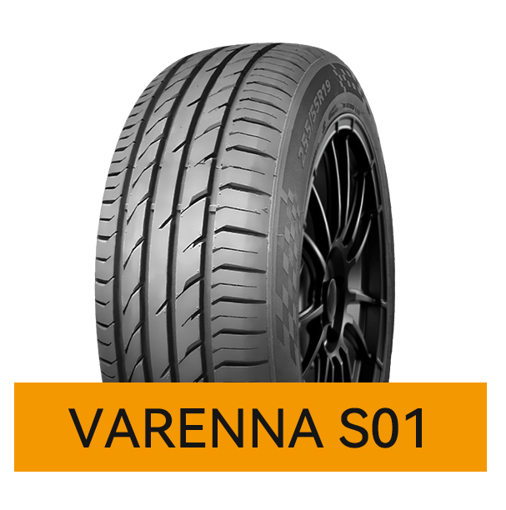
 |  |  |  |  |  |  | V | XL |  | 500 |  | 0.000
 |  |  |  |  |  |  | W | XL |  | 600 |  | 0.000
 |  |  |  |  |  |  | W | XL |  | 500 |  | 0.000
 |  |  |  |  |  |  | W | XL |  | 500 |  | 0.000
 |  |  |  |  |  |  | W | XL |  | 480 |  | 0.000
 |  |  |  |  |  |  | W | XL |  | 380 |  | 0.000
 |  |  |  |  |  |  | W |  |  | 720 |  | 0.000
 |  |  |  |  |  |  | W |  |  | 640 |  | 0.000
 |  |  |  |  |  |  | Y | XL |  | 510 |  | 0.000
 |  |  |  |  |  |  | V |  |  | 750 |  | 0.000
 |  |  |  |  |  |  | V |  |  | 730 |  | 0.000
 |  |  |  |  |  |  | W | XL |  | 700 |  | 0.000
 |  |  |  |  |  |  | Y | XL |  | 780 |  | 0.000
 |  |  |  |  |  |  | Y | XL |  | 750 |  | 0.000
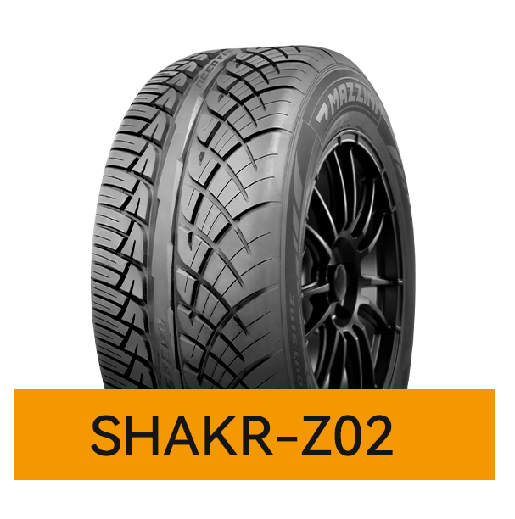
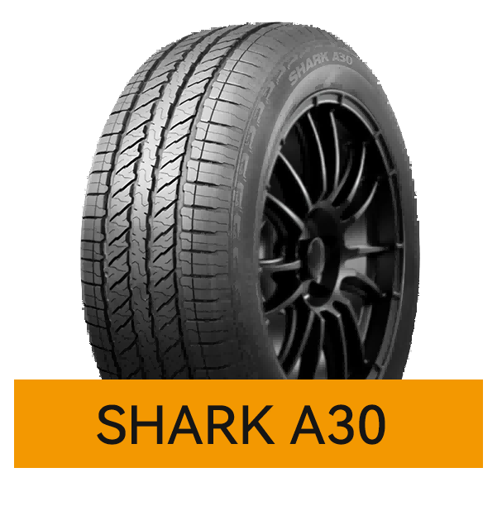
 |  |  |  |  |  |  | V |  |  | 720 |  | 0.000
 |  |  |  |  |  |  | V | XL |  | 600 |  | 0.000
 |  |  |  |  |  |  | Y | XL |  | 720 |  | 0.000
 |  |  |  |  |  |  | Y |  |  | 660 |  | 0.000
 |  |  |  |  |  |  | V |  |  | 640 |  | 0.000
 |  |  |  |  |  |  | H | XL |  | 650 |  | 0.000
 |  |  |  |  |  |  | V |  |  | 595 |  | 0.000
 |  |  |  |  |  |  | W | XL |  | 600 |  | 0.000
 |  |  |  |  |  |  | V |  |  | 600 |  | 0.000
 |  |  |  |  |  |  | V | XL |  | 600 |  | 0.000
 |  |  |  |  |  |  | H |  |  | 1000 |  | 0.000 | 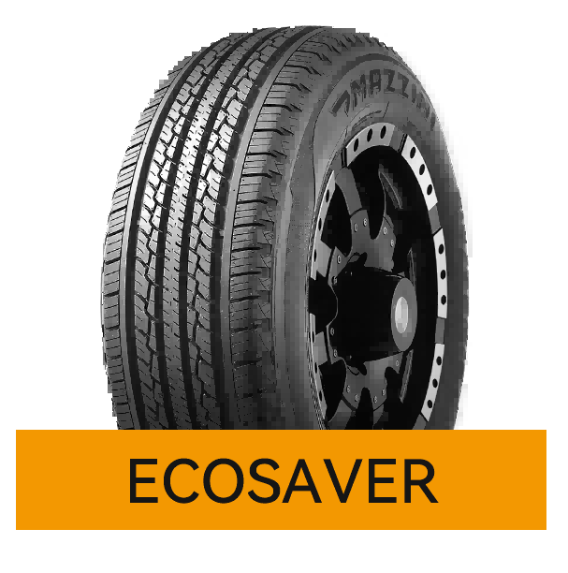
 |  |  |  |  |  |  | H |  |  | 920 |  | 0.000
 |  |  |  |  |  |  | H |  |  | 930 |  | 0.000
 |  |  |  |  |  |  | H |  |  | 850 |  | 0.000
 |  |  |  |  |  |  | H |  |  | 750 |  | 0.000
 |  |  |  |  |  |  | H |  |  | 600 |  | 0.000
 |  |  |  |  |  |  | V | XL |  | 1140 |  | 0.000
 |  |  |  |  |  |  | H | XL |  | 1000 |  | 0.000
 |  |  |  |  |  |  | H |  |  | 980 |  | 0.000
 |  |  |  |  |  |  | H |  |  | 850 |  | 0.000
 |  |  |  |  |  |  | H |  |  | 700 |  | 0.000
 |  |  |  |  |  |  | H |  |  | 600 |  | 0.000
 |  |  |  |  |  |  | T |  |  | 600 |  | 0.000
 |  |  |  |  |  |  | H |  |  | 500 |  | 0.000
 |  |  |  |  |  |  | H |  |  | 520 |  | 0.000
 |  |  |  |  |  |  | H |  |  | 450 |  | 0.000
 |  |  |  |  |  |  | V | XL |  | 900 |  | 0.000
 |  |  |  |  |  |  | V | XL |  | 760 |  | 0.000
 |  |  |  |  |  |  | V | XL |  | 700 |  | 0.000
 |  |  |  |  |  |  | V |  |  | 600 |  | 0.000
 |  |  |  |  |  |  | H |  |  | 850 |  | 0.000 | 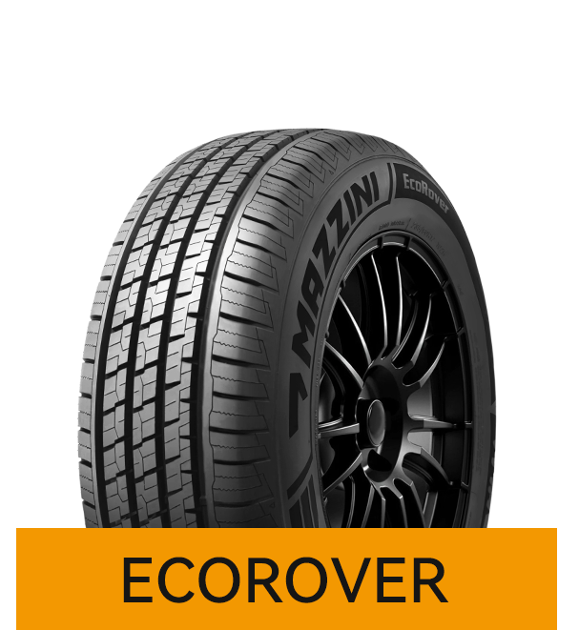
 |  |  |  |  |  |  | H |  |  | 830 |  | 0.000
 |  |  |  |  |  |  | T |  |  | 700 |  | 0.000
 |  |  |  |  |  |  | H |  |  | 920 |  | 0.000
 |  |  |  |  |  |  | T |  |  | 864 |  | 0.000
 |  |  |  |  |  |  | H |  |  | 780 |  | 0.000
 |  |  |  |  |  |  | H |  |  | 700 |  | 0.000
 |  |  |  |  |  |  | T |  |  | 660 |  | 0.000
 |  |  |  |  |  |  | T |  |  | 560 |  | 0.000
 |  |  |  |  |  |  | T |  |  | 600 |  | 0.000
 |  |  |  |  |  |  | H | XL |  | 900 |  | 0.000
...
 |  |  |  |  |  |  | Speed | XL | PR | pcs/40HC' | ORDER | 40"HC | Tread Pattern
 |  |  |  |  |  |  | H | XL |  | 810 |  | 0.000
 |  |  |  |  |  |  | V | XL |  | 770 |  | 0.000
 |  |  |  |  |  |  | H |  |  | 690 |  | 0.000
 |  |  |  |  |  |  | H |  |  | 595 |  | 0.000
 |  |  |  |  |  |  | H | XL |  | 500 |  | 0.000
 |  |  |  |  |  |  | H | XL |  | 630 |  | 0.000
 |  |  |  |  |  |  | H |  |  | 550 |  | 0.000
 |  |  |  |  |  |  | H |  |  | 550 |  | 0.000
 |  |  |  |  |  |  | H | XL |  | 500 |  | 0.000
 |  |  |  |  |  |  | H |  |  | 500 |  | 0.000
 |  |  |  |  |  |  | T |  |  | 920 |  | 0.000 | 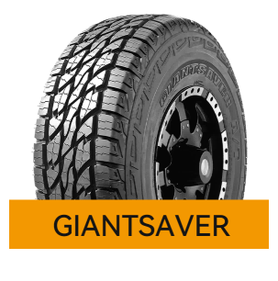
 |  |  |  |  |  |  | T | XL |  | 864 |  | 0.000
 |  |  |  |  |  |  | T |  |  | 780 |  | 0.000
 |  |  |  |  |  |  | T | XL |  | 700 |  | 0.000
 |  |  |  |  |  |  | T |  |  | 660 |  | 0.000
 |  |  |  |  |  |  | T |  |  | 580 |  | 0.000
 |  |  |  |  |  |  | T |  |  | 580 |  | 0.000
 |  |  |  |  |  |  | T |  |  | 596 |  | 0.000
 |  |  |  |  |  |  | T |  |  | 520 |  | 0.000
 |  |  |  |  |  |  | T |  |  | 595 |  | 0.000
 |  |  |  |  |  |  | S |  | 8PR | 820 |  | 0.000
...
 |  |  |  |  |  |  | Speed | XL | PR | pcs/40HC' | ORDER | 40"HC | Tread Pattern
 |  |  |  |  |  |  | S |  | 10PR | 660 |  | 0.000
 |  |  |  |  |  |  | R |  | 10PR | 600 |  | 0.000
 |  |  |  |  |  |  | S |  | 10PR | 584 |  | 0.000
 |  |  |  |  |  |  | R |  | 10PR | 470 |  | 0.000
 |  |  |  |  |  |  | S |  | 10PR | 564 |  | 0.000
 |  |  |  |  |  |  | S |  | 10PR | 530 |  | 0.000
 |  |  |  |  |  |  | S |  | 10PR | 480 |  | 0.000
 |  |  |  |  |  |  | R |  | 10PR | 300 |  | 0.000
 |  |  |  |  |  |  | R |  | 10PR | 430 |  | 0.000
 |  |  |  |  |  |  | S |  | 10PR | 530 |  | 0.000
 |  |  |  |  |  |  | W | XL |  | 880 |  | 0.000 | 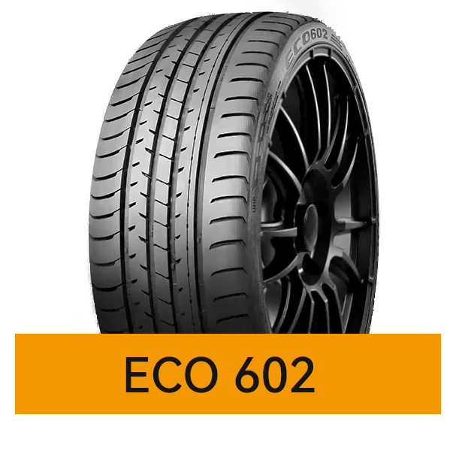
 |  |  |  |  |  |  | Y | XL |  | 980 |  | 0.000
 |  |  |  |  |  |  | Y | XL |  | 670 |  | 0.000
 |  |  |  |  |  |  | Y | XL |  | 630 |  | 0.000
 |  |  |  |  |  |  | Y | XL |  | 600 |  | 0.000
 |  |  |  |  |  |  | Y | XL |  | 599 |  | 0.000
 |  |  |  |  |  |  | W |  |  | 550 |  | 0.000
 |  |  |  |  |  |  | W | XL |  | 600 |  | 0.000
 |  |  |  |  |  |  | W | XL |  | 900 |  | 0.000
 |  |  |  |  |  |  | W | XL |  | 600 |  | 0.000
 |  |  |  |  |  |  | Y | XL |  | 555 |  | 0.000
...
 |  |  |  |  |  |  | Speed | XL | PR | pcs/40HC' | ORDER | 40"HC | Tread Pattern
 |  |  |  |  |  |  | Y | XL |  | 590 |  | 0.000
 |  |  |  |  |  |  | Y | XL |  | 592 |  | 0.000
 |  |  |  |  |  |  | Y | XL |  | 520 |  | 0.000
 |  |  |  |  |  |  | Y | XL |  | 400 |  | 0.000
 |  |  |  |  |  |  | Y | XL |  | 700 |  | 0.000
 |  |  |  |  |  |  | Y | XL |  | 520 |  | 0.000
 |  |  |  |  |  |  | Y | XL |  | 460 |  | 0.000
 |  |  |  |  |  |  | Y | XL |  | 600 |  | 0.000
 |  |  |  |  |  |  | Y | XL |  | 330 |  | 0.000
 |  |  |  |  |  |  | W | XL |  | 680 |  | 0.000
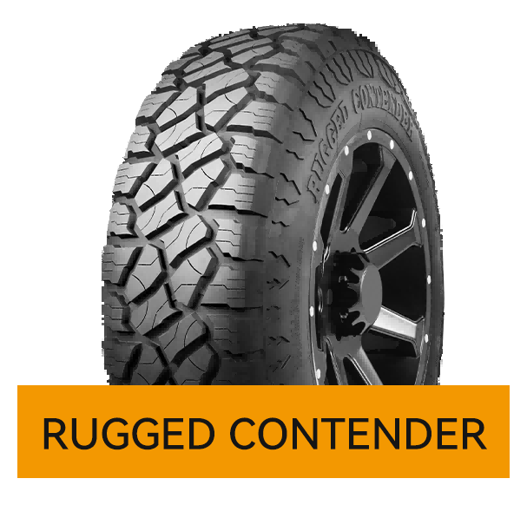
 |  |  |  |  |  |  | W |  |  | 670 |  | 0.000
 |  |  |  |  |  |  | Q |  | 10PR | 380 |  | 0.000
 |  |  |  |  |  |  | Q |  | 10PR | 380 |  | 0.000
 |  |  |  |  |  |  | Q |  | 10PR | 380 |  | 0.000
 |  |  |  |  |  |  | Q |  | 10PR | 340 |  | 0.000
 |  |  |  |  |  |  | Q |  | 10PR | 480 |  | 0.000
 |  |  |  |  |  |  | Q |  | 10PR | 380 |  | 0.000
 |  |  |  |  |  |  | Q |  | 10PR | 620 |  | 0.000
 |  |  |  |  |  |  | Q |  | 6PR | 750 |  | 0.000
 |  |  |  |  |  |  | Q |  | 6PR | 520 |  | 0.000
 |  |  |  |  |  |  | Q |  | 8PR | 820 |  | 0.000
 |  |  |  |  |  |  | Q |  | 8PR | 760 |  | 0.000
 |  |  |  |  |  |  | Q |  | 8PR | 660 |  | 0.000
 |  |  |  |  |  |  | Q |  | 10PR | 520 |  | 0.000
 |  |  |  |  |  |  | Q |  | 10PR | 488 |  | 0.000
 |  |  |  |  |  |  | Q |  | 10PR | 386 |  | 0.000
 |  |  |  |  |  |  | Q |  | 10PR | 520 |  | 0.000
 |  |  |  |  |  |  | Q |  | 10PR | 470 |  | 0.000
 |  |  |  |  |  |  | Q |  | 10PR | 438 |  | 0.000
 |  |  |  |  |  |  | Q |  | 10PR | 386 |  | 0.000
 |  |  |  |  |  |  | Q |  | 10PR | 498 |  | 0.000
 |  |  |  |  |  |  | Q |  | 10PR | 410 |  | 0.000
 |  |  |  |  |  |  | Q |  | 10PR | 354 |  | 0.000
 |  |  |  |  |  |  | Q |  | 10PR | 350 |  | 0.000
 |  |  |  |  |  |  | Q |  | 10PR | 390 |  | 0.000
 |  |  |  |  |  |  | Q |  | 10PR | 344 |  | 0.000
 |  |  |  |  |  |  | S |  | 8 | 1200 |  | 0.000 | 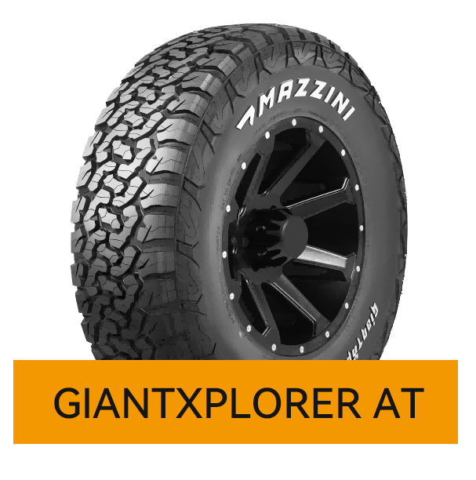
 |  |  |  |  |  |  | S |  | 8 | 1150 |  | 0.000
 |  |  |  |  |  |  | T |  | 4 | 840 |  | 0.000
 |  |  |  |  |  |  | T |  | 4 | 850 |  | 0.000
 |  |  |  |  |  |  | T |  | 4 | 669 |  | 0.000
 |  |  |  |  |  |  | T |  | 4 | 650 |  | 0.000
 |  |  |  |  |  |  | T |  | 4 | 650 |  | 0.000
 |  |  |  |  |  |  | T |  | 4 | 824 |  | 0.000
 |  |  |  |  |  |  | T |  | 4 | 639 |  | 0.000
 |  |  |  |  |  |  | T |  | 4 | 585 |  | 0.000
 |  |  |  |  |  |  | T |  | 4 | 639 |  | 0.000
...
 |  |  |  |  |  |  | Speed | XL | PR | pcs/40HC' | ORDER | 40"HC | Tread Pattern
 |  |  |  |  |  |  | S |  | 10 | 678 |  | 0.000
 |  |  |  |  |  |  | S |  | 10 | 560 |  | 0.000
 |  |  |  |  |  |  | S |  | 10 | 600 |  | 0.000
 |  |  |  |  |  |  | S |  | 8 | 580 |  | 0.000
 |  |  |  |  |  |  | Q |  | 10 | 500 |  | 0.000
 |  |  |  |  |  |  | S |  | 8 | 500 |  | 0.000
 |  |  |  |  |  |  | S |  | 10 | 550 |  | 0.000
 |  |  |  |  |  |  | T |  | 8 | 570 |  | 0.000
 |  |  |  |  |  |  | S |  | 8 | 600 |  | 0.000
 |  |  |  |  |  |  | S |  | 10 | 550 |  | 0.000
 |  |  |  |  |  |  | Q |  | 6 | 550 |  | 0.000 | 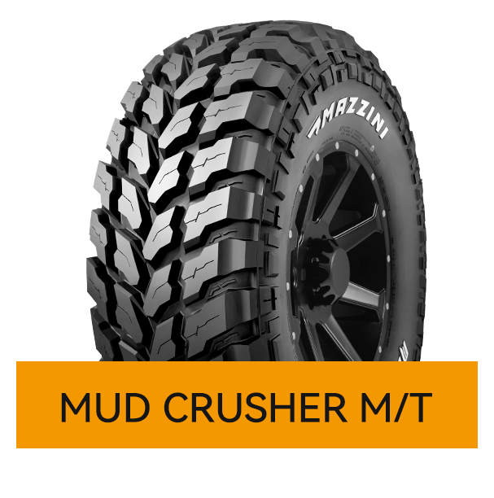
 |  |  |  |  |  |  | Q |  | 8 | 620 |  | 0.000
 |  |  |  |  |  |  | Q |  | 10 | 620 |  | 0.000
 |  |  |  |  |  |  | Q |  | 10 | 620 |  | 0.000
 |  |  |  |  |  |  | Q |  | 8 | 580 |  | 0.000
 |  |  |  |  |  |  | Q |  | 10 | 580 |  | 0.000
 |  |  |  |  |  |  | Q |  | 10 | 500 |  | 0.000
 |  |  |  |  |  |  | Q |  | 10 | 540 |  | 0.000
 |  |  |  |  |  |  | Q |  | 10 | 540 |  | 0.000
 |  |  |  |  |  |  | Q |  | 6 | 550 |  | 0.000
 |  |  |  |  |  |  | Q |  | 8 | 620 |  | 0.000
 |  |  |  |  |  |  | Q |  | 10 | 620 |  | 0.000
 |  |  |  |  |  |  | Q |  | 10 | 620 |  | 0.000
 |  |  |  |  |  |  | Q |  | 8 | 580 |  | 0.000
 |  |  |  |  |  |  | Q |  | 10 | 580 |  | 0.000
 |  |  |  |  |  |  | Q |  | 10 | 500 |  | 0.000
 |  |  |  |  |  |  | Q |  | 10 | 540 |  | 0.000
 |  |  |  |  |  |  | Q |  | 10 | 540 |  | 0.000
 |  |  |  |  |  |  | S |  | 6PR | 2000 |  | 0.000 | 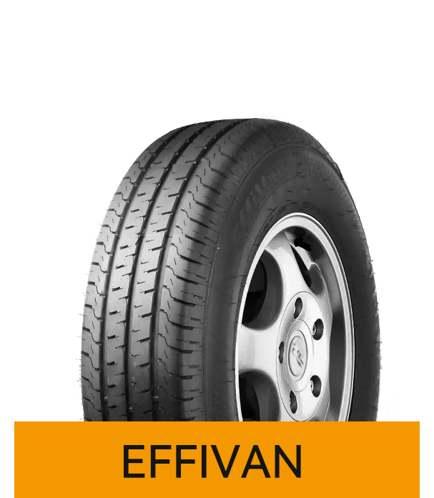
 |  |  |  |  |  |  | R |  | 8PR | 1800 |  | 0.000
 |  |  |  |  |  |  | S |  | 8PR | 1400 |  | 0.000
 |  |  |  |  |  |  | T |  | 6PR | 1850 |  | 0.000
 |  |  |  |  |  |  | R |  | 8PR | 1450 |  | 0.000
 |  |  |  |  |  |  | S |  | 6PR | 1550 |  | 0.000
 |  |  |  |  |  |  | Q |  | 8PR | 1300 |  | 0.000
 |  |  |  |  |  |  | Q |  | 8PR | 1250 |  | 0.000
 |  |  |  |  |  |  | S |  | 8PR | 1050 |  | 0.000
 |  |  |  |  |  |  | R |  | 8PR | 1100 |  | 0.000
 |  |  |  |  |  |  | Q |  | 8PR | 1100 |  | 0.000
...
 |  |  |  |  |  |  | Speed | XL | PR | pcs/40HC' | ORDER | 40"HC | Tread Pattern
 |  |  |  |  |  |  | R |  | 8PR | 1030 |  | 0.000
 |  |  |  |  |  |  | R |  | 8PR | 1050 |  | 0.000
 |  |  |  |  |  |  | R |  | 8PR | 1000 |  | 0.000
 |  |  |  |  |  |  | R |  | 10PR | 840 |  | 0.000
 |  |  |  |  |  |  | T |  | 8PR | 1150 |  | 0.000
 |  |  |  |  |  |  | R |  | 8PR | 900 |  | 0.000
 |  |  |  |  |  |  | R |  | 10PR | 840 |  | 0.000
 |  |  |  |  |  |  | R |  | 8PR | 870 |  | 0.000
 |  |  |  |  |  |  | R |  | 8PR | 780 |  | 0.000
 |  |  |  |  |  |  | T |  | 8PR | 1050 |  | 0.000
 |  |  |  |  |  |  | T |  |  | 1800 |  | 0.000 | 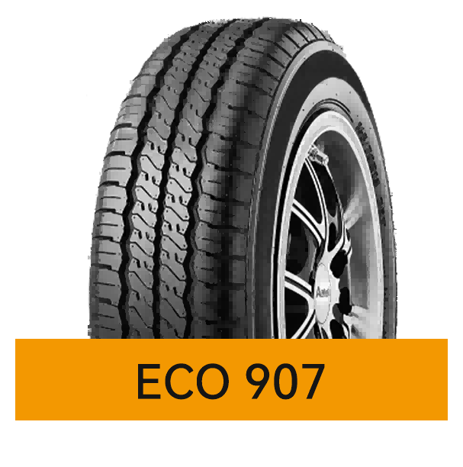
 |  |  |  |  |  |  | T |  |  | 2000 |  | 0.000
 |  |  |  |  |  |  | T | XL |  | 1850 |  | 0.000
 |  |  |  |  |  |  | H | XL |  | 1790 |  | 0.000
 |  |  |  |  |  |  | T | XL |  | 1700 |  | 0.000
 |  |  |  |  |  |  | H |  |  | 1630 |  | 0.000
 |  |  |  |  |  |  | H | XL |  | 1470 |  | 0.000
 |  |  |  |  |  |  | H |  |  | 1400 |  | 0.000
 |  |  |  |  |  |  | H | XL |  | 1450 |  | 0.000
 |  |  |  |  |  |  | H | XL |  | 1410 |  | 0.000
 |  |  |  |  |  |  | H |  |  | 1300 |  | 0.000
 |  |  |  |  |  |  |  | XL |  | 1260 |  | 0.000
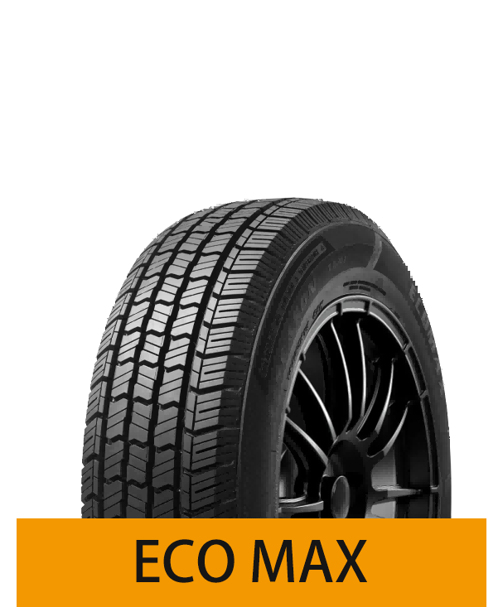
 |  |  |  |  |  |  |  |  |  | 1120 |  | 0.000
 |  |  |  |  |  |  |  |  |  | 1190 |  | 0.000
 |  |  |  |  |  |  |  |  |  | 1140 |  | 0.000
 |  |  |  |  |  |  |  |  |  | 1900 |  | 0.000
 |  |  |  |  |  |  | T |  |  | 1700 |  | 0.000
 |  |  |  |  |  |  | T |  |  | 1800 |  | 0.000
 |  |  |  |  |  |  | H |  |  | 1470 |  | 0.000
 |  |  |  |  |  |  | H |  |  | 1440 |  | 0.000
 |  |  |  |  |  |  | H |  |  | 1300 |  | 0.000
 |  |  |  |  |  |  | H |  |  | 1260 |  | 0.000
 |  |  |  |  |  |  | H |  |  | 1120 |  | 0.000
 |  |  |  |  |  |  | R |  | 8PR | 1230 |  | 0.000
 |  |  |  |  |  |  | R |  | 8PR | 1050 |  | 0.000
...
 |  |  |  |  |  |  | Speed | XL | PR | pcs/40HC' | ORDER | 40"HC | Tread Pattern
 |  |  |  |  |  |  | T |  |  | 2200 |  | 0.000 | 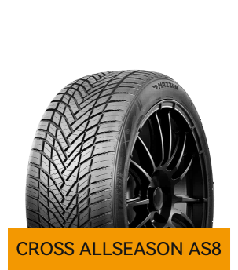
 |  |  |  |  |  |  | T |  |  | 2060 |  | 0.000
 |  |  |  |  |  |  | T |  |  | 1900 |  | 0.000
 |  |  |  |  |  |  | T |  |  | 1800 |  | 0.000
 |  |  |  |  |  |  | T |  |  | 1650 |  | 0.000
 |  |  |  |  |  |  | T |  |  | 2000 |  | 0.000
 |  |  |  |  |  |  | T |  |  | 2060 |  | 0.000
 |  |  |  |  |  |  | T |  |  | 1850 |  | 0.000
 |  |  |  |  |  |  | T |  |  | 1790 |  | 0.000
 |  |  |  |  |  |  | H |  |  | 1470 |  | 0.000
 |  |  |  |  |  |  | T |  |  | 1440 |  | 0.000
...
 |  |  |  |  |  |  | Speed | XL | PR | pcs/40HC' | ORDER | 40"HC | Tread Pattern
 |  |  |  |  |  |  | Y | XL |  | 750 |  | 0.000
 |  |  |  |  |  |  | Y | XL |  | 780 |  | 0.000
 |  |  |  |  |  |  | Y | XL |  | 750 |  | 0.000
 |  |  |  |  |  |  | W |  |  | 600 |  | 0.000
 |  |  |  |  |  |  | Y | XL |  | 720 |  | 0.000
 |  |  |  |  |  |  | Y | XL |  | 760 |  | 0.000
 |  |  |  |  |  |  | W | XL |  | 710 |  | 0.000
 |  |  |  |  |  |  | Y | XL |  | 610 |  | 0.000
 |  |  |  |  |  |  | W | XL |  | 710 |  | 0.000
 |  |  |  |  |  |  | Y | XL |  | 600 |  | 0.000
 |  |  |  |  |  |  | T |  | 6PR | 1790 |  | 0.000 | 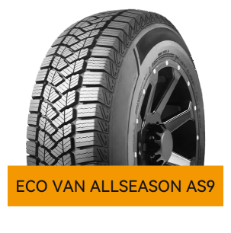
 |  |  |  |  |  |  | T |  | 6PR | 1550 |  | 0.000
 |  |  |  |  |  |  | S |  | 8PR | 1100 |  | 0.000
 |  |  |  |  |  |  | S |  | 8PR | 1030 |  | 0.000
 |  |  |  |  |  |  | S |  | 8PR | 980 |  | 0.000
 |  |  |  |  |  |  | S |  | 8PR | 950 |  | 0.000
 |  |  |  |  |  |  | S |  | 8PR | 1230 |  | 0.000
 |  |  |  |  |  |  | H |  | 6PR | 1280 |  | 0.000
 |  |  |  |  |  |  | S |  | 8PR | 1030 |  | 0.000
 |  |  |  |  |  |  | S |  | 8PR | 1050 |  | 0.000
 |  |  |  |  |  |  | T |  | 8PR | 1000 |  | 0.000
...

