DURATURN
BRAND | PRODUCT CODE | SIZE | PATERN | SIDEWALL | 40HQ/pcs | ORDER | 40"HC
DURATURN | D299EF0 | F 215/70R17.5 118/116L LUCKYSTAR | LUCKYSTAR | BSW | 810 |  | 0.000
DURATURN | D037EBL | F 215/70R17.5 118/116L LUCKYSTAR L2 | LUCKYSTAR L2 | BSW | 810 |  | 0.000
DURATURN | D038EBL | F 6.50R16LT 107/102N 10PR LUCKYSTAR L3 | LUCKYSTAR L3 | BSW | 890 |  | 0.000
DURATURN | D222FBL | F 7.00R16LT 115/110N 12PR LUCKYSTAR L2 | LUCKYSTAR L2 | BSW | 730 |  | 0.000
DURATURN | D335WG2 | H 235/40R18 FRR 95W XL MOZZO XXR | MOZZO XXR | BSW | 840 |  | 0.000
DURATURN | D372WG2 | H 245/40R18 97W XL MOZZO XXR | MOZZO XXR | BSW | 800 |  | 0.000
DURATURN | D373WG2 | H 255/50R18 106W XL MOZZO XXR | MOZZO XXR | BSW | 690 |  | 0.000
DURATURN | D334WG2 | H 255/55R18 109W XL MOZZO XXR | MOZZO XXR | BSW | 740 |  | 0.000
DURATURN | D333YG2 | H 265/35R18 FRR 97Y XL MOZZO XXR | MOZZO XXR | BSW | 740 |  | 0.000
DURATURN | D371WG2 | H 275/40R18 103W XL MOZZO XXR | MOZZO XXR | BSW | 680 |  | 0.000
DURATURN | D294TD0 | H 155/65R13 73T MOZZO TOURING | MOZZO TOURING | BSW | 2050 |  | 0.000
DURATURN | D228TD0 | H 165/65R13 77T MOZZO TOURING | MOZZO TOURING | BSW | 1900 |  | 0.000
DURATURN | D216TD0 | H 165/70R13 79T MOZZO TOURING | MOZZO TOURING | BSW | 1900 |  | 0.000
DURATURN | D295HD0 | H 175/60R13 77H MOZZO TOURING | MOZZO TOURING | BSW | 1800 |  | 0.000
DURATURN | D215HD0 | H 175/65R14 82H MOZZO TOURING | MOZZO TOURING | BSW | 1720 |  | 0.000
DURATURN | D020TD0 | H 175/70R13 82T MOZZO TOURING | MOZZO TOURING | BSW | 1860 |  | 0.000
DURATURN | D213TD0 | H 175/70R14 84T MOZZO TOURING | MOZZO TOURING | BSW | 1680 |  | 0.000
DURATURN | D211HD0 | H 185/60R14 82H MOZZO TOURING | MOZZO TOURING | BSW | 1500 |  | 0.000
DURATURN | D212HD0 | H 185/60R15 84H MOZZO TOURING | MOZZO TOURING | BSW | 1480 |  | 0.000
DURATURN | D023HD0 | H 185/65R14 86H MOZZO TOURING | MOZZO TOURING | BSW | 1500 |  | 0.000
DURATURN | D368HD0 | H 185/65R15 88H MOZZO TOURING | MOZZO TOURING | BSW | 1380 |  | 0.000
DURATURN | D214TD0 | H 185/70R14 88T MOZZO TOURING | MOZZO TOURING | BSW | 1520 |  | 0.000
DURATURN | D210HD0 | H 195/60R14 86H MOZZO TOURING | MOZZO TOURING | BSW | 1380 |  | 0.000
DURATURN | D021HD0 | H 195/60R15 88H MOZZO TOURING | MOZZO TOURING | BSW | 1340 |  | 0.000
DURATURN | D022HD0 | H 195/65R15 91H MOZZO TOURING | MOZZO TOURING | BSW | 1250 |  | 0.000
DURATURN | D024TD0 | H 195/70R14 91T MOZZO TOURING | MOZZO TOURING | BSW | 1360 |  | 0.000
DURATURN | D001VD0 | H 205/55R16 91V MOZZO TOURING | MOZZO TOURING | BSW | 1050 |  | 0.000
DURATURN | D055VD0 | H 205/60R16 92V MOZZO TOURING | MOZZO TOURING | BSW | 1090 |  | 0.000
DURATURN | D019TD2 | H 205/65R15 99T XL MOZZO TOURING | MOZZO TOURING | BSW | 1200 |  | 0.000
DURATURN | D293VD0 | H 205/65R16 95V MOZZO TOURING | MOZZO TOURING | BSW | 1000 |  | 0.000
DURATURN | D056TD0 | H 205/70R15 96T MOZZO TOURING | MOZZO TOURING | BSW | 1000 |  | 0.000
DURATURN | D028VD2 | H 215/50R17 95V XL MOZZO TOURING | MOZZO TOURING | BSW | 950 |  | 0.000
DURATURN | D312VD0 | H 215/55R17 94V MOZZO TOURING | MOZZO TOURING | BSW | 900 |  | 0.000
DURATURN | D016VD0 | H 215/60R16 95V MOZZO TOURING | MOZZO TOURING | BSW | 1000 |  | 0.000
DURATURN | D054HD0 | H 215/65R16 98H MOZZO TOURING | MOZZO TOURING | BSW | 950 |  | 0.000
DURATURN | D057TD0 | H 215/70R15 98T MOZZO TOURING | MOZZO TOURING | BSW | 950 |  | 0.000
DURATURN | D002VD0 | H 225/50R17 94V MOZZO TOURING | MOZZO TOURING | BSW | 900 |  | 0.000
DURATURN | D017HD0 | H 225/60R16 98H MOZZO TOURING | MOZZO TOURING | BSW | 950 |  | 0.000
DURATURN | D018HD0 | H 225/65R17 102H MOZZO TOURING | MOZZO TOURING | BSW | 850 |  | 0.000
DURATURN | D014VD0 | H 235/55R18 100V MOZZO TOURING | MOZZO TOURING | BSW | 750 |  | 0.000
DURATURN | D227TD0 | H 145/70R12 69T MOZZO 4S | MOZZO 4S | BSW | 2600 |  | 0.000
DURATURN | D315TD0 | H 145/70R13 71T MOZZO 4S | MOZZO 4S | BSW | 2300 |  | 0.000
DURATURN | D144HD0 | H 155/55R14 69H MOZZO 4S | MOZZO 4S | BSW | 1950 |  | 0.000
DURATURN | D313TD0 | H 155/70R13 75T MOZZO 4S | MOZZO 4S | BSW | 2150 |  | 0.000
DURATURN | D314TD0 | H 155/80R13 79T MOZZO 4S | MOZZO 4S | BSW | 2050 |  | 0.000
DURATURN | D145VD2 | H 165/40R16 70V XL MOZZO 4S | MOZZO 4S | BSW | 1600 |  | 0.000
DURATURN | D145VD3 | H 165/40R16 73V XL MOZZO 4S | MOZZO 4S | BSW | 1600 |  | 0.000
DURATURN | D146VD2 | H 165/45R16 74V XL MOZZO 4S | MOZZO 4S | BSW | 1775 |  | 0.000
DURATURN | D128VD0 | H 165/50R15 72V MOZZO 4S | MOZZO 4S | BSW | 1780 |  | 0.000
DURATURN | D129HD0 | H 165/55R14 72H MOZZO 4S | MOZZO 4S | BSW | 2040 |  | 0.000
DURATURN | D143VD0 | H 165/55R15 75V MOZZO 4S | MOZZO 4S | BSW | 1700 |  | 0.000
DURATURN | D132HD0 | H 165/60R14 75H MOZZO 4S | MOZZO 4S | BSW | 1900 |  | 0.000
DURATURN | D095TD0 | H 165/70R13 79T MOZZO 4S | MOZZO 4S | BSW | 1900 |  | 0.000
DURATURN | D095TD2 | H 165/70R13 83T XL MOZZO 4S | MOZZO 4S | BSW | 1900 |  | 0.000
DURATURN | D142TD0 | H 165/70R14 81T MOZZO 4S | MOZZO 4S | BSW | 1750 |  | 0.000
DURATURN | D142TD2 | H 165/70R14 85T XL MOZZO 4S | MOZZO 4S | BSW | 1750 |  | 0.000
DURATURN | D096TD0 | H 175/65R14 82T MOZZO 4S | MOZZO 4S | BSW | 1720 |  | 0.000
DURATURN | D096HD0 | H 175/65R14 82H MOZZO 4S | MOZZO 4S | BSW | 1720 |  | 0.000
DURATURN | D096TD2 | H 175/65R14 86T XL MOZZO 4S | MOZZO 4S | BSW | 1720 |  | 0.000
DURATURN | D097HD0 | H 175/65R15 84H MOZZO 4S | MOZZO 4S | BSW | 1500 |  | 0.000
DURATURN | D098TD0 | H 175/70R13 82T MOZZO 4S | MOZZO 4S | BSW | 1860 |  | 0.000
DURATURN | D099TD0 | H 175/70R14 84T MOZZO 4S | MOZZO 4S | BSW | 1680 |  | 0.000
DURATURN | D099TD2 | H 175/70R14 88T XL MOZZO 4S | MOZZO 4S | BSW | 1680 |  | 0.000
DURATURN | D347TD0 | H 175/75R13 84T MOZZO 4S | MOZZO 4S | BSW | 1620 |  | 0.000
DURATURN | D348TD0 | H 175/75R14 86T MOZZO 4S | MOZZO 4S | BSW | 1580 |  | 0.000
DURATURN | D093HD0 | H 185/55R15 82H MOZZO 4S | MOZZO 4S | BSW | 1450 |  | 0.000
DURATURN | D093VD0 | H 185/55R15 82V MOZZO 4S | MOZZO 4S | BSW | 1450 |  | 0.000
DURATURN | D100HD0 | H 185/60R14 82H MOZZO 4S | MOZZO 4S | BSW | 1560 |  | 0.000
DURATURN | D133HD0 | H 185/60R15 84H MOZZO 4S | MOZZO 4S | BSW | 1450 |  | 0.000
...
BRAND | PRODUCT CODE | SIZE | PATERN | SIDEWALL | 40HQ/pcs | ORDER | 40"HC
DURATURN | / | H 205/60R16 92H MOZZO ECO D3 | MOZZO ECO D3 |  | 1150 |  | 0.000
DURATURN | / | H 215/55R16 97V XL MOZZO ECO D3 | MOZZO ECO D3 |  | 1020 |  | 0.000
DURATURN | / | H 215/60R16 95V MOZZO ECO D3 | MOZZO ECO D3 |  | 1010 |  | 0.000
DURATURN |  | 225/50R17 94W | MOZZO SPORT RSC |  | 920 |  | 0.000
DURATURN |  | 225/55R17 97W | MOZZO SPORT RSC |  | 860 |  | 0.000
DURATURN |  | 245/45R18 96W | MOZZO SPORT RSC |  | 800 |  | 0.000
DURATURN |  | 245/50R18 100W | MOZZO SPORT RSC |  | 750 |  | 0.000
DURATURN |  | 255/50R19 103W | MOZZO SPORT RSC |  | 720 |  | 0.000
 |  |  |  |  |  | 0 | 0.000

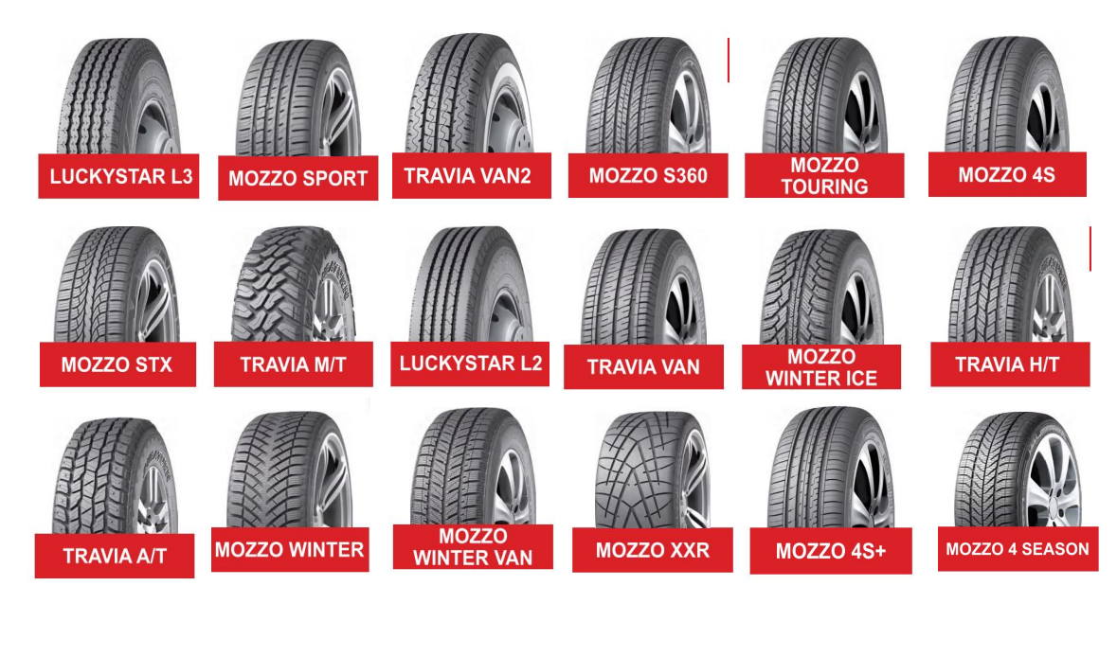

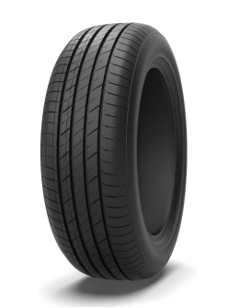
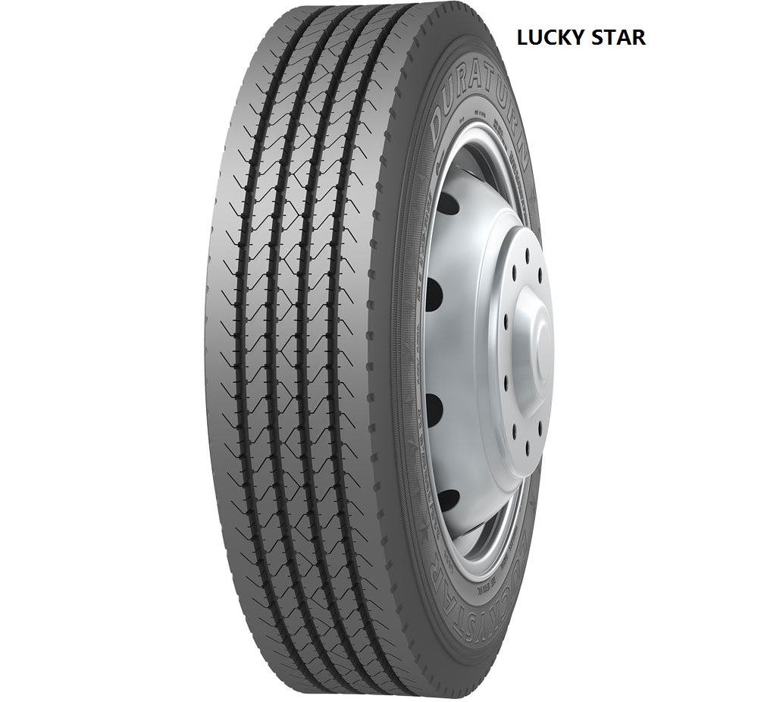

 | EV1 | MOZZO ECO D3

