BA
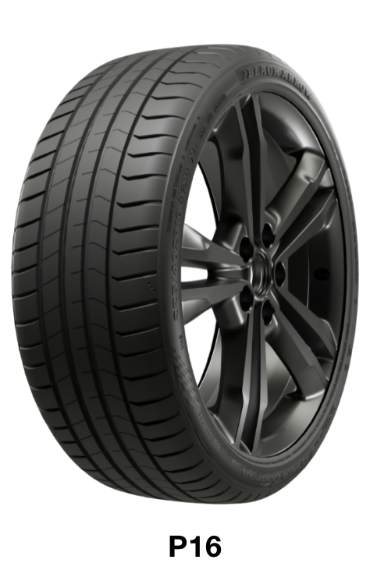
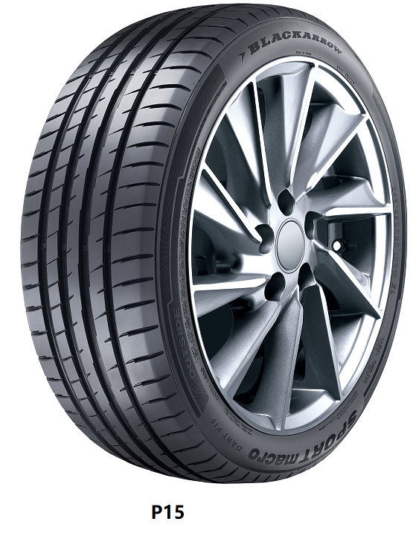
SKU | EAN | EPREL | TYPE | PATTERN | SIZE | Fuel Efficiency | Wet Grip | Noice Grade | Noice dB | LI | SS | XL | QTY/ 40HQ | ORDER | 40HQ
BA2550 | 6973307194755 | 2346922 | UHP | P16 | 175/65R14 | C | C | B | 70 | 82 | H |  | 1740 | 0 | 0.00
BA2222 | 6973307192324 | 1377675 | UHP | P16 | 175/70R14 | C | C | B | 69 | 84 | T |  | 2000 |  | 0.00
BA2551 | 6973307194762 | 2346923 | UHP | P16 | 185/60R14 | C | C | B | 70 | 82 | H |  | 1630 |  | 0.00
BA2549 | 6973307194748 | 2346921 | UHP | P16 | 185/65R15 | C | C | B | 70 | 88 | H |  | 1500 |  | 0.00
BA2233 | 6973307192492 | 1378500 | UHP | P16 | 195/55R16 | C | C | B | 70 | 87 | V |  | 1400 |  | 0.00
BA2265 | 6973307192966 | 2437610 | UHP | P16 | 195/55R16 | C | C | B | 71 | 91 | V | XL | 1400 |  | 0.00
BA2266 | 6973307192973 | 1737348 | UHP | P16 | 215/55ZR16 | C | C | B | 71 | 97 | W | XL | 1100 |  | 0.00
BA2267 | 6973307192980 | 1737351 | UHP | P16 | 205/50ZR17 | C | C | B | 71 | 93 | W | XL | 1150 |  | 0.00
BA2299 | 6973307193956 | 2175543 | UHP | P16 | 205/55ZR17 | C | C | B | 71 | 95 | W | XL | 1120 |  | 0.00
BA2253 | 6973307192805 | 1527165 | UHP | P16 | 215/45ZR17 | C | C | B | 71 | 91 | W | XL | 1100 |  | 0.00
BA2234 | 6973307192508 | 1378521 | UHP | P16 | 215/50ZR17 | C | C | B | 71 | 95 | W | XL | 1200 |  | 0.00
BA2300 | 6973307193963 | 2175545 | UHP | P16 | 215/55ZR17 | C | C | B | 71 | 98 | W | XL | 1100 |  | 0.00
BA2236 | 6973307192522 | 1378533 | UHP | P16 | 225/45ZR17 | C | C | B | 71 | 94 | W | XL | 1150 |  | 0.00
BA2235 | 6973307192515 | 1378528 | UHP | P16 | 225/50ZR17 | C | C | B | 71 | 98 | W | XL | 1100 |  | 0.00
BA2223 | 6973307192331 | 1378511 | UHP | P16 | 225/55ZR17 | C | C | B | 71 | 101 | W | XL | 1000 |  | 0.00
BA2319 | 6973307193468 | 1987414 | UHP | P16 | 225/55R17C | D | C | B | 72 | 109/107 | H | 8 | 1000 |  | 0.00
BA2314 | 6973307193413 | 1987407 | UHP | P16 | 235/45ZR17 | C | C | B | 72 | 97 | W | XL | 950 |  | 0.00
BA2315 | 6973307193420 | 1987408 | UHP | P16 | 215/55R18 | C | C | B | 71 | 95 | V |  | 930 |  | 0.00
BA2224 | 6973307192348 | 1378536 | UHP | P16 | 225/40ZR18 | C | C | B | 71 | 92 | W | XL | 1050 |  | 0.00
BA2316 | 6973307193437 | 1987409 | UHP | P16 | 225/45ZR18 | C | C | B | 72 | 95 | W | XL | 950 |  | 0.00
BA2317 | 6973307193444 | 1987411 | UHP | P16 | 235/40ZR18 | C | C | B | 72 | 95 | W | XL | 920 |  | 0.00
BA2268 | 6973307192997 | 1883867 | UHP | P16 | 235/45ZR18 | C | C | B | 72 | 98 | W | XL | 910 |  | 0.00
BA2269 | 6973307193000 | 1883871 | UHP | P16 | 245/45ZR18 | C | C | B | 72 | 100 | W | XL | 840 |  | 0.00
BA2270 | 6973307193017 | 1883875 | UHP | P16 | 245/45ZR19 | C | C | B | 72 | 102 | W | XL | 830 |  | 0.00
BA2318 | 6973307193451 | 1987413 | UHP | P16 | 245/55R19 | C | C | B | 72 | 103 | V |  | 800 |  | 0.00
 |  |  | UHP | P16 | 285/35ZR23 |  |  |  |  | 107 | Y | XL | 420 |  | 0.00
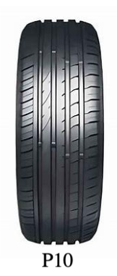
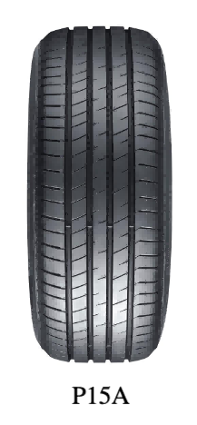
BA2320 |  |  | UHP | P16 | 285/40ZR23 |  |  |  |  | 111 | Y | XL | 460 |  | 0.00
 |  |  | UHP | P16 | 295/35ZR23 |  |  |  |  | 108 | Y | XL | 370 |  | 0.00
 |  |  | UHP | P16 | 325/30ZR23 |  |  |  |  | 109 | Y | XL | 430 |  | 0.00
BA2321 |  |  | UHP | P16 | 325/35ZR23 |  |  |  |  | 115 | Y | XL | 430 |  | 0.00
BA2585 | 6973307197299 | 2410612 | UHP | P15A | 195/45R16 | B | C | B | 70 | 84 | V | XL | 1120 |  | 0.00
BA2555 | 6973307196995 | 2410582 | UHP | P10 | 225/50R16 | C | B | B | 70 | 92 | V |  | 1000 |  | 0.00
BA2230 | 6973307192287 | 1280864 | UHP | P15 | 195/65R15 | B | B | B | 71 | 91 | H |  | 1350 |  | 0.00
BA2216 | 6973307192041 | 929680 | UHP | P15 | 195/65R15 | B | B | B | 71 | 91 | V |  | 1350 |  | 0.00
BA2219 | 6973307192201 | 1141217 | UHP | P15 | 205/55R16 | B | B | B | 71 | 91 | V |  | 1250 |  | 0.00
BA2217 | 6973307192058 | 929862 | UHP | P15 | 215/60R16 | B | B | B | 71 | 95 | V |  | 1240 |  | 0.00
BA2556 | 6973307197008 | 2410583 | UHP | P10 | 185/35R17 | D | C | B | 70 | 74 | V | XL | 1300 |  | 0.00
BA2557 | 6973307197015 | 2410584 | UHP | P10 | 165/40R17 | D | C | B | 70 | 72 | V | XL | 1200 |  | 0.00
BA2558 | 6973307197022 | 2410585 | UHP | P10 | 195/40ZR17 | C | B | B | 70 | 81 | W | XL | 1100 |  | 0.00
BA2586 | 6973307197305 | 2410613 | UHP | P15A | 205/40ZR17 | B | C | B | 70 | 84 | W | XL | 1350 |  | 0.00
BA2559 | 6973307197039 | 2410586 | UHP | P10 | 215/40R17 | C | B | B | 70 | 87 | V | XL | 1300 |  | 0.00
BA2560 | 6973307197046 | 2410587 | UHP | P10 | 235/40ZR17 | C | B | B | 71 | 90 | W |  | 950 |  | 0.00
BA2188 | 6973307192584 | 1465358 | UHP | P15 | 245/40ZR17 | B | B | B | 72 | 95 | W | XL | 850 |  | 0.00
BA2637 | 6973307198401 | 2530121 | UHP | P15A | 205/45ZR17 | B | C | B | 70 | 88 | W | XL | 1200 |  | 0.00
BA2635 | 6973307198395 | 2530122 | UHP | P15A | 245/45ZR17 | B | B | B | 71 | 95 | W |  | 850 |  | 0.00
BA2195 |  |  | UHP | P15 | 255/45R17 | B | B | B | 72 | 102 | V | XL | 820 |  | 0.00
BA2561 | 6973307197053 | 2410588 | UHP | P10 | 235/50ZR17 | C | B | B | 71 | 100 | W | XL | 900 |  | 0.00
BA2218 | 6973307191891 | 962340 | UHP | P15 | 215/55ZR17 | B | B | B | 71 | 94 | W |  | 1150 |  | 0.00
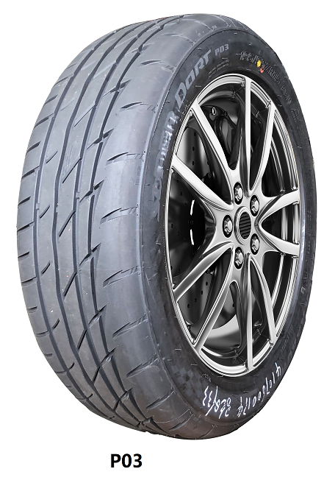
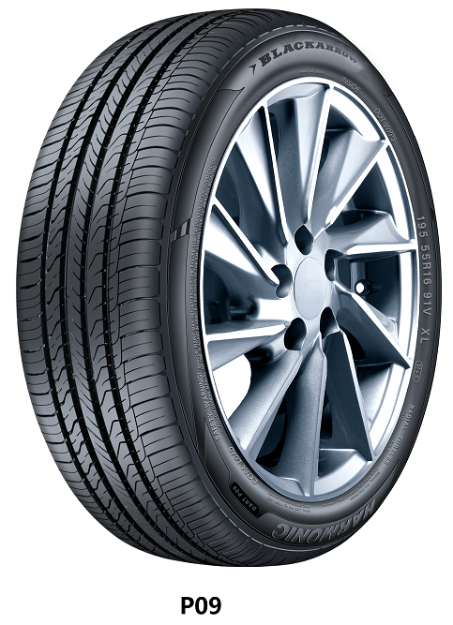
BA2587 | 6973307197312 | 2410614 | UHP | P15A | 235/55ZR17 | B | B | B | 71 | 103 | W | XL | 920 |  | 0.00
BA2562 | 6973307197060 | 2410589 | UHP | P10 | 165/35R18 | D | C | B | 70 | 69 | V | XL | 1350 |  | 0.00
BA2563 | 6973307197077 | 2410590 | UHP | P10 | 185/35R18 | D | C | B | 70 | 83 | V |  | 1320 |  | 0.00
BA2564 | 6973307197084 | 2410591 | UHP | P10 | 195/35ZR18 | D | C | B | 70 | 88 | W |  | 1300 |  | 0.00
BA2565 | 6973307197091 | 2410592 | UHP | P10 | 205/35ZR18 | C | C | B | 70 | 88 | W | XL | 1250 |  | 0.00
BA2566 | 6973307197107 | 2410593 | UHP | P10 | 215/35ZR18 | C | C | B | 70 | 84 | W | XL | 1200 |  | 0.00
BA2588 | 6973307197329 | 2410615 | UHP | P15A | 245/35ZR18 | B | B | B | 71 | 92 | Y | XL | 950 |  | 0.00
BA2567 | 6973307197114 | 2410594 | UHP | P10 | 255/35ZR18 | C | C | B | 72 | 94 | W | XL | 800 |  | 0.00
BA2183 | 6973307192263 | 1200963 | UHP | P15 | 265/35ZR18 | B | B | B | 72 | 97 | W | XL | 700 |  | 0.00
BA2568 | 6973307197121 | 2410595 | UHP | P10 | 165/40R18 | D | C | B | 70 | 73 | V | XL | 1200 |  | 0.00
BA2589 | 6973307197336 | 2410616 | UHP | P15A | 215/40ZR18 | B | C | B | 71 | 89 | W | XL | 1050 |  | 0.00
BA2590 | 6973307197343 | 2410617 | UHP | P15A | 245/40ZR18 | B | B | B | 71 | 97 | W | XL | 900 |  | 0.00
BA2189 |  |  | UHP | P15 | 255/40ZR18 | B | B | B | 72 | 99 | W | XL | 730 |  | 0.00
BA2199 | 6973307192867 | 1608490 | UHP | P15 | 215/45ZR18 | B | B | B | 72 | 93 | W | XL | 950 |  | 0.00
BA2591 | 6973307197350 | 2410618 | UHP | P15A | 215/50ZR18 | B | B | B | 71 | 92 | W |  | 1050 |  | 0.00
BA2255 | 6973307192850 | 1608468 | UHP | P15 | 225/50ZR18 | B | B | B | 72 | 99 | W | XL | 850 |  | 0.00
BA2592 | 6973307197367 | 2410619 | UHP | P15A | 235/50ZR18 | B | B | B | 71 | 97 | W |  | 840 |  | 0.00
BA2593 | 6973307197374 | 2410620 | UHP | P15A | 245/50ZR18 | B | B | B | 71 | 104 | W | XL | 780 |  | 0.00
BA2594 | 6973307197381 | 2410621 | UHP | P15A | 235/55ZR18 | B | B | B | 71 | 100 | W |  | 820 |  | 0.00
BA2626 | 6973307198326 | 2530123 | UHP | P15A | 255/55R18 | B | B | B | 72 | 109 | V | XL | 600 |  | 0.00
BA2595 | 6973307197398 | 2410622 | UHP | P15A | 255/30ZR19 | B | B | B | 72 | 91 | Y | XL | 870 |  | 0.00
BA2569 | 6973307197138 | 2410596 | UHP | P10 | 265/30ZR19 | C | B | B | 72 | 93 | W | XL | 820 |  | 0.00
BA2570 | 6973307197145 | 2410597 | UHP | P10 | 275/30ZR19 | C | B | B | 72 | 96 | W | XL | 780 |  | 0.00
BA2571 | 6973307197152 | 2410598 | UHP | P10 | 215/35ZR19 | C | B | B | 70 | 85 | W | XL | 1100 |  | 0.00
BA2190 | 6973307192874 | 1641458 | UHP | P15 | 225/35ZR19 | B | B | B | 72 | 88 | W | XL | 800 |  | 0.00
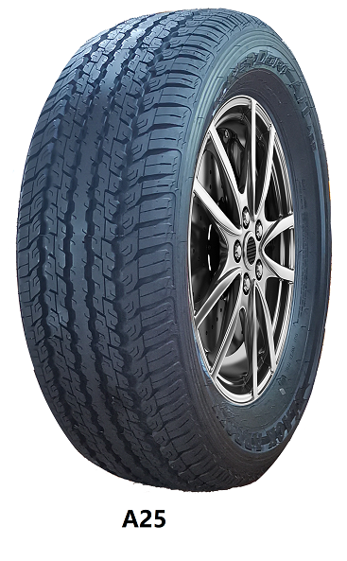
BA2638 | 6973307198418 | 2530124 | UHP | P15A | 235/35ZR19 | B | B | B | 71 | 91 | W | XL | 900 |  | 0.00
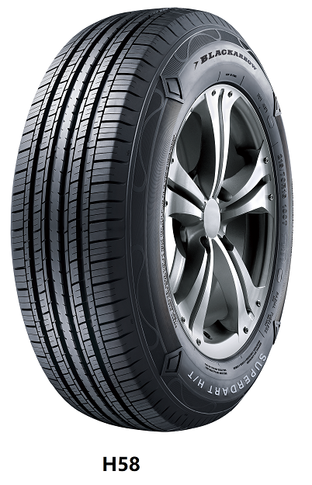
BA2630 | 6973307198364 | 2530125 | UHP | P15A | 245/35ZR19 | B | B | B | 71 | 93 | W | XL | 780 |  | 0.00
BA2572 | 6973307197169 | 2410599 | UHP | P10 | 255/35ZR19 | C | B | B | 71 | 96 | Y | XL | 850 |  | 0.00
BA2627 | 6973307198333 | 2530126 | UHP | P15A | 275/35ZR19 | B | B | B | 72 | 100 | W | XL | 480 |  | 0.00
BA2596 | 6973307197404 | 2410623 | UHP | P15A | 225/40ZR19 | B | B | B | 71 | 93 | W | XL | 950 |  | 0.00
BA2597 | 6973307197411 | 2410624 | UHP | P15A | 235/40ZR19 | B | B | B | 71 | 96 | W | XL | 900 |  | 0.00
BA2598 | 6973307197428 | 2410625 | UHP | P15A | 245/40ZR19 | B | B | B | 71 | 98 | W | XL | 860 |  | 0.00
BA2573 | 6973307197176 | 2410600 | UHP | P10 | 255/40ZR19 | C | B | B | 72 | 100 | W | XL | 820 |  | 0.00
BA2632 | 6973307198371 | 2530128 | UHP | P15A | 225/45ZR19 | B | B | B | 71 | 96 | W | XL | 750 |  | 0.00
BA2196 |  |  | UHP | P15 | 275/45ZR19 | B | B | B | 72 | 108 | W | XL | 620 |  | 0.00
BA2599 | 6973307197435 | 2410626 | UHP | P15A | 235/50ZR19 | B | B | B | 71 | 103 | W | XL | 830 |  | 0.00
BA2629 | 6973307198357 | 2530129 | UHP | P15A | 255/50ZR19 | B | B | B | 72 | 107 | W | XL | 600 |  | 0.00
BA2600 | 6973307197442 | 2410627 | UHP | P15A | 205/55R19 | B | C | B | 70 | 97 | V | XL | 950 |  | 0.00
BA2601 | 6973307197459 | 2410628 | UHP | P15A | 255/55R19 | B | B | B | 72 | 111 | V | XL | 720 |  | 0.00
BA2574 | 6973307197183 | 2410601 | UHP | P10 | 275/55R19 | C | B | B | 72 | 111 | V |  | 550 |  | 0.00
BA2575 | 6973307197190 | 2410602 | UHP | P10 | 205/30ZR20 | C | B | B | 70 | 82 | W | XL | 1000 |  | 0.00
BA2576 | 6973307197206 | 2410603 | UHP | P10 | 215/30ZR20 | C | B | B | 70 | 82 | W |  | 900 |  | 0.00
BA2641 | 6973307198425 | 2530131 | UHP | P15A | 225/30ZR20 | B | B | B | 71 | 85 | W | XL | 750 |  | 0.00
BA2577 | 6973307197213 | 2410604 | UHP | P10 | 275/30ZR20 | C | B | B | 72 | 97 | W | XL | 750 |  | 0.00
BA2578 | 6973307197220 | 2410605 | UHP | P10 | 205/35R20 | C | B | B | 70 | 84 | V |  | 650 |  | 0.00
BA2192 | 6973307192898 | 1641459 | UHP | P15 | 225/35ZR20 | B | B | B | 72 | 90 | W | XL | 750 |  | 0.00
BA2642 | 6973307198432 | 2530132 | UHP | P15A | 245/35ZR20 | B | B | B | 71 | 95 | W | XL | 750 |  | 0.00
BA2643 | 6973307198449 | 2530133 | UHP | P15A | 255/35ZR20 | B | B | B | 72 | 102 | W | XL | 650 |  | 0.00
BA2602 | 6973307197466 | 2410629 | UHP | P15A | 275/35ZR20 | B | B | B | 72 | 102 | W | XL | 700 |  | 0.00
BA2603 | 6973307197473 | 2410630 | UHP | P15A | 245/40ZR20 | B | B | B | 71 | 99 | W | XL | 800 |  | 0.00
BA2604 | 6973307197480 | 2410631 | UHP | P15A | 275/40ZR20 | B | B | B | 71 | 106 | W | XL | 650 |  | 0.00
BA2605 | 6973307197497 | 2410632 | UHP | P15A | 245/45ZR20 | B | B | B | 71 | 103 | W | XL | 735 |  | 0.00
BA2606 | 6973307197503 | 2410633 | UHP | P15A | 255/45ZR20 | B | B | B | 72 | 105 | W | XL | 680 |  | 0.00
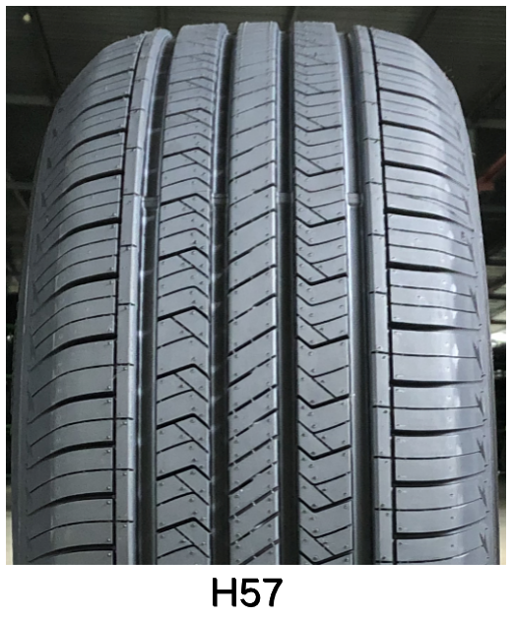
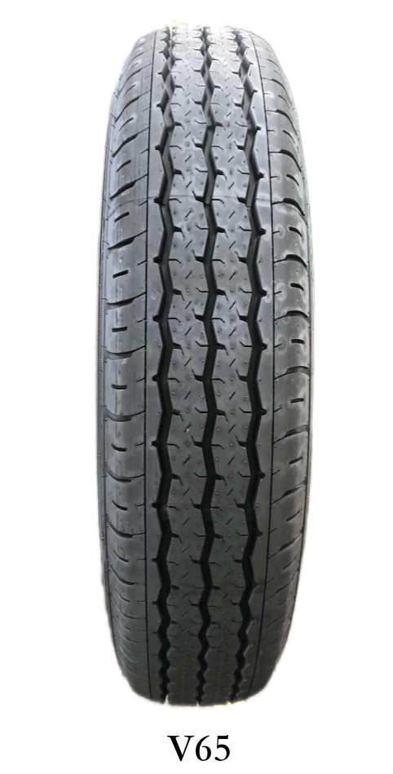
BA2579 | 6973307197237 | 2410606 | UHP | P10 | 275/45R20 | C | B | B | 72 | 110 | V | XL | 610 |  | 0.00
BA2607 | 6973307197510 | 2410634 | UHP | P15A | 265/50R20 | B | B | B | 72 | 111 | V | XL | 560 |  | 0.00
BA2580 | 6973307197244 | 2410607 | UHP | P10 | 275/55R20 | C | B | B | 72 | 117 | H | XL | 530 |  | 0.00
BA2633 | 6973307198388 | 2530134 | UHP | P15A | 245/35ZR21 | B | B | B | 71 | 96 | W | XL | 610 |  | 0.00
BA2608 | 6973307197527 | 2410635 | UHP | P15A | 285/35ZR21 | B | B | B | 74 | 105 | W | XL | 570 |  | 0.00
BA2581 | 6973307197251 | 2410608 | UHP | P10 | 295/35ZR21 | C | B | B | 72 | 107 | W | XL | 500 |  | 0.00
BA2609 | 6973307197534 | 2410636 | UHP | P15A | 255/40ZR21 | B | B | B | 72 | 102 | W | XL | 660 |  | 0.00
BA2610 | 6973307197541 | 2410637 | UHP | P15A | 315/40ZR21 | B | B | B | 74 | 115 | W | XL | 430 |  | 0.00
BA2611 | 6973307197558 | 2410638 | UHP | P15A | 275/45ZR21 | B | B | B | 72 | 110 | W | XL | 550 |  | 0.00
BA2582 | 6973307197268 | 2410609 | UHP | P10 | 265/35R22 | C | B | B | 72 | 102 | V | XL | 580 |  | 0.00
BA2612 | 6973307197565 | 2410639 | UHP | P15A | 265/40ZR22 | B | B | B | 72 | 106 | W | XL | 550 |  | 0.00
BA2583 | 6973307197275 | 2410610 | UHP | P10 | 305/40R22 | C | B | A | 72 | 114 | V | XL | 410 |  | 0.00
BA2584 | 6973307197282 | 2410611 | UHP | P10 | 305/35R24 | C | B | A | 72 | 112 | V | XL | 400 |  | 0.00
BA2648 | 6973307198043 | 2530120 | SPORT | P03 | 175/70R13 | C | C | B | 68 | 82 | T |  | 1840 |  | 0.00
BA2228 | 6973307192430 | 1280865 | SPORT | P03 | 195/50R15 | C | C | B | 69 | 82 | V |  | 1550 |  | 0.00
BA2298 | 6973307193949 | 2185055 | SPORT | P03 | 185/55R15 | C | C | B | 69 | 82 | V |  | 1210 |  | 0.00
BA2229 | 6973307192447 | 1280866 | SPORT | P03 | 195/55R15 | C | C | B | 69 | 85 | V |  | 1500 |  | 0.00
BA2122 | 6973307191532 | 1156754 | SPORT | P03 | 165/50R15 | C | C | B | 69 | 73 | V |  | 2100 |  | 0.00
BA2121 | 6973307191525 | 1156755 | SPORT | P03 | 165/55R14 | C | C | B | 69 | 72 | V |  | 2120 |  | 0.00
BA2127 | 6973307191587 | 1156776 | SPORT | P03 | 205/45ZR16 | C | C | B | 69 | 87 | W | XL | 1260 |  | 0.00
BA2129 | 6973307191600 | 1156933 | SPORT | P03 | 205/45ZR17 | C | C | B | 69 | 88 | W | XL | 1200 |  | 0.00
BA2145 | 6973307191549 | 1156949 | SPORT | P03 | 205/55ZR16 | C | C | B | 69 | 91 | W |  | 1310 |  | 0.00
BA2130 | 6973307191617 | 1156951 | SPORT | P03 | 215/45ZR17 | C | C | B | 69 | 91 | W | XL | 1130 |  | 0.00
BA2211 |  |  | HP | P09 | 145/70R12 | D | C | B | 68 | 69 | T |  | 2230 |  | 0.00
BA2085 | 6973307192539 | 727466 | HP | P09 | 155/70R12 | D | C | B | 68 | 73 | T |  | 2140 |  | 0.00
BA2087 | 6973307191778 |  | HP | P09 | 165/70R12 | D | C | B | 68 | 77 | T |  | 2050 |  | 0.00
BA2175 |  |  | HP | P09 | 145/80R12 | D | C | B | 68 | 74 | T |  | 2190 |  | 0.00
BA2089 | 6973307191792 | 779275 | HP | P09 | 165/60R13 | D | C | B | 70 | 73 | T |  | 1860 |  | 0.00
BA2148 |  |  | HP | P09 | 175/60R13 | D | C | B | 70 | 77 | T |  | 1770 |  | 0.00
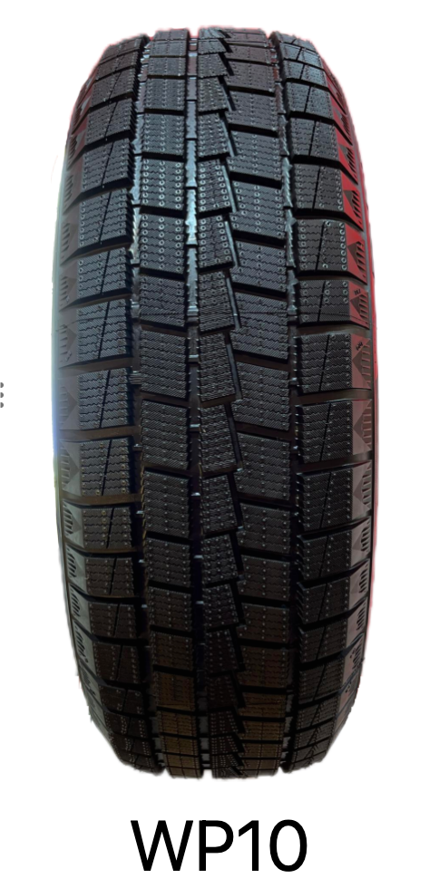
BA2166 |  |  | HP | P09 | 155/65R13 | D | C | B | 68 | 73 | T |  | 1950 |  | 0.00
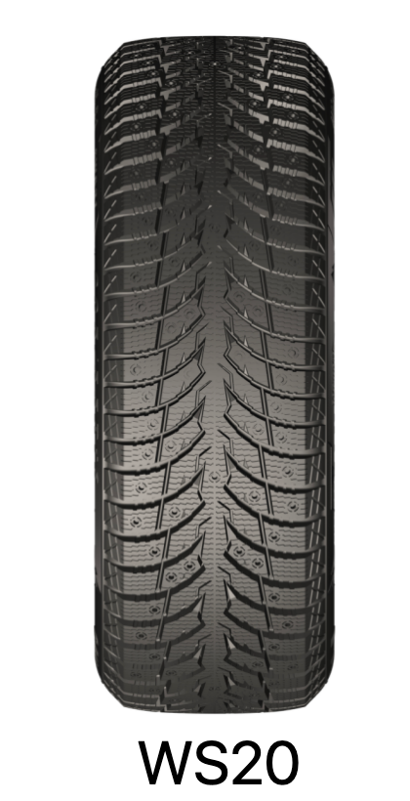
BA2090 | 6973307191808 | 779274 | HP | P09 | 165/65R13 | D | C | B | 70 | 77 | T |  | 1860 |  | 0.00
BA2173 |  |  | HP | P09 | 155/70R13 | D | C | B | 68 | 75 | T |  | 2160 |  | 0.00
BA2168 |  |  | HP | P09 | 165/70R13 | D | C | B | 70 | 79 | T |  | 1860 |  | 0.00
BA2042 | 6973307191167 | 627072 | HP | P09 | 175/70R13 | D | C | B | 70 | 82 | T |  | 1840 |  | 0.00
BA2147 | 6973307191754 | 962451 | HP | P09 | 185/70R13 | D | C | B | 70 | 86 | H |  | 1490 |  | 0.00
BA2613 | 6973307197572 | 2410579 | HP | P09 | 175/75R13 | D | C | B | 70 | 84 | T |  | 1850 |  | 0.00
BA2174 |  |  | HP | P09 | 135/80R13 | D | C | B | 68 | 70 | T |  | 2280 |  | 0.00
BA2150 |  |  | HP | P09 | 145/80R13 | D | C | B | 68 | 75 | T |  | 1770 |  | 0.00
BA2165 |  |  | HP | P09 | 155/80R13 | D | C | B | 68 | 79 | T |  | 2140 |  | 0.00
BA2092 | 6973307191822 |  | HP | P09 | 165/55R14 |  |  |  |  | 72 | H |  | 1880 |  | 0.00
BA2163 |  |  | HP | P09 | 185/55R14 | D | C | B | 70 | 80 | H |  | 1350 |  | 0.00
BA2169 |  |  | HP | P09 | 165/60R14 | D | C | B | 70 | 75 | H |  | 1770 |  | 0.00
BA2159 |  |  | HP | P09 | 195/60R14 | D | C | B | 70 | 86 | H |  | 1300 |  | 0.00
BA2153 |  |  | HP | P09 | 205/60R14 | D | C | B | 70 | 88 | H |  | 1110 |  | 0.00
BA2091 | 6973307192843 |  | HP | P09 | 155/65R14 | D | C | B | 68 | 75 | T |  | 1860 |  | 0.00
BA2162 | 6973307191761 | 962439 | HP | P09 | 165/65R14 | D | C | B | 70 | 79 | T |  | 1770 |  | 0.00
BA2044 | 6973307191204 | 627125 | HP | P09 | 185/65R14 | D | C | B | 70 | 86 | H |  | 1550 |  | 0.00
BA2156 |  |  | HP | P09 | 165/70R14 | D | C | B | 70 | 81 | T |  | 1670 |  | 0.00
BA2045 | 6973307191181 | 627113 | HP | P09 | 185/70R14 | D | C | B | 70 | 88 | H |  | 1680 |  | 0.00
BA2046 | 6973307191198 | 627115 | HP | P09 | 195/70R14 | D | C | B | 70 | 91 | H |  | 1680 |  | 0.00
BA2160 |  |  | HP | P09 | 205/70R14 | D | C | B | 70 | 95 | H |  | 1170 |  | 0.00
BA2614 | 6973307197589 | 2410580 | HP | P09 | 175/75R14 | D | C | B | 70 | 86 | T |  | 1700 |  | 0.00
BA2161 |  |  | HP | P09 | 165/80R14 | D | C | B | 70 | 85 | T |  | 1580 |  | 0.00
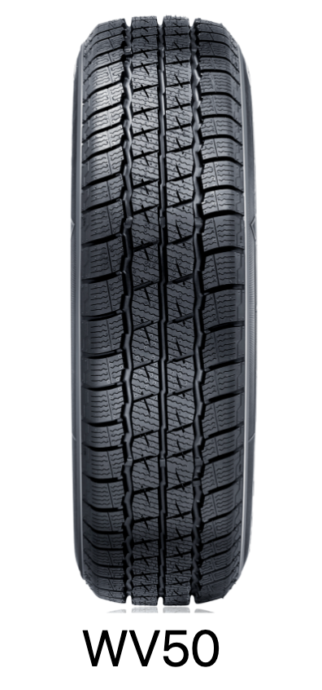
BA2155 | 6973307191785 |  | HP | P09 | 165/50R15 |  |  |  |  | 72 | T |  | 1800 |  | 0.00
BA2095 |  |  | HP | P09 | 195/50R15 |  |  |  |  | 82 | V |  | 1480 |  | 0.00
BA2096 |  |  | HP | P09 | 195/55R15 |  |  |  |  | 85 | V |  | 1450 |  | 0.00
BA2167 |  |  | HP | P09 | 175/60R15 | D | C | B | 70 | 81 | H |  | 1350 |  | 0.00
BA2094 | 6973307191846 | 1049218 | HP | P09 | 185/60R15 | D | C | B | 70 | 84 | H |  | 1440 |  | 0.00
BA2097 | 6973307191877 | 1026690 | HP | P09 | 195/60R15 | D | C | B | 70 | 88 | V |  | 1300 |  | 0.00
BA2176 |  |  | HP | P09 | 205/60R15 | D | C | B | 70 | 91 | V |  | 1020 |  | 0.00
BA2178 |  |  | HP | P09 | 165/65R15 | D | C | B | 70 | 81 | T |  | 1600 |  | 0.00
BA2112 | 6973307191884 | 1280876 | HP | P09 | 205/65R15 | D | C | B | 70 | 94 | V |  | 1140 |  | 0.00
BA2152 |  |  | HP | P09 | 215/65R15 | D | C | B | 70 | 96 | H |  | 980 |  | 0.00
BA2154 | 6973307192485 | 1280892 | HP | P09 | 205/70R15 | D | C | B | 70 | 96 | H |  | 970 |  | 0.00
BA2171 | 6973307191815 | 1049224 | HP | P09 | 215/70R15 | D | C | B | 70 | 98 | T |  | 980 |  | 0.00
BA2151 |  |  | HP | P09 | 225/70R15 | D | C | B | 70 | 100 | H |  | 840 |  | 0.00
BA2049 | 6973307191211 | 627128 | HP | P09 | 215/75R15 | D | C | B | 70 | 100 | T |  | 1040 |  | 0.00
BA2158 |  |  | HP | P09 | 185/80R15 | D | C | B | 70 | 93 | T |  | 1020 |  | 0.00
BA2177 | 6973307192249 | 1158705 | HP | P09 | 195/50R16 | D | C | B | 70 | 88 | V | XL | 1440 |  | 0.00
BA2146 |  |  | HP | P09 | 225/55R16 | D | C | B | 70 | 99 | V | XL | 1020 |  | 0.00
BA2615 | 6973307197596 | 2410581 | HP | P09 | 195/60R16 | C | C | B | 69 | 89 | H |  | 1180 |  | 0.00
BA2172 | 6973307192478 | 1280875 | HP | P09 | 205/60R16 | D | C | B | 70 | 92 | H |  | 970 |  | 0.00
BA2170 |  |  | HP | P09 | 225/60R16 | D | C | B | 70 | 98 | V |  | 870 |  | 0.00
BA2149 |  |  | HP | P09 | 205/65R16 | D | C | B | 70 | 95 | V |  | 930 |  | 0.00
BA2180 |  |  | HP | P09 | 215/65R16 | D | C | B | 70 | 98 | H |  | 880 |  | 0.00
BA2250 | 6973307192751 | 1595583 | HT | H57 | 275/70R16 | C | B | B | 71 | 114 | T |  | 500 |  | 0.00
BA2616 | 6973307197602 | 2410574 | HT | H57 | 235/65R17 | C | B | B | 71 | 104 | H |  | 820 |  | 0.00
BA2242 | 6973307192676 | 1595568 | HT | H57 | 265/65R17 | C | B | B | 71 | 112 | T |  | 640 |  | 0.00
BA2241 | 6973307192669 | 1595566 | HT | H57 | 265/70R17 | C | B | B | 71 | 115 | T |  | 620 |  | 0.00
BA2617 | 6973307197619 | 2410575 | HT | H57 | 215/60R18 | C | C | A | 69 | 98 | H |  | 900 |  | 0.00
BA2244 | 6973307192690 | 1595573 | HT | H57 | 245/60R18 | C | C | B | 70 | 105 | H |  | 610 |  | 0.00
BA2245 | 6973307192706 | 1595574 | HT | H57 | 265/65R18 | C | B | B | 71 | 114 | H |  | 610 |  | 0.00
BA2248 | 6973307192737 | 1595580 | HT | H57 | 255/70R18 | C | B | B | 70 | 113 | T |  | 560 |  | 0.00
BA2247 | 6973307192720 | 1595578 | HT | H57 | 235/55R19 | C | C | B | 69 | 101 | V |  | 510 |  | 0.00
BA2311 | 6973307193376 | 2042662 | HT | H57 | 235/55R20 | C | C | B | 69 | 102 | V |  | 650 |  | 0.00
BA2249 | 6973307192744 | 1595582 | HT | H57 | 275/60R20 | C | B | B | 71 | 115 | H |  | 450 |  | 0.00
BA2618 | 6973307197626 | 2410576 | HT | H57 | 285/30ZR21 | C | B | A | 71 | 100 | W | XL | 580 |  | 0.00
BA2309 | 6973307193352 | 2042644 | HT | H57 | 245/35ZR21 | C | C | B | 70 | 96 | W | XL | 610 |  | 0.00
BA2619 | 6973307197633 | 2410577 | HT | H57 | 225/45ZR21 | C | C | A | 69 | 95 | W |  | 650 |  | 0.00
 |  |  | HT | H57 | 265/45R21 |  |  |  |  | 104 | W |  | 610 |  | 0.00
BA2243 | 6973307192683 | 1595571 | HT | H57 | 275/50R21 | C | B | B | 71 | 113 | W | XL | 470 |  | 0.00
BA2312 | 6973307193383 | 2042665 | HT | H57 | 275/40ZR22 | C | B | B | 71 | 107 | W | XL | 500 |  | 0.00
BA2620 | 6973307197640 | 2410578 | HT | H57 | 295/40ZR22 | C | B | A | 71 | 112 | Y | XL | 420 |  | 0.00
BA2310 | 6973307193369 | 2042652 | HT | H57 | 285/45R22 | C | B | A | 71 | 114 | V | XL | 430 |  | 0.00
BA2246 | 6973307192713 | 1595575 | HT | H57 | 275/50R22 | C | B | B | 71 | 111 | V |  | 370 |  | 0.00
BA2105 | 6973307191969 | 1200966 | HT | H58 | 215/60R17 | C | B | B | 71 | 96 | H |  | 970 |  | 0.00
BA2206 |  |  | HT | H58 | 215/65R17 | C | B | B | 71 | 99 | T |  | 880 |  | 0.00
BA2068 | 6973307191099 | 640171 | HT | H58 | 215/70R16 | C | B | B | 71 | 100 | T |  | 900 |  | 0.00
BA2108 | 6973307191990 | 1200967 | HT | H58 | 225/55R18 | C | B | B | 71 | 98 | V |  | 840 |  | 0.00
BA2106 | 6973307191976 |  | HT | H58 | 225/60R17 | C | B | B | 71 | 99 | H |  | 860 |  | 0.00
BA2109 | 6973307192003 | 984631 | HT | H58 | 225/60R18 | C | B | B | 71 | 104 | V | XL | 830 |  | 0.00
BA2208 |  |  | HT | H58 | 225/65R16 | C | B | B | 71 | 100 | T |  | 850 |  | 0.00
BA2069 | 6973307191105 | 640609 | HT | H58 | 225/65R17 | C | B | B | 71 | 102 | T |  | 850 |  | 0.00
BA2101 | 6973307191921 | 779272 | HT | H58 | 225/70R16 | C | B | B | 71 | 103 | T |  | 800 |  | 0.00
BA2102 | 6973307191938 |  | HT | H58 | 235/60R16 | C | B | B | 71 | 100 | V |  | 850 |  | 0.00
BA2204 |  |  | HT | H58 | 235/60R17 | C | B | B | 71 | 102 | H |  | 750 |  | 0.00
BA2111 | 6973307192027 | 913103 | HT | H58 | 235/60R18 | C | B | B | 71 | 107 | V | XL | 850 |  | 0.00
BA2205 |  |  | HT | H58 | 235/65R16 | C | B | B | 71 | 103 | T |  | 740 |  | 0.00
BA2210 |  |  | HT | H58 | 235/65R18 | C | B | B | 71 | 106 | T |  | 580 |  | 0.00
BA2103 | 6973307191945 | 913096 | HT | H58 | 235/70R16 | C | B | B | 71 | 106 | T |  | 780 |  | 0.00
BA2200 |  |  | HT | H58 | 235/75R15 | C | B | B | 71 | 105 | T |  | 720 |  | 0.00
BA2070 | 6973307191112 | 640631 | HT | H58 | 245/65R17 | C | B | B | 71 | 107 | T |  | 740 |  | 0.00
BA2104 | 6973307191952 |  | HT | H58 | 245/70R16 | C | B | B | 71 | 111 | T | XL | 700 |  | 0.00
BA2201 |  |  | HT | H58 | 245/70R17 | C | B | B | 71 | 110 | T |  | 650 |  | 0.00
BA2071 | 6973307191129 | 640660 | HT | H58 | 255/60R17 | C | B | B | 71 | 106 | T |  | 700 |  | 0.00
BA2207 |  |  | HT | H58 | 255/70R16 | C | B | B | 72 | 111 | T |  | 640 |  | 0.00
BA2037 | 6973307190566 | 638551 | HT | H58 | 265/60R18 | C | B | B | 72 | 110 | H |  | 620 |  | 0.00
BA2033 | 6973307190528 | 629832 | HT | H58 | 265/65R17 | C | B | B | 72 | 112 | T |  | 700 |  | 0.00
BA2031 | 6973307190504 | 629795 | HT | H58 | 265/70R16 | C | B | B | 72 | 112 | T |  | 670 |  | 0.00
BA2035 | 6973307190542 | 629844 | HT | H58 | 265/70R18 | C | B | B | 72 | 116 | T |  | 600 |  | 0.00
BA2036 | 6973307190559 | 634474 | HT | H58 | 275/65R18 | C | B | B | 72 | 116 | T |  | 520 |  | 0.00
BA2209 |  |  | HT | H58 | 275/70R18 | C | B | B | 72 | 116 | T |  | 520 |  | 0.00
BA2038 | 6973307190573 | 639913 | HT | H58 | 285/60R18 | C | B | B | 72 | 116 | H |  | 520 |  | 0.00
BA2034 | 6973307190535 | 629837 | HT | H58 | 285/65R17 | C | B | B | 72 | 116 | T |  | 550 |  | 0.00
BA2119 | 6973307191488 | 1589515 | AT | A25 | 265/60R18 | C | A | B | 72 | 110 | H |  | 630 |  | 0.00
BA2116 | 6973307191457 | 1315748 | AT | A25 | 265/65R17 | C | A | B | 72 | 112 | T |  | 700 |  | 0.00
BA2113 | 6973307191426 | 1595555 | AT | A25 | 265/70R16 | C | A | B | 72 | 112 | S |  | 670 |  | 0.00
BA2115 | 6973307191440 | 1595559 | AT | A25 | 265/70R17 | C | A | B | 72 | 115 | S |  | 640 |  | 0.00
BA2117 | 6973307191464 | 1595561 | AT | A25 | 275/65R17 | C | A | B | 72 | 115 | H |  | 570 |  | 0.00
BA2114 | 6973307191433 | 1595558 | AT | A25 | 275/70R16 | C | A | B | 72 | 114 | H |  | 600 |  | 0.00
BA2120 | 6973307191495 | 1595565 | AT | A25 | 285/60R18 | C | A | B | 73 | 116 | V |  | 550 |  | 0.00
BA2118 | 6973307191471 | 1595563 | AT | A25 | 285/65R17 | C | A | B | 73 | 116 | H |  | 600 |  | 0.00
BA2302 | 6973307193505 | 2062354 | VAN | V65 | 175R13C | C | B | B | 70 | 97/95 | R |  | 1500 |  | 0.00
BA2277 | 6973307193567 | 2037970 | VAN | V65 | 205/65R16C | C | B | B | 71 | 107/105 | T |  | 1000 |  | 0.00
BA2280 | 6973307193598 | 2037995 | VAN | V65 | 215/65R16C | C | B | B | 71 | 109/107 | T |  | 1000 |  | 0.00
BA2281 | 6973307193604 | 2038005 | VAN | V65 | 215/70R15C | C | B | B | 71 | 109/107 | S |  | 1070 |  | 0.00
BA2282 | 6973307193611 | 2038007 | VAN | V65 | 215/70R16C | C | B | B | 71 | 108/106 | T |  | 930 |  | 0.00
BA2283 | 6973307193628 | 2038017 | VAN | V65 | 215/75R16C | C | B | B | 71 | 116/114 | S |  | 920 |  | 0.00
BA2284 | 6973307193635 | 2038028 | VAN | V65 | 225/65R16C | C | B | B | 71 | 112/110 | R |  | 920 |  | 0.00
BA2285 | 6973307193642 | 2038033 | VAN | V65 | 225/70R15C | C | B | B | 71 | 112/110 | R |  | 900 |  | 0.00
BA2286 | 6973307193659 | 2038040 | VAN | V65 | 235/65R16C | C | B | B | 71 | 115/113 | T |  | 810 |  | 0.00
BA2273 | 6973307193048 | 1104635 | VAN | V65 | 235/85R16C |  |  |  |  | 114/111 | S |  | 760 |  | 0.00
BA2327 | 6973307195325 | 2322331 | WINTER | WP10 | 155/65R13 | C | C | B | 70 | 73 | Q |  | 2200 |  | 0.00
BA2328 | 6973307195332 | 2322332 | WINTER | WP10 | 165/65R13 | C | C | B | 70 | 77 | Q |  | 1960 |  | 0.00
BA2329 | 6973307195349 | 2322333 | WINTER | WP10 | 165/70R13 | C | C | B | 70 | 83 | Q | XL | 1850 |  | 0.00
BA2330 | 6973307195356 | 2322334 | WINTER | WP10 | 175/60R13 | C | C | B | 70 | 77 | Q |  | 1850 |  | 0.00
...

