Sheet1
ARDENT
PATTERN PICTURES | ERP.NO. | SIZE | PATTERN | LI | SR | PLY | LOADING/40HQ | ORDER | 40HQ
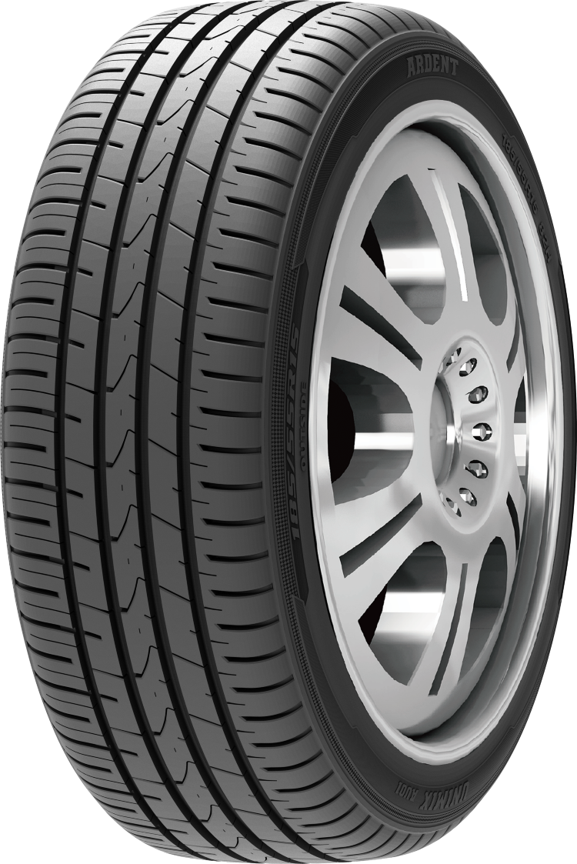 | G1263-R1 | 155/65R13 | UNMIX AU01 | 73 | T |  | 2450 | 0 | 0.000
 | G0724-R1 | 155/70R13 | UNMIX AU01 | 75 | T |  | 2400 |  | 0.000
 | G0143-R1 | 155/80R13 | UNMIX AU01 | 79 | T |  | 2250 |  | 0.000
 | G1292-R1 | 165/65R13 | UNMIX AU01 | 77 | T |  | 2350 |  | 0.000
 | G0774-R1 | 165/70R13 | UNMIX AU01 | 79 | T |  | 2100 |  | 0.000
 | G1792-R1 | 175/60R13 | UNMIX AU01 | 77 | H |  | 2000 |  | 0.000
 | G0814-R1 | 175/70R13 | UNMIX AU01 | 82 | T |  | 1900 |  | 0.000
 | G0842-R1 | 185/70R13 | UNMIX AU01 | 86 | T |  | 1700 |  | 0.000
 | G1273-R1 | 155/65R14 | UNMIX AU01 | 75 | H |  | 2300 |  | 0.000
 | G1772-R1 | 165/60R14 | UNMIX AU01 | 75 | T |  | 2000 |  | 0.000
 | G1303-R1 | 165/65R14 | UNMIX AU01 | 79 | H |  | 2200 |  | 0.000
 | G0783-R1 | 165/70R14 | UNMIX AU01 | 81 | T |  | 1900 |  | 0.000
 | G1344-R1 | 175/65R14 | UNMIX AU01 | 82 | T |  | 1750 |  | 0.000
 | G0825-R1 | 175/70R14 | UNMIX AU01 | 84 | T |  | 1750 |  | 0.000
 | G1844-R1 | 185/60R14 | UNMIX AU01 | 82 | H |  | 1600 |  | 0.000
 | G1374-R1 | 185/65R14 | UNMIX AU01 | 86 | H |  | 1500 |  | 0.000
 | G0854-R1 | 185/70R14 | UNMIX AU01 | 88 | H |  | 1600 |  | 0.000
 | G1882-R1 | 195/60R14 | UNMIX AU01 | 86 | H |  | 1400 |  | 0.000
 | G0892-R1 | 195/70R14 | UNMIX AU01 | 91 | H |  | 1300 |  | 0.000
 | G1922-R1 | 205/60R14 | UNMIX AU01 | 88 | V |  | 1300 |  | 0.000
 | G1782-R1 | 165/60R15 | UNMIX AU01 | 77 | H |  | 1800 |  | 0.000
 | G1813-R1 | 175/60R15 | UNMIX AU01 | 81 | H |  | 1700 |  | 0.000
 | G1353-R1 | 175/65R15 | UNMIX AU01 | 84 | H |  | 1550 |  | 0.000
 | G2414-R1 | 185/55R15 | UNMIX AU01 | 82 | H |  | 1400 |  | 0.000
 | G1855-R1 | 185/60R15 | UNMIX AU01 | 84 | H |  | 1450 |  | 0.000
 | G1385-R1 | 185/65R15 | UNMIX AU01 | 88 | H |  | 1450 |  | 0.000
 | G2974-R1 | 195/50R15 | UNMIX AU01 | 82 | V |  | 1400 |  | 0.000
 | G2455-R1 | 195/55R15 | UNMIX AU01 | 85 | V |  | 1350 |  | 0.000
 | G1895-R1 | 195/60R15 | UNMIX AU01 | 88 | H |  | 1300 |  | 0.000
 | G1435-R1 | 195/65R15 | UNMIX AU01 | 91 | V |  | 1350 |  | 0.000
 | G1932-R1 | 205/60R15 | UNMIX AU01 | 91 | V |  | 1350 |  | 0.000
 | G1464-R1 | 205/65R15 | UNMIX AU01 | 94 | V |  | 1250 |  | 0.000
 | G1492-R1 | 215/65R15 | UNMIX AU01 | 96 | T |  | 1100 |  | 0.000
 | G2423-R1 | 185/55R16 | UNMIX AU01 | 87 | V | XL | 1380 |  | 0.000
 | G2506-R1 | 205/55R16 | UNMIX AU01 | 91 | V |  | 1240 |  | 0.000
 | G1945-R1 | 205/60R16 | UNMIX AU01 | 92 | V |  | 1100 |  | 0.000
 | G1473-R1 | 205/65R16 | UNMIX AU01 | 95 | V |  | 1050 |  | 0.000
 | G1975-R1 | 215/60R16 | UNMIX AU01 | 95 | V |  | 1050 |  | 0.000
 | G1506-R1 | 215/65R16 | UNMIX AU01 | 98 | V |  | 1000 |  | 0.000
 | G2023-R1 | 225/60R16 | UNMIX AU01 | 98 | H |  | 950 |  | 0.000
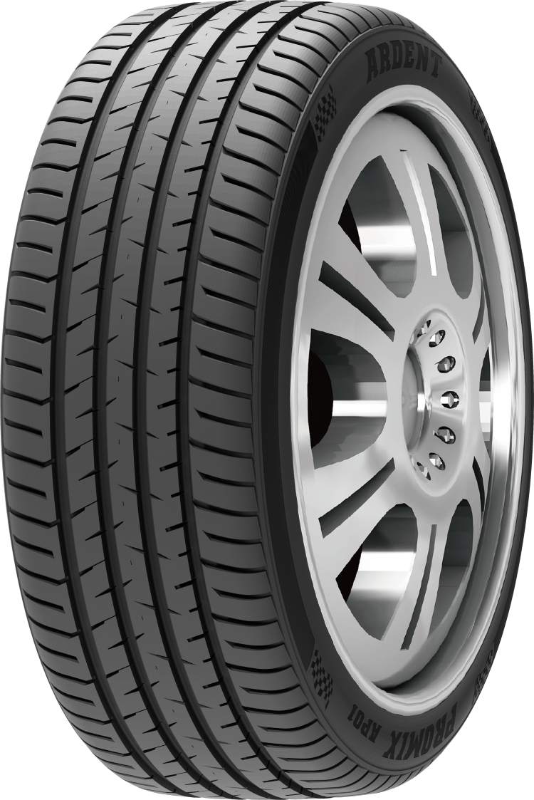 | G3473-R2 | 195/45R16 | PROMIX AP01 | 84 | V | XL | 1400 |  | 0.000
 | G2983-R2 | 195/50R16 | PROMIX AP01 | 88 | V | XL | 1150 |  | 0.000
 | G2465-R2 | 195/55ZR16 | PROMIX AP01 | 87 | W |  | 1250 |  | 0.000
 | G1903-R2 | 195/60R16 | PROMIX AP01 | 89 | H |  | 1150 |  | 0.000
 | G3502-R2 | 205/45ZR16 | PROMIX AP01 | 87 | W | XL | 1200 |  | 0.000
 | G3022-R2 | 205/50ZR16 | PROMIX AP01 | 87 | W |  | 1100 |  | 0.000
 | G2507-R2 | 205/55ZR16 | PROMIX AP01 | 91 | W |  | 1200 |  | 0.000
 | G3542-R2 | 215/45ZR16 | PROMIX AP01 | 90 | W | XL | 1250 |  | 0.000
 | G2556-R2 | 215/55ZR16 | PROMIX AP01 | 97 | W | XL | 1100 |  | 0.000
 | G2603-R2 | 225/55ZR16 | PROMIX AP01 | 99 | W | XL | 1080 |  | 0.000
 | G4062-R2 | 205/40ZR17 | PROMIX AP01 | 84 | W | XL | 1150 |  | 0.000
 | G3513-R2 | 205/45ZR17 | PROMIX AP01 | 88 | W | XL | 1100 |  | 0.000
 | G3035-R2 | 205/50ZR17 | PROMIX AP01 | 93 | W | XL | 1050 |  | 0.000
 | G2514-R2 | 205/55ZR17 | PROMIX AP01 | 95 | W | XL | 1000 |  | 0.000
 | G4111-R2 | 215/40ZR17 | PROMIX AP01 | 87 | W | XL | 1100 |  | 0.000
 | G3554-R2 | 215/45ZR17 | PROMIX AP01 | 91 | W | XL | 1050 |  | 0.000
 | G3076-R2 | 215/50ZR17 | PROMIX AP01 | 95 | W | XL | 1000 |  | 0.000
 | G2566-R2 | 215/55ZR17 | PROMIX AP01 | 98 | W | XL | 940 |  | 0.000
 | G3595-R2 | 225/45ZR17 | PROMIX AP01 | 94 | W | XL | 1000 |  | 0.000
 | G3115-R2 | 225/50ZR17 | PROMIX AP01 | 94 | W |  | 930 |  | 0.000
 | G2615-R2 | 225/55ZR17 | PROMIX AP01 | 101 | W | XL | 880 |  | 0.000
 | G3634-R2 | 235/45ZR17 | PROMIX AP01 | 97 | W | XL | 950 |  | 0.000
 | G3142-R2 | 235/50ZR17 | PROMIX AP01 | 96 | W |  | 850 |  | 0.000
 | G2665-R2 | 235/55ZR17 | PROMIX AP01 | 103 | W | XL | 820 |  | 0.000
 | G3682-R2 | 245/45ZR17 | PROMIX AP01 | 99 | W | XL | 870 |  | 0.000
 | G4692-R2 | 215/35ZR18 | PROMIX AP01 | 84 | W | XL | 1100 |  | 0.000
 | G4122-R2 | 215/40ZR18 | PROMIX AP01 | 85 | W |  | 950 |  | 0.000
 | G3562-R2 | 215/45ZR18 | PROMIX AP01 | 89 | W |  | 1000 |  | 0.000
 | G3081-R2 | 215/50R18 | PROMIX AP01 | 92 | V |  | 950 |  | 0.000
 | G4164-R2 | 225/40ZR18 | PROMIX AP01 | 92 | W | XL | 960 |  | 0.000
 | G3605-R2 | 225/45ZR18 | PROMIX AP01 | 95 | W | XL | 950 |  | 0.000
 | G3124-R2 | 225/50R18 | PROMIX AP01 | 95 | V |  | 900 |  | 0.000
 | G4192-R2 | 235/40ZR18 | PROMIX AP01 | 95 | W | XL | 950 |  | 0.000
 | G3645-R2 | 235/45ZR18 | PROMIX AP01 | 98 | W | XL | 900 |  | 0.000
 | G3155-R2 | 235/50ZR18 | PROMIX AP01 | 101 | W | XL | 800 |  | 0.000
 | G2675-R2 | 235/55R18 | PROMIX AP01 | 104 | V | XL | 750 |  | 0.000
 | G4224-R2 | 245/40ZR18 | PROMIX AP01 | 97 | W | XL | 900 |  | 0.000
 | G3695-R2 | 245/45ZR18 | PROMIX AP01 | 100 | W | XL | 850 |  | 0.000
 | G3201-R2 | 245/50ZR18 | PROMIX AP01 | 100 | W |  | 780 |  | 0.000
 | G4893-R2 | 255/35ZR18 | PROMIX AP01 | 94 | W | XL | 930 |  | 0.000
 | G3743-R2 | 255/45ZR18 | PROMIX AP01 | 99 | W |  | 820 |  | 0.000
 | G4952-R2 | 265/35ZR18 | PROMIX AP01 | 93 | W |  | 800 |  | 0.000
 | G4732-R2 | 225/35ZR19 | PROMIX AP01 | 84 | W |  | 950 |  | 0.000
 | G4773-R2 | 235/35ZR19 | PROMIX AP01 | 91 | W | XL | 900 |  | 0.000
 | G4204-R2 | 235/40ZR19 | PROMIX AP01 | 92 | W |  | 880 |  | 0.000
 | G4832-R2 | 245/35ZR19 | PROMIX AP01 | 93 | W | XL | 850 |  | 0.000
 | G4233-R2 | 245/40ZR19 | PROMIX AP01 | 98 | W | XL | 800 |  | 0.000
 | G3705-R2 | 245/45ZR19 | PROMIX AP01 | 98 | W |  | 800 |  | 0.000
 | G4903-R2 | 255/35ZR19 | PROMIX AP01 | 96 | W | XL | 800 |  | 0.000
 | G5022-R2 | 275/35ZR19 | PROMIX AP01 | 100 | W | XL | 730 |  | 0.000
 | G4403-R2 | 275/40ZR19 | PROMIX AP01 | 101 | W |  | 660 |  | 0.000
 | G4243-R2 | 245/40ZR20 | PROMIX AP01 | 95 | W |  | 750 |  | 0.000
 | G3713-R2 | 245/45ZR20 | PROMIX AP01 | 99 | W |  | 730 |  | 0.000
 | G4912-R2 | 255/35ZR20 | PROMIX AP01 | 97 | W | XL | 700 |  | 0.000
 | G3765-R2 | 255/45ZR20 | PROMIX AP01 | 101 | W |  | 660 |  | 0.000
 | G5592-R2 | 275/30ZR20 | PROMIX AP01 | 97 | W | XL | 750 |  | 0.000
 | G5033-R2 | 275/35ZR20 | PROMIX AP01 | 98 | W |  | 700 |  | 0.000
 | G4413-R2 | 275/40ZR20 | PROMIX AP01 | 106 | W | XL | 600 |  | 0.000
 | G3834-R2 | 275/45ZR20 | PROMIX AP01 | 110 | W | XL | 550 |  | 0.000
 | G2853-R2 | 275/55R20 | PROMIX AP01 | 117 | V | XL | 520 |  | 0.000
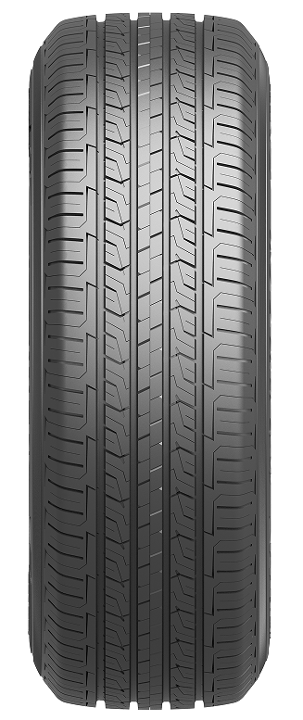 | G0943-R3 | 205/70R15 | CROSSPOWER H/T AR07 | 96 | H |  | 1150 |  | 0.000
 | G0482-R3 | 215/75R15 | CROSSPOWER H/T AR07 | 100 | H |  | 1100 |  | 0.000
 | G0511-R3 | 225/75R15 | CROSSPOWER H/T AR07 | 102 | H |  | 1000 |  | 0.000
 | G0531-R3 | 235/75R15 | CROSSPOWER H/T AR07 | 105 | H |  | 950 |  | 0.000
 | G1507-R3 | 215/65R16 | CROSSPOWER H/T AR07 | 98 | H |  | 1000 |  | 0.000
 | G0983-R3 | 215/70R16 | CROSSPOWER H/T AR07 | 100 | H |  | 1000 |  | 0.000
 | G1023-R3 | 225/70R16 | CROSSPOWER H/T AR07 | 103 | H |  | 950 |  | 0.000
 | G2073-R3 | 235/60R16 | CROSSPOWER H/T AR07 | 100 | V |  | 850 |  | 0.000
 | G1062-R3 | 235/70R16 | CROSSPOWER H/T AR07 | 106 | H |  | 800 |  | 0.000
 | G1093-R3 | 245/70R16 | CROSSPOWER H/T AR07 | 111 | H | XL | 700 |  | 0.000
 | G1122-R3 | 255/70R16 | CROSSPOWER H/T AR07 | 111 | H |  | 750 |  | 0.000
 | G1162-R3 | 265/70R16 | CROSSPOWER H/T AR07 | 112 | T |  | 640 |  | 0.000
 | G1985-R3 | 215/60R17 | CROSSPOWER H/T AR07 | 96 | H |  | 900 |  | 0.000
 | G1513-R3 | 215/65R17 | CROSSPOWER H/T AR07 | 99 | V |  | 900 |  | 0.000
 | G2035-R3 | 225/60R17 | CROSSPOWER H/T AR07 | 99 | V |  | 900 |  | 0.000
 | G1545-R3 | 225/65R17 | CROSSPOWER H/T AR07 | 102 | V |  | 850 |  | 0.000
 | G2666-R3 | 235/55R17 | CROSSPOWER H/T AR07 | 99 | V |  | 820 |  | 0.000
 | G1575-R3 | 235/65R17 | CROSSPOWER H/T AR07 | 108 | V | XL | 800 |  | 0.000
 | G1602-R3 | 245/65R17 | CROSSPOWER H/T AR07 | 107 | H |  | 750 |  | 0.000
 | G1654-R3 | 265/65R17 | CROSSPOWER H/T AR07 | 112 | H |  | 600 |  | 0.000
 | G1173-R3 | 265/70R17 | CROSSPOWER H/T AR07 | 115 | H |  | 600 |  | 0.000
 | G2575-R3 | 215/55R18 | CROSSPOWER H/T AR07 | 95 | V |  | 880 |  | 0.000
 | G2625-R3 | 225/55R18 | CROSSPOWER H/T AR07 | 98 | V |  | 800 |  | 0.000
 | G2044-R3 | 225/60R18 | CROSSPOWER H/T AR07 | 100 | H |  | 820 |  | 0.000
 | G2676-R3 | 235/55R18 | CROSSPOWER H/T AR07 | 100 | V |  | 750 |  | 0.000
 | G2094-R3 | 235/60R18 | CROSSPOWER H/T AR07 | 107 | V | XL | 750 |  | 0.000
 | G1583-R3 | 235/65R18 | CROSSPOWER H/T AR07 | 106 | H |  | 730 |  | 0.000
 | G2144-R3 | 245/60R18 | CROSSPOWER H/T AR07 | 105 | V |  | 680 |  | 0.000
 | G2764-R3 | 255/55ZR18 | CROSSPOWER H/T AR07 | 109 | W | XL | 650 |  | 0.000
 | G2182-R3 | 255/60R18 | CROSSPOWER H/T AR07 | 108 | H |  | 620 |  | 0.000
 | G1141-R3 | 255/70R18 | CROSSPOWER H/T AR07 | 113 | H |  | 560 |  | 0.000
 | G2224-R3 | 265/60R18 | CROSSPOWER H/T AR07 | 110 | H |  | 620 |  | 0.000
 | G1663-R3 | 265/65R18 | CROSSPOWER H/T AR07 | 114 | H |  | 580 |  | 0.000
 | G1182-R3 | 265/70R18 | CROSSPOWER H/T AR07 | 116 | T |  | 600 |  | 0.000
 | G2634-R3 | 225/55R19 | CROSSPOWER H/T AR07 | 99 | V |  | 750 |  | 0.000
 | G3654-R3 | 235/45R19 | CROSSPOWER H/T AR07 | 95 | V |  | 750 |  | 0.000
 | G3166-R3 | 235/50R19 | CROSSPOWER H/T AR07 | 99 | V |  | 700 |  | 0.000
 | G2685-R3 | 235/55R19 | CROSSPOWER H/T AR07 | 105 | V | XL | 700 |  | 0.000
 | G3211-R3 | 245/50ZR19 | CROSSPOWER H/T AR07 | 105 | W | XL | 700 |  | 0.000
 | G2735-R3 | 245/55ZR19 | CROSSPOWER H/T AR07 | 103 | W |  | 650 |  | 0.000
 | G3756-R3 | 255/45R19 | CROSSPOWER H/T AR07 | 100 | V |  | 700 |  | 0.000
 | G3264-R3 | 255/50ZR19 | CROSSPOWER H/T AR07 | 107 | W | XL | 600 |  | 0.000
 | G2775-R3 | 255/55R19 | CROSSPOWER H/T AR07 | 111 | V | XL | 600 |  | 0.000
 | G3302-R3 | 265/50ZR19 | CROSSPOWER H/T AR07 | 110 | W | XL | 580 |  | 0.000
 | G2842-R3 | 275/55ZR19 | CROSSPOWER H/T AR07 | 111 | W |  | 600 |  | 0.000
...
ARDENT
 | G2695-R3 | 235/55R20 | CROSSPOWER H/T AR07 | 105 | V | XL
 | G3223-R3 | 245/50R20 | CROSSPOWER H/T AR07 | 102 | V
 | G3783-R3 | 265/45ZR20 | CROSSPOWER H/T AR07 | 104 | W
 | G3313-R3 | 265/50R20 | CROSSPOWER H/T AR07 | 111 | V | XL
 | G3354-R3 | 275/50ZR20 | CROSSPOWER H/T AR07 | 113 | W | XL
 | G2274-R3 | 275/60R20 | CROSSPOWER H/T AR07 | 115 | H
 | G3394-R3 | 285/50R20 | CROSSPOWER H/T AR07 | 112 | V
 | G3793-R3 | 265/45R21 | CROSSPOWER H/T AR07 | 108 | V | XL
 | G3844-R3 | 275/45ZR21 | CROSSPOWER H/T AR07 | 110 | W | XL
 | G9512-R3 | 275/50R21 | CROSSPOWER H/T AR07 | 113 | V | XL
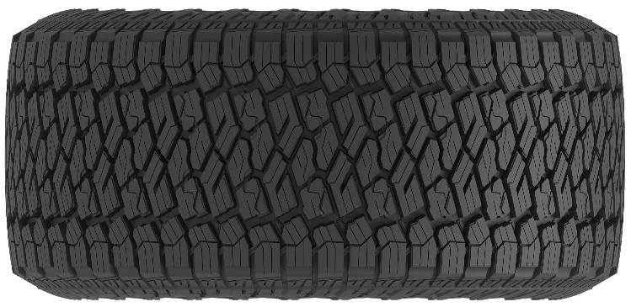 | G8491-R6 | 31X10.50R15LT | ALL-TRIPMAXX ATII | 109 | S | 6PR
 | G6981-R6 | LT215/75R15 | ALL-TRIPMAXX ATII | 100/97 | R | 6PR
 | G7031-R6 | LT235/75R15 | ALL-TRIPMAXX ATII | 104/101 | R | 6PR
 | G1064-R6 | 235/70R16 | ALL-TRIPMAXX ATII | 106 | T
 | G1094-R6 | 245/70R16 | ALL-TRIPMAXX ATII | 111 | T | XL
 | G0562-R6 | 245/75R16 | ALL-TRIPMAXX ATII | 111 | T
 | G1163-R6 | 265/70R16 | ALL-TRIPMAXX ATII | 112 | T
 | G7421-R6 | LT255/70R16 | ALL-TRIPMAXX ATII | 115/112 | S | 8PR
 | G7091-R6 | LT265/75R16 | ALL-TRIPMAXX ATII | 123/120 | R | 10PR
 | G7101-R6 | LT285/75R16 | ALL-TRIPMAXX ATII | 126/123 | S | 10PR
 | G1547-R6 | 225/65R17 | ALL-TRIPMAXX ATII | 106 | H | XL
 | G1603-R6 | 245/65R17 | ALL-TRIPMAXX ATII | 107 | T
 | G1656-R6 | 265/65R17 | ALL-TRIPMAXX ATII | 112 | T
 | G7511-R6 | LT285/70R17 | ALL-TRIPMAXX ATII | 122/119 | S | 8PR
 | G2096-R6 | 235/60R18 | ALL-TRIPMAXX ATII | 107 | H | XL
 | G2291-R6 | 285/60R18 | ALL-TRIPMAXX ATII | 116 | T
 | G7851-R6 | LT285/65R18 | ALL-TRIPMAXX ATII | 125/122 | S | 10PR
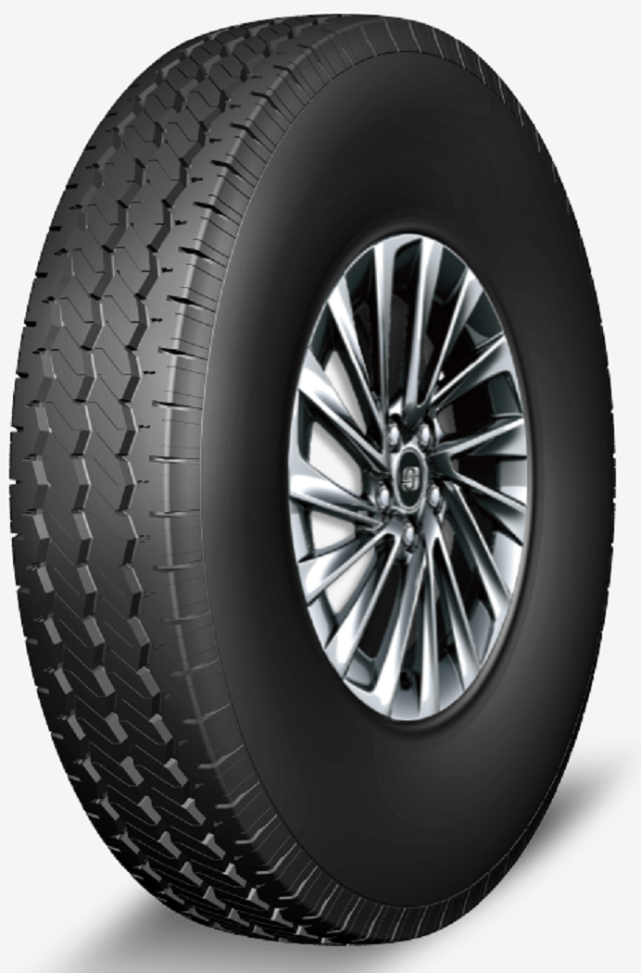 | W384 | 7.50R16LT | RX566 | 123/121 | M | 14PR
...

